Answers
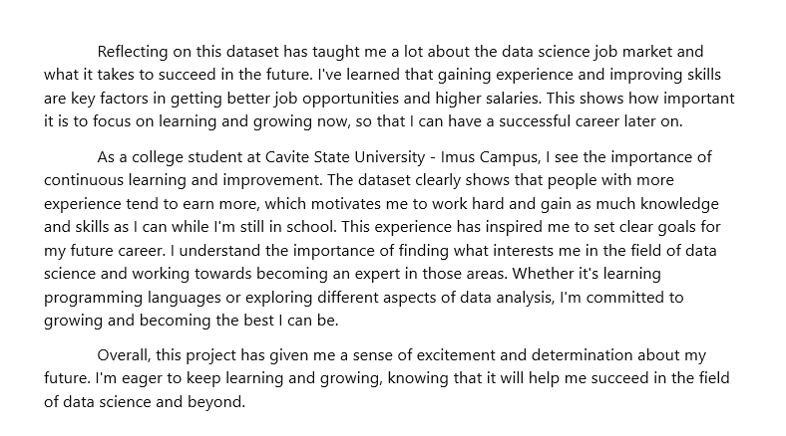
3 HYPOTHESIS BASED ON KAGGLE DATASET

Hypothesis Number |  | Statement
1 |  | Is there a significant relationship between years of experience and salary among the data science job positions?
2 |  | Data science job salaries vary based on the employment type, with full-time employees receiving higher salaries compared to contract or part-time workers.
3 |  | Data science job salaries vary based on the size of the employing company, with larger companies offering higher salaries compared to smaller ones.

NARRATE THE STEPS YOU DID IN CLEANING

Steps |  | Process
1 |  | I removed the columns 'Salary' and 'Salary Currency' because they were redundant. I kept 'Salary in USD' to make comparisons easier.
2 |  | I fixed the row numbers on the side, ensuring that if a row contains a value, it is not marked as 0.
3 |  | I removed the abbreviated versions of 'Experience Level', 'Employment Type', and 'Company Size' to avoid confusion.
4 |  | I added a border to clearly separate the modified sections.
5 |  | I standardized all column names to follow a consistent format.

DATA VISUALIZATION / CHARTS

INSIGHTS AND ACTIONS

Number | Topic |  | INSIGHTS | ACTIONS
1 | Years of Experience and Salary |  | More experienced data scientists earn higher salaries, showing a positive relationship between experience and pay. | Implement career progression plans recognizing employees' expertise. Regularly review salaries to reflect experience and contributions.
2 | Employment Type and Salary: |  | Full-time data scientists earn more than contract or part-time workers, indicating salary differences based on employment type. | Adjust compensation for contract and part-time workers. Consider additional benefits to make alternative arrangements more appealing.
3 | Company Size and Salary: |  | Larger companies pay higher salaries compared to smaller ones, highlighting differences based on company size. | Evaluate salary competitiveness relative to company size. Consider performance-based incentives to attract talent, especially in smaller companies.
4 | Experience-Based Salary Growth: |  | Salaries increase with experience, suggesting progressive salary growth. | Develop career plans for skill enhancement and leadership opportunities. Regularly adjust salaries to reflect individual contributions.
5 | Employment Type and Preferences: |  | Salary disparities show preferences for employment types, indicating different priorities among data scientists. | Understand employee preferences through surveys. Tailor recruitment and benefits to attract talent based on preferred work setups.
6 | Company Size and Culture Impact: |  | Salary variations reflect company culture and resources, emphasizing their influence on compensation practices. | Foster an inclusive culture valuing employee contributions. Regularly review salaries to align with company values and market standards.
7 | Salaries change based on Company's Location |  | Salaries vary significantly based on company location and employee residence. | Invest in employee training tailored to industry trends. Provide opportunities for certifications and workshops to enhance skills and marketability.

CITATIONS
https://www.kaggle.com/datasets/ruchi798/data-science-job-salaries
https://www.coursera.org/articles/what-is-a-data-scientist
https://www.indeed.com/career-advice/finding-a-job/types-of-data-science-jobs

REFLECTION

