Tipo 1
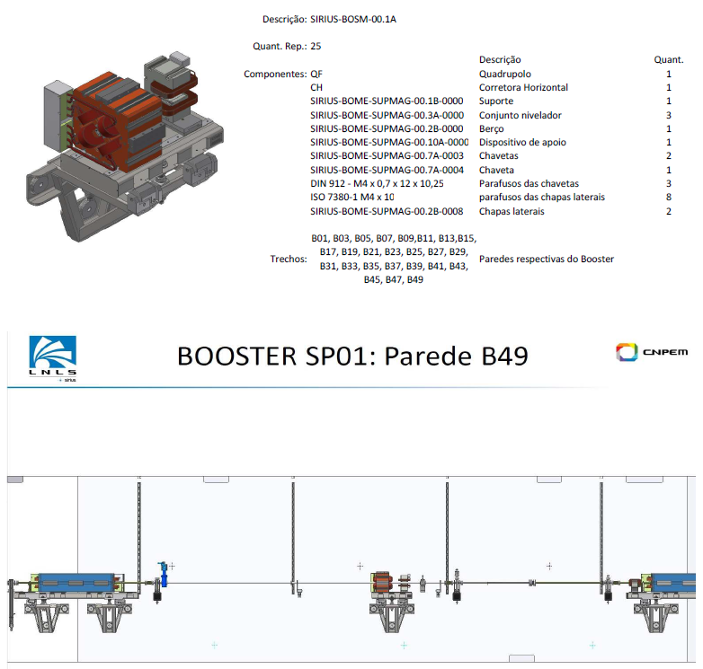

# | FAC Proposal | Current Installed | PAREDE
1 | BQF-23 | BQF-15 | B01
2 | BQF-44 | BQF-45 | B03
3 | BQF-43 | BQF-43 | B05
4 | BQF-29 | BQF-58 | B07
5 | BQF-56 | BQF-16 | B09
6 | BQF-37 | BQF-23 | B11
7 | BQF-57 | BQF-38 | B13
8 | BQF-45 | BQF-37 | B15
9 | BQF-55 | BQF-25 | B17
10 | BQF-35 | BQF-11 | B19
11 | BQF-36 | BQF-30 | B21
12 | BQF-38 | BQF-29 | B23
13 | BQF-09 | BQF-09 | B25
14 | BQF-58 | BQF-57 | B27
15 | BQF-25 | BQF-56 | B29
16 | BQF-28 | BQF-44 | B31
17 | BQF-46 | BQF-27 | B33
18 | BQF-21 | BQF-28 | B35
19 | BQF-26 | BQF-55 | B37
20 | BQF-27 | BQF-46 | B39
21 | BQF-15 | BQF-35 | B41
22 | BQF-16 | BQF-36 | B43
23 | BQF-18 | BQF-18 | B45
24 | BQF-30 | BQF-21 | B47
25 | BQF-11 | BQF-26 | B49

Tipo 2
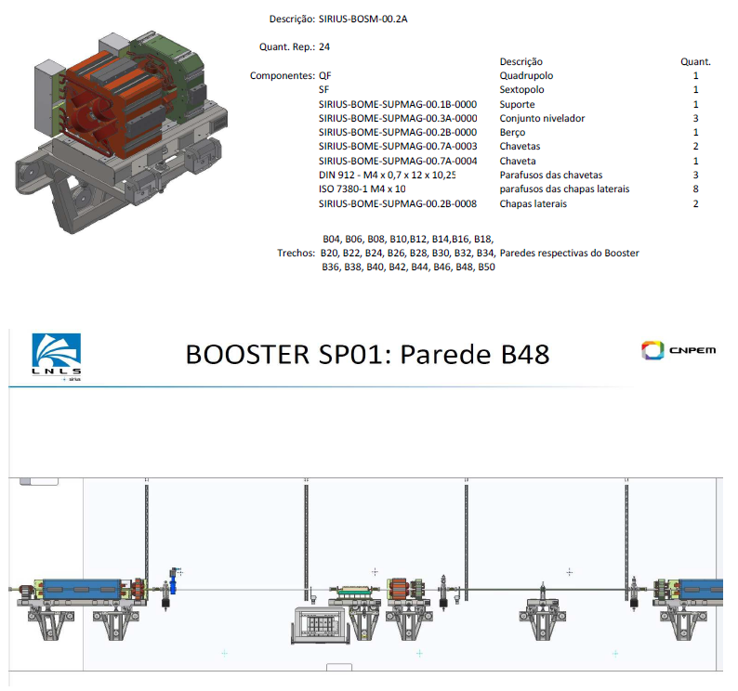

# | FAC Proposal | Current Installed | PAREDE
1 | BQF-34 / BS-19 | BQF-51 / BS-13 | B04
2 | BQF-32 / BS-28 | BQF-48 / BS-17 | B06
3 | BQF-48 / BS-17 | BQF-49 / BS-14 | B08
4 | BQF-42 / BS-26 | BQF-34 / BS-19 | B10
5 | BQF-33 / BS-16 | BQF-33 / BS-16 | B12
6 | BQF-54 / BS-22 | BQF-47 / BS-18 | B14
7 | BQF-31 / BS-15 | BQF-53 / BS-20 | B16
8 | BQF-50 / BS-24 | BQF-52 / BS-21 | B18
9 | BQF-41 / BS-25 | BQF-54 / BS-22 | B20
10 | BQF-40 / BS-29 | BQF-41 / BS-25 | B22
11 | BQF-52 / BS-21 | BQF-42 / BS-26 | B24
12 | BQF-39 / BS-31 | BQF-40 / BS-29 | B26
13 | BQF-53 / BS-20 | BQF-39 / BS-31 | B28
14 | BQF-19 / BS-23 | BQF-19 / BS-23 | B30
15 | BQF-51 / BS-13 | BQF-20 / BS-27 | B32
16 | BQF-47 / BS-18 | BQF-50 / BS-24 | B34
17 | BQF-20 / BS-27 | BQF-31 / BS-15 | B36
18 | BQF-22 / BS-30 | BQF-12 / BS-33 | B38
19 | BQF-12 / BS-33 | BQF-22 / BS-30 | B40
20 | BQF-24 / BS-12 | BQF-32 / BS-28 | B42
21 | BQF-49 / BS-14 | BQF-17 / BS-08 | B44
22 | BQF-14 / BS-32 | BQF-13 / BS-10 | B46
23 | BQF-17 / BS-08 | BQF-24 / BS-12 | B48
24 | BQF-13 / BS-10 | BQF-14 / BS-32 | B50

Tipo 3
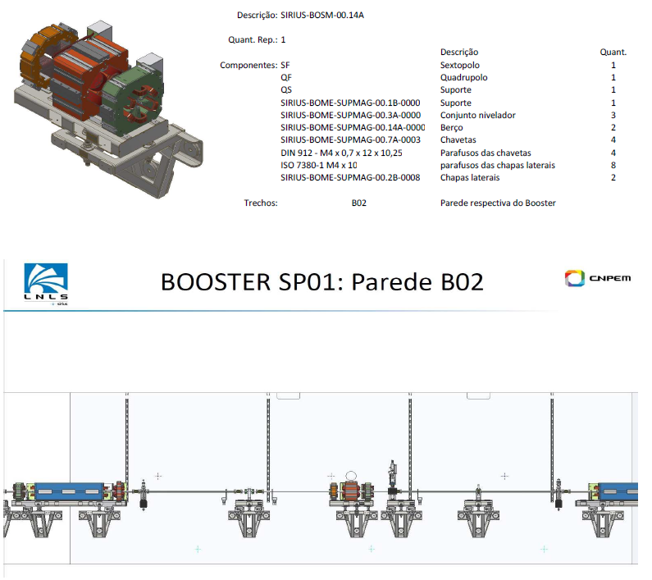

# | FAC Proposal | Currently Installed | PAREDE
1 | BQF-007 / BS-007 / QS-001 | BQF-007 / BS-007 / QS-001 | B02

