Beam Stay Clear
Beam Stay Clear - Low Beta |  |  |  |  | Beam Stay Clear - High Beta

 |  |  | ID Length [mm] = | 2.4 |  |  |  | ID Length [mm] = | 2.4
 |  |  | Horizontal Gap [mm] = | 8.50 |  |  |  | Horizontal Gap [mm] = | 23.14
 |  |  | Vertical Gap [mm] = | 4.77 |  |  |  | Vertical Gap [mm] = | 6.01
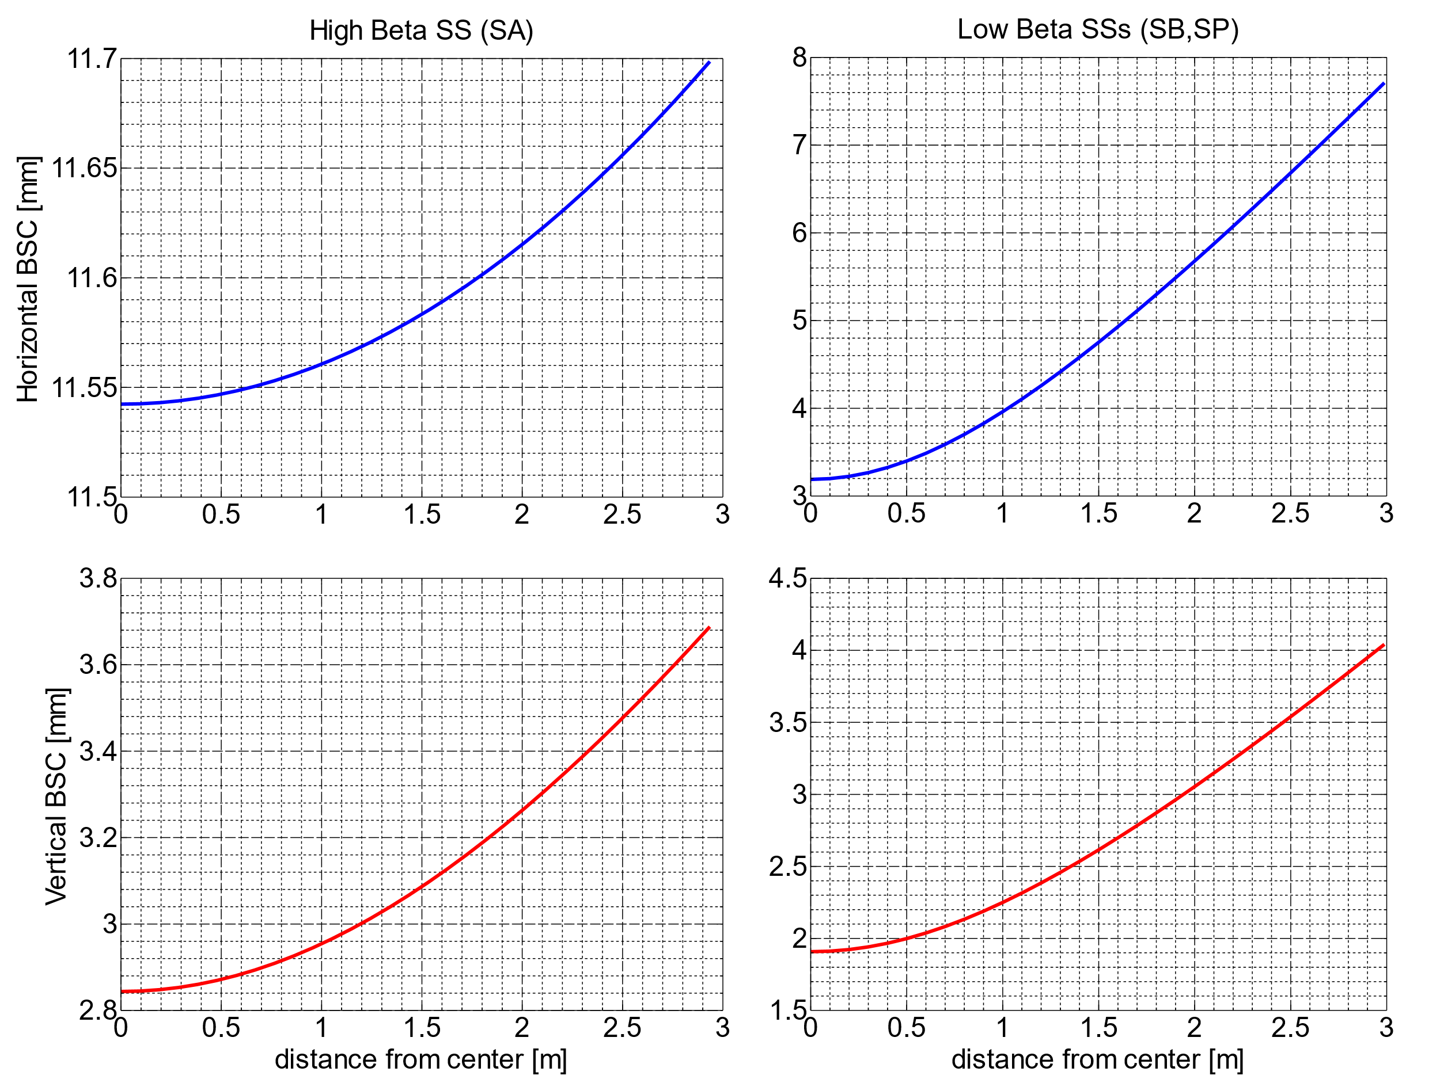
Beam Stay Clear Horizontal - Low Beta
Beam Stay Clear Horizontal - High Beta
pos[m] | BSCH [mm] | BSCV[mm] |  |  | pos[m] | BSCH [mm] | BSCV[mm]
0 | 3.18958 | 1.90796 |  |  | 0 | 11.54238 | 2.84387
0 | 3.18958 | 1.90796 |  |  | 0 | 11.54238 | 2.84387
0.1 | 3.19822 | 1.91168 |  |  | 0 | 11.54238 | 2.84387
0.2 | 3.22401 | 1.92281 |  |  | 0.09575 | 11.54255 | 2.8449
0.3 | 3.26654 | 1.94121 |  |  | 0.1915 | 11.54305 | 2.84799
0.4 | 3.32517 | 1.96669 |  |  | 0.28725 | 11.54389 | 2.85314
0.5 | 3.39906 | 1.99896 |  |  | 0.383 | 11.54506 | 2.86033
0.6 | 3.48725 | 2.03772 |  |  | 0.47875 | 11.54657 | 2.86955
0.7 | 3.58868 | 2.08259 |  |  | 0.5745 | 11.54841 | 2.88078
0.8 | 3.70227 | 2.13319 |  |  | 0.67025 | 11.55059 | 2.89399
0.9 | 3.82692 | 2.18913 |  |  | 0.766 | 11.55309 | 2.90916
1 | 3.9616 | 2.25 |  |  | 0.86175 | 11.55594 | 2.92625
1 | 3.9616 | 2.25 |  |  | 0.9575 | 11.55912 | 2.94525
1.1 | 4.10532 | 2.31542 |  |  | 1.05325 | 11.56263 | 2.9661
1.2 | 4.25717 | 2.38501 |  |  | 1.149 | 11.56647 | 2.98876
1.3 | 4.4163 | 2.45842 |  |  | 1.24475 | 11.57065 | 3.01321
Beam Stay Clear Vertical - Low Beta
Beam Stay Clear Vertical - High Beta
1.4 | 4.58196 | 2.53531 |  |  | 1.3405 | 11.57515 | 3.03939
1.5 | 4.75346 | 2.61539 |  |  | 1.43625 | 11.57999 | 3.06726
1.5989 | 4.92823 | 2.69743 |  |  | 1.532 | 11.58517 | 3.09678
1.6978 | 5.10759 | 2.78205 |  |  | 1.62775 | 11.59067 | 3.12789
1.7967 | 5.29108 | 2.86903 |  |  | 1.7235 | 11.5965 | 3.16055
1.8956 | 5.47828 | 2.95815 |  |  | 1.81925 | 11.60267 | 3.19472
1.9945 | 5.66883 | 3.04924 |  |  | 1.915 | 11.60916 | 3.23035
2.0934 | 5.8624 | 3.14211 |  |  | 2.015 | 11.6163 | 3.26905
2.1923 | 6.05869 | 3.23661 |  |  | 2.115 | 11.62379 | 3.30924
2.2912 | 6.25746 | 3.33261 |  |  | 2.215 | 11.63164 | 3.35086
2.3901 | 6.45847 | 3.42997 |  |  | 2.315 | 11.63985 | 3.39386
2.489 | 6.66153 | 3.52859 |  |  | 2.375 | 11.64494 | 3.42029
2.5879 | 6.86644 | 3.62837 |  |  | 2.375 | 11.64494 | 3.42029
2.6879 | 7.07536 | 3.73033 |  |  | 2.475 | 11.65372 | 3.46538
2.7879 | 7.28587 | 3.8333 |  |  | 2.475 | 11.65372 | 3.46538
2.8879 | 7.49782 | 3.93718 |  |  | 2.575 | 11.66285 | 3.51172
2.9879 | 7.71112 | 4.04191 |  |  | 2.665 | 11.67137 | 3.55444
 |  |  |  |  | 2.755 | 11.68017 | 3.5981
 |  |  |  |  | 2.845 | 11.68927 | 3.64265
 |  |  |  |  | 2.935 | 11.69864 | 3.68808

Create Undulator Magnet
Create Delta Model |  | Lists | Magnet Block Representation |  |  |  |  | Beam Stay Clear and Magnet Limits
 |  | straight section list |  | Block Shape |  | Block Shape Scaled |  | x | y | a | x | yp | yn
main parameters |  | low beta | Scale | x | y | x | y | -3.5 | -2.045 | 3.5 | -3.5 | 0 | 0
straight section type (please select from list) | low beta | high beta | 1 | 5.25 | 0 | 5.25 | 0 | 3.5 | -2.045 | b | -3.1666666667 | 0.87100171695 | -0.87100171695
beam stay clear |  |  |  | 22.5 | 19.3 | 22.5 | 19.3 | 3.5 | 2.045 | 2.045 | -2.8333333333 | 1.200593013 | -1.200593013
vertical [mm] | 4.09 | block shape list |  | 22.5 | 29.2 | 22.5 | 29.2 | -3.5 | 2.045 |  | -2.5 | 1.431201864 | -1.431201864
horizontal [mm] | 7 | excel |  | 17.8 | 33.2 | 17.8 | 33.2 | -3.5 | -2.045 |  | -2.1666666667 | 1.6060478104 | -1.6060478104
 |  | dxf |  | 17.8 | 38.4 | 17.8 | 38.4 |  |  |  | -1.8333333333 | 1.7420034339 | -1.7420034339
undulator parameters |  |  |  | 22.5 | 42.4 | 22.5 | 42.4 | gap | side |  | -1.5 | 1.8476736614 | -1.8476736614
period | 52.5 | length list |  | 22.5 | 49 | 22.5 | 49 | 13.6 | 10.685714286 |  | -1.1666666667 | 1.92804449 | -1.92804449
nr periods | 21 | meters |  | 21.5 | 50 | 21.5 | 50 | x1 | y1 |  | -0.83333333333 | 1.9861895058 | -1.9861895058
gap | 13.6 | centimeters |  | -21.5 | 50 | -21.5 | 50 | 8.59 | 1.03 |  | -0.5 | 2.0240250866 | -2.0240250866
block gap | 0.125 | millimeters |  | -22.5 | 49 | -22.5 | 49 | 1.03 | 8.59 |  | -0.16666666667 | 2.04268009 | -2.04268009
total length [mm] | 1197.625 | microns |  | -22.5 | 42.4 | -22.5 | 42.4 | x2 | y2 |  | 0.16666666667 | 2.04268009 | -2.04268009
 |  | inches |  | -17.8 | 38.4 | -17.8 | 38.4 | -8.59 | 1.03 |  | 0.5 | 2.0240250866 | -2.0240250866
block shape |  |  |  | -17.8 | 33.2 | -17.8 | 33.2 | -1.03 | 8.59 |  | 0.83333333333 | 1.9861895058 | -1.9861895058
get block shape from (please select from list) | dxf | material list |  | -22.5 | 29.2 | -22.5 | 29.2 | x3 | y3 |  | 1.1666666667 | 1.92804449 | -1.92804449
dxf filepath | C:\Arq\Work_At_LNLS\eclipse-workspace\insertion-devices\magnet\DeltaSabiaBlock.dxf | Vacodym 764AP Br=1.28T |  | -22.5 | 19.3 | -22.5 | 19.3 | 1.03 | -8.59 |  | 1.5 | 1.8476736614 | -1.8476736614
 |  | Vacodym 764AP Br=1.31T |  | -5.25 | 0 | -5.25 | 0 | 8.59 | -1.03 |  | 1.8333333333 | 1.7420034339 | -1.7420034339
magnet model parameters |  | Vacodym 764AP Br=1.37T |  | 5.25 | 0 | 5.25 | 0 | x4 | y4 |  | 2.1666666667 | 1.6060478104 | -1.6060478104
length unit (please select from list) | millimeters | Vacodym 764AP Br=1.39T |  |  |  |  |  | -8.59 | -1.03 |  | 2.5 | 1.431201864 | -1.431201864
magnet material (please select from list) | Vacodym 764AP Br=1.39T |  |  |  |  |  |  | -1.03 | -8.59 |  | 2.8333333333 | 1.200593013 | -1.200593013
model mesh | 5 | add termination list |  |  |  |  |  |  |  |  | 3.1666666667 | 0.87100171695 | -0.87100171695
air box radius | 160 | yes |  |  |  |  |  |  |  |  | 3.5 | #NUM! | #NUM!
5.25 | 0 | 0
22.5 | 19.3 | 19.3
22.5 | 29.2 | 29.2
17.8 | 33.2 | 33.2
17.8 | 38.4 | 38.4
22.5 | 42.4 | 42.4
22.5 | 49 | 49
21.5 | 50 | 50
-21.5 | 50 | 50
-22.5 | 49 | 49
-22.5 | 42.4 | 42.4
-17.8 | 38.4 | 38.4
-17.8 | 33.2 | 33.2
-22.5 | 29.2 | 29.2
-22.5 | 19.3 | 19.3
-5.25 | 0 | 0
5.25 | 0 | 0
air box length | 2000 | no
fine air box width | 15
fine air box height | 0.5
fine air box length | 1500
fine air box mesh | 1
polynomial order | 2

end design
add terminations (please select from list) | yes
block1 size | 3.25
block2 size | 3.25
block3 size | 9.75
block4 size | 9.75
gap1 | 8.7
gap2 | 2
gap3 | 3.3
gap4 | 1

