Sheet1
I [A] | By [T]
0 | -9.88E-05
4 | 0.053720243738
8 | 0.10914507154
12 | 0.16290717185
16 | 0.2170259289
16.6 | 0.22695429987
16 | 0.21972690476
12 | 0.16683768047
8 | 0.11232323908
4 | 0.056922191661
0 | 0.0017748284368
-4 | -0.053636522569
-8 | -0.10991196896
-12 | -0.1647579944
-16 | -0.22003827807
-16.6 | -0.23009278939
-16 | -0.22277090983
-12 | -0.16848640138
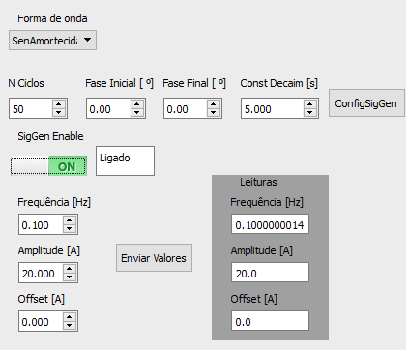
-8 | -0.11359090606
-4 | -0.058185768694
0 | -0.0031026492849
4 | 0.051855566483
8 | 0.10823590919
12 | 0.16263247497
16 | 0.21663859408
16.6 | 0.22618575257
16 | 0.21972086813
12 | 0.16673055772
8 | 0.11249516612
4 | 0.057138343169
0 | 0.001157304012
-4 | -0.053095831413
-8 | -0.1095051286
-12 | -0.16462770184
-16 | -0.2191682567
-16.6 | -0.22920965261
-16 | -0.22258470606
-12 | -0.16846436147
-8 | -0.11362372662
-4 | -0.057990119272
0 | -0.0027128596124

