Malha - Dif Perfil
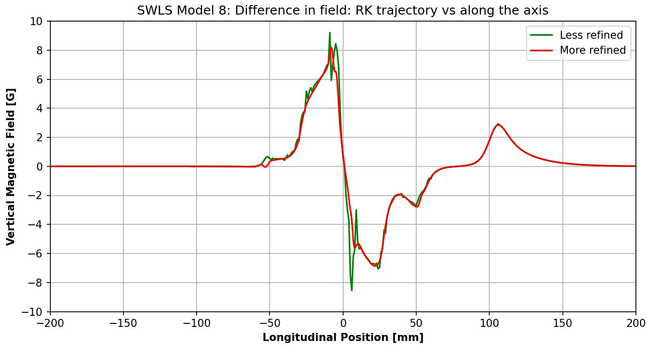
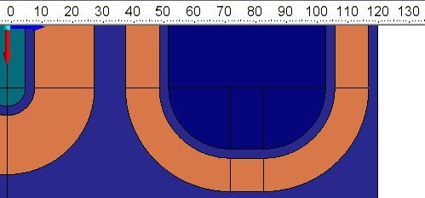
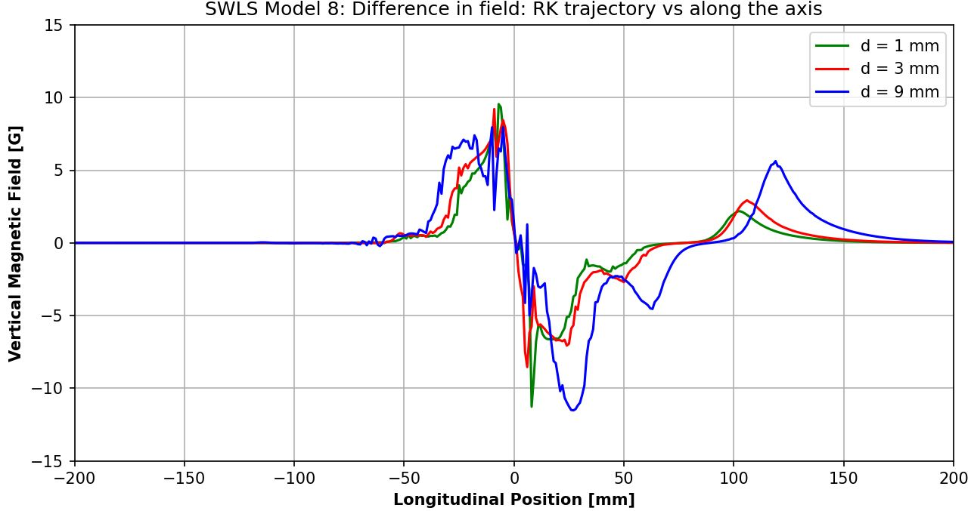
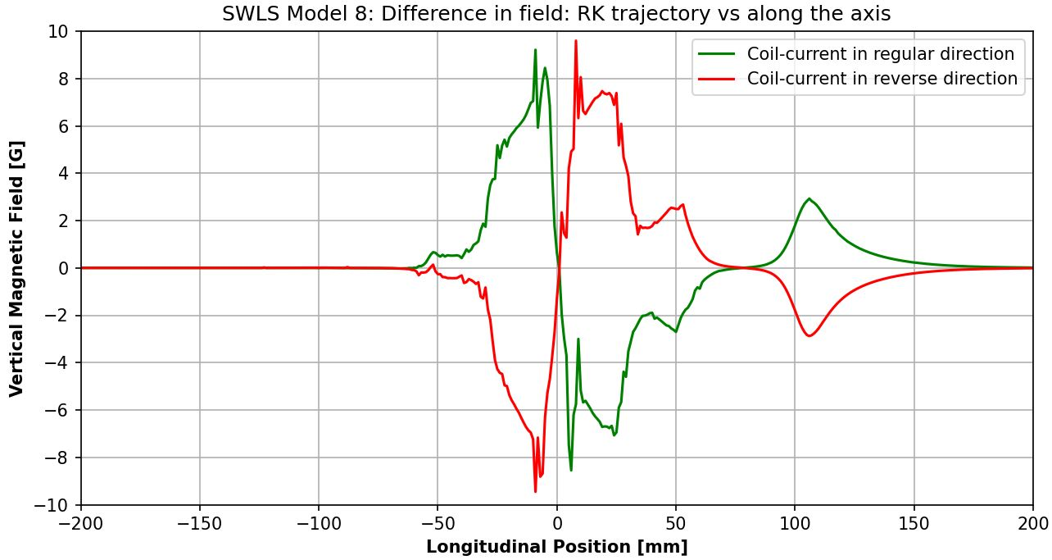
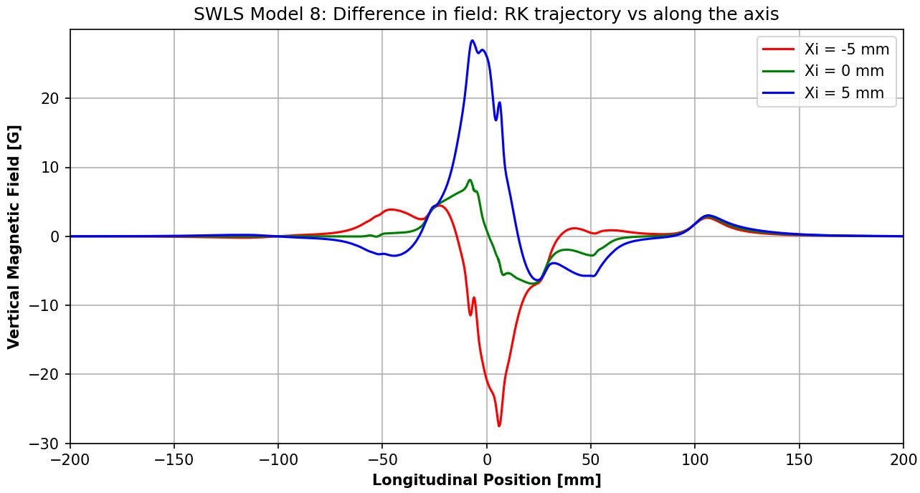
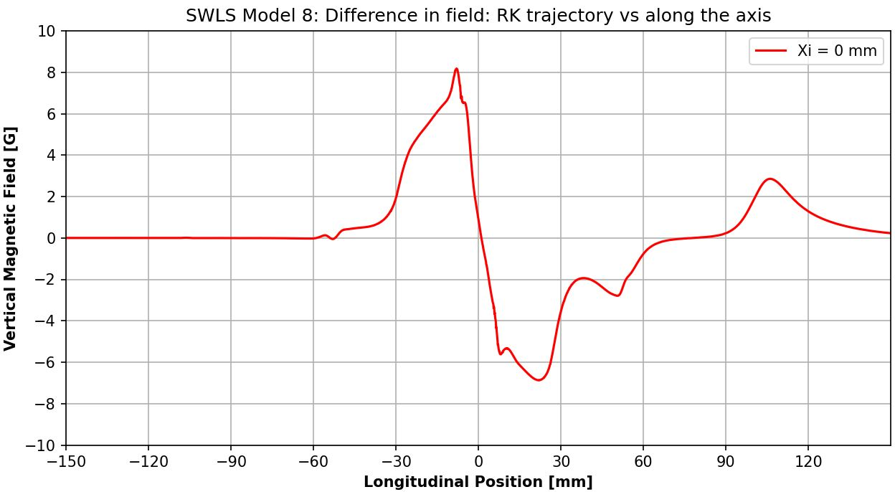

1 | Picos não-aleatórios: aparecem em regiões específicas do perfil
2 | Sentido das diferenças parece ser influenciado pelo sentido do campo/corrente
3 | Largura dos picos parece ser influenciada pelas curvas das bobinas/polos
4 | Deslocamento de alguns picos em função da posição inicial do feixe
1 | Picos/erros próximos de regiões de transição/superfície do polo/bobina
2 | Picos positivos/negativos se invertem ao passar de um polo para outro
3 | Modelos com diferentes "d" apresentam picos com aproximadamente o mesmo FWHM
4 | Campo menos homogêneo que na região central do eixo (onde campo é mais intenso)

Iop=228 A
 | Field roll-off (s = 0 mm) [%]
-10.0 | -0.606
-9.0 | -0.470
-8.0 | -0.355
-7.0 | -0.259
-6.0 | -0.180
-5.0 | -0.118
-4.0 | -0.071
-3.0 | -0.038
-2.0 | -0.017
-1.0 | -0.004
0.0 | 0.000
1.0 | -0.003
2.0 | -0.014
3.0 | -0.034
4.0 | -0.065
5.0 | -0.111
6.0 | -0.176
7.0 | -0.257
8.0 | -0.355
9.0 | -0.471
10.0 | -0.607
ANÁLISE DE INTEGRAIS E MULTIPOLOS DO SWLS NA TRAJETÓRIA - WAM |  |  | xi [mm] | Field homogeneity profile (z = 0 mm) [T] | Field roll-off (s = 0 mm) [%] | 1st Integral over Trajectory [T.m] | Final deflection (Δx') [μrad] | 2nd Integral over Trajectory [T.m²] | Final transversal displacement (Δxf) [μm] | Normalized residual dynamic normal multipoles
 |  |  | -10.0 | -6.2817 | -0.606 | -1.168E-03 | -116.709 | -6.987E-04 | -69.826 | 2.812
Dynamic Integrated Multipoles [T/m^(n-1)] |  |  | -9.0 | -6.2903 | -0.470 | -1.005E-03 | -100.478 | -6.012E-04 | -60.083 | 2.574
Order | Normal | Skew | -8.0 | -6.2976 | -0.355 | -8.451E-04 | -84.449 | -5.051E-04 | -50.476 | 2.310
0 | -4.857E-04 | 1.776E-13 | -7.0 | -6.3036 | -0.259 | -6.950E-04 | -69.455 | -4.153E-04 | -41.506 | 2.121
1 | -2.462E-01 | -1.155E-09 | -6.0 | -6.3086 | -0.180 | -5.582E-04 | -55.778 | -3.336E-04 | -33.338 | 1.812
2 | -3.215E+01 | -7.833E-07 | -5.0 | -6.3126 | -0.118 | -4.374E-04 | -43.713 | -2.615E-04 | -26.130 | 1.575
3 | 5.161E+04 | 1.725E-04 | -4.0 | -6.3155 | -0.071 | -3.353E-04 | -33.511 | -2.005E-04 | -20.033 | 1.418
4 | 6.335E+06 | 1.258E-01 | -3.0 | -6.3176 | -0.038 | -2.534E-04 | -25.321 | -1.514E-04 | -15.133 | 1.131
 | Normalized residual dynamic normal multipoles
-10.0 | 2.812
-9.0 | 2.574
-8.0 | 2.310
-7.0 | 2.121
-6.0 | 1.812
-5.0 | 1.575
-4.0 | 1.418
-3.0 | 1.131
-2.0 | 0.754
-1.0 | 0.647
0.0 | 1.000
1.0 | 1.461
2.0 | 1.448
3.0 | 0.835
4.0 | 0.117
5.0 | -0.269
6.0 | -0.587
7.0 | -1.167
8.0 | -1.413
9.0 | -1.767
10.0 | -2.026
5 | -3.147E+09 | -9.643E+00 | -2.0 | -6.3190 | -0.017 | -1.915E-04 | -19.135 | -1.143E-04 | -11.422 | 0.754
6 | -3.836E+11 | -7.587E+03 | -1.0 | -6.3198 | -0.004 | -1.501E-04 | -15.003 | -8.950E-05 | -8.944 | 0.647
7 | 9.591E+13 | 2.645E+05 | 0.0 | -6.3200 | 0.000 | -1.328E-04 | -13.273 | -7.925E-05 | -7.920 | 1.000
8 | 1.122E+16 | 2.225E+08 | 1.0 | -6.3198 | -0.003 | -1.413E-04 | -14.123 | -8.453E-05 | -8.447 | 1.461
9 | -1.521E+18 | -3.813E+09 | 2.0 | -6.3191 | -0.014 | -1.718E-04 | -17.166 | -1.029E-04 | -10.285 | 1.448
10 | -1.709E+20 | -3.395E+12 | 3.0 | -6.3179 | -0.034 | -2.201E-04 | -21.991 | -1.319E-04 | -13.184 | 0.835
11 | 1.196E+22 | 2.769E+13 | 4.0 | -6.3159 | -0.065 | -2.856E-04 | -28.544 | -1.713E-04 | -17.115 | 0.117
12 | 1.302E+24 | 2.586E+16 | 5.0 | -6.3130 | -0.111 | -3.666E-04 | -36.633 | -2.198E-04 | -21.964 | -0.269
13 | -3.682E+25 | -7.981E+16 | 6.0 | -6.3089 | -0.176 | -4.599E-04 | -45.963 | -2.758E-04 | -27.559 | -0.587
14 | -3.903E+27 | -7.751E+19 | 7.0 | -6.3038 | -0.257 | -5.644E-04 | -56.405 | -3.386E-04 | -33.835 | -1.167
 |  |  | 8.0 | -6.2976 | -0.355 | -6.781E-04 | -67.763 | -4.070E-04 | -40.669 | -1.413
Nominal Field Multipoles (z = 0 mm) [T/m^n] |  |  | 9.0 | -6.2903 | -0.471 | -7.949E-04 | -79.436 | -4.772E-04 | -47.684 | -1.767
Order | Normal | Skew | 10.0 | -6.2816 | -0.607 | -1.048E-03 | -104.718 | -6.290E-04 | -62.854 | -2.026
Δx' [μrad]
 | Final deflection (Δx') [μrad]
-10.0 | -116.709
-9.0 | -100.478
-8.0 | -84.449
-7.0 | -69.455
-6.0 | -55.778
-5.0 | -43.713
-4.0 | -33.511
-3.0 | -25.321
-2.0 | -19.135
-1.0 | -15.003
0.0 | -13.273
1.0 | -14.123
2.0 | -17.166
3.0 | -21.991
4.0 | -28.544
5.0 | -36.633
6.0 | -45.963
7.0 | -56.405
8.0 | -67.763
9.0 | -79.436
10.0 | -104.718
Δxf [μm]
 | Final transversal displacement (Δxf) [μm]
-10.0 | -69.826
-9.0 | -60.083
-8.0 | -50.476
-7.0 | -41.506
-6.0 | -33.338
-5.0 | -26.130
-4.0 | -20.033
-3.0 | -15.133
-2.0 | -11.422
-1.0 | -8.944
0.0 | -7.920
1.0 | -8.447
2.0 | -10.285
3.0 | -13.184
4.0 | -17.115
5.0 | -21.964
6.0 | -27.559
7.0 | -33.835
8.0 | -40.669
9.0 | -47.684
10.0 | -62.854
0 | -6.320E+00 | 8.954E-16
1 | -3.048E-02 | 3.758E-13
2 | 2.429E+02 | -2.617E-10
3 | -3.797E+03 | -6.373E-08
4 | 2.869E+05 | 1.612E-05
5 | 2.015E+08 | 3.872E-03
6 | 1.310E+11 | -2.827E-01
7 | -3.122E+12 | -1.057E+02
8 | -3.746E+15 | -2.446E+03
9 | 1.389E+16 | 1.402E+06
10 | 4.806E+19 | 1.267E+08
11 | 6.573E+19 | -8.751E+09
12 | -3.002E+23 | -1.325E+12
13 | -5.258E+23 | 2.026E+13
14 | 7.440E+26 | 4.478E+15

I=10 A
 | Field roll-off (s = 0 mm) [%]
-10.0 | -1.246
-9.0 | -0.997
-8.0 | -0.778
-7.0 | -0.588
-6.0 | -0.424
-5.0 | -0.289
-4.0 | -0.182
-3.0 | -0.101
-2.0 | -0.045
-1.0 | -0.012
0.0 | 0.000
1.0 | -0.010
2.0 | -0.041
3.0 | -0.096
4.0 | -0.178
5.0 | -0.288
6.0 | -0.427
7.0 | -0.593
8.0 | -0.783
9.0 | -1.002
10.0 | -1.249
ANÁLISE DE INTEGRAIS E MULTIPOLOS DO SWLS NA TRAJETÓRIA - WAM |  |  | xi [mm] | Field homogeneity profile (z = 0 mm) [T] | Field roll-off (s = 0 mm) [%] | 1st Integral over Trajectory [T.m] | Final deflection (Δx') [μrad] | 2nd Integral over Trajectory [T.m²] | Final transversal displacement (Δxf) [μm] | Normalized residual dynamic normal multipoles
 |  |  | -10.0 | -1.1590 | -1.246 | -1.931E-03 | -192.972 | -1.159E-03 | -115.789 | 1.153
Dynamic Integrated Multipoles [T/m^(n-1)] |  |  | -9.0 | -1.1619 | -0.997 | -1.995E-03 | -199.318 | -1.197E-03 | -119.597 | 1.150
Order | Normal | Skew | -8.0 | -1.1645 | -0.778 | -2.050E-03 | -204.863 | -1.230E-03 | -122.926 | 1.152
0 | -1.975E-03 | -2.662E-19 | -7.0 | -1.1667 | -0.588 | -2.100E-03 | -209.884 | -1.260E-03 | -125.939 | 1.137
1 | 1.080E-01 | 3.140E-16 | -6.0 | -1.1686 | -0.424 | -2.142E-03 | -214.029 | -1.285E-03 | -128.426 | 1.157
2 | -7.017E+01 | -4.686E-14 | -5.0 | -1.1702 | -0.289 | -2.173E-03 | -217.145 | -1.304E-03 | -130.292 | 1.136
3 | -1.549E+04 | -2.976E-11 | -4.0 | -1.1715 | -0.182 | -2.193E-03 | -219.127 | -1.316E-03 | -131.478 | 1.127
4 | 8.229E+06 | 5.528E-09 | -3.0 | -1.1724 | -0.101 | -2.203E-03 | -220.167 | -1.322E-03 | -132.099 | 1.153
 | Normalized residual dynamic normal multipoles
-10.0 | 1.153
-9.0 | 1.150
-8.0 | 1.152
-7.0 | 1.137
-6.0 | 1.157
-5.0 | 1.136
-4.0 | 1.127
-3.0 | 1.153
-2.0 | 1.149
-1.0 | 1.079
0.0 | 1.000
1.0 | 0.984
2.0 | 1.028
3.0 | 1.070
4.0 | 1.080
5.0 | 1.088
6.0 | 1.106
7.0 | 1.106
8.0 | 1.108
9.0 | 1.108
10.0 | 1.108
5 | 9.520E+08 | 1.648E-06 | -2.0 | -1.1731 | -0.045 | -2.208E-03 | -220.662 | -1.325E-03 | -132.392 | 1.149
6 | -4.495E+11 | -3.236E-04 | -1.0 | -1.1735 | -0.012 | -2.212E-03 | -221.039 | -1.327E-03 | -132.612 | 1.079
7 | -2.901E+13 | -4.627E-02 | 0.0 | -1.1736 | 0.000 | -2.214E-03 | -221.241 | -1.328E-03 | -132.729 | 1.000
8 | 1.263E+16 | 9.703E+00 | 1.0 | -1.1735 | -0.010 | -2.214E-03 | -221.219 | -1.328E-03 | -132.715 | 0.984
9 | 4.596E+17 | 6.770E+02 | 2.0 | -1.1731 | -0.041 | -2.212E-03 | -221.065 | -1.327E-03 | -132.620 | 1.028
10 | -1.887E+20 | -1.537E+05 | 3.0 | -1.1725 | -0.096 | -2.205E-03 | -220.394 | -1.323E-03 | -132.216 | 1.070
11 | -3.614E+21 | -4.916E+06 | 4.0 | -1.1715 | -0.178 | -2.190E-03 | -218.849 | -1.314E-03 | -131.293 | 1.080
12 | 1.419E+24 | 1.219E+09 | 5.0 | -1.1702 | -0.288 | -2.162E-03 | -216.047 | -1.297E-03 | -129.620 | 1.088
13 | 1.112E+25 | 1.398E+10 | 6.0 | -1.1686 | -0.427 | -2.122E-03 | -212.033 | -1.273E-03 | -127.223 | 1.106
14 | -4.221E+27 | -3.801E+12 | 7.0 | -1.1667 | -0.593 | -2.076E-03 | -207.494 | -1.246E-03 | -124.508 | 1.106
 |  |  | 8.0 | -1.1644 | -0.783 | -2.028E-03 | -202.704 | -1.217E-03 | -121.636 | 1.108
Nominal Field Multipoles (z = 0 mm) [T/m^n] |  |  | 9.0 | -1.1619 | -1.002 | -1.974E-03 | -197.264 | -1.185E-03 | -118.370 | 1.108
Order | Normal | Skew | 10.0 | -1.1589 | -1.249 | -1.921E-03 | -191.920 | -1.152E-03 | -115.156 | 1.108
Δx' [μrad]
 | Final deflection (Δx') [μrad]
-10.0 | -192.972
-9.0 | -199.318
-8.0 | -204.863
-7.0 | -209.884
-6.0 | -214.029
-5.0 | -217.145
-4.0 | -219.127
-3.0 | -220.167
-2.0 | -220.662
-1.0 | -221.039
0.0 | -221.241
1.0 | -221.219
2.0 | -221.065
3.0 | -220.394
4.0 | -218.849
5.0 | -216.047
6.0 | -212.033
7.0 | -207.494
8.0 | -202.704
9.0 | -197.264
10.0 | -191.920
Δxf [μm]
 | Final transversal displacement (Δxf) [μm]
-10.0 | -115.789
-9.0 | -119.597
-8.0 | -122.926
-7.0 | -125.939
-6.0 | -128.426
-5.0 | -130.292
-4.0 | -131.478
-3.0 | -132.099
-2.0 | -132.392
-1.0 | -132.612
0.0 | -132.729
1.0 | -132.715
2.0 | -132.620
3.0 | -132.216
4.0 | -131.293
5.0 | -129.620
6.0 | -127.223
7.0 | -124.508
8.0 | -121.636
9.0 | -118.370
10.0 | -115.156
0 | -1.174E+00 | 9.885E-20
1 | -1.160E-02 | -8.865E-15
2 | 1.248E+02 | -2.746E-13
3 | 3.243E+01 | 3.014E-09
4 | 4.156E+05 | 7.719E-08
5 | 3.607E+07 | -2.838E-04
6 | 6.948E+09 | -6.725E-03
7 | -1.156E+12 | 1.114E+01
8 | -3.746E+14 | 2.477E+02
9 | 1.479E+16 | -2.073E+05
10 | 5.787E+18 | -4.272E+06
11 | -8.522E+19 | 1.809E+09
12 | -3.982E+22 | 3.380E+10
13 | 1.797E+23 | -5.956E+12
14 | 1.046E+26 | -9.881E+13

I=50 A
 | Field roll-off (s = 0 mm) [%]
-10.0 | -1.360
-9.0 | -1.083
-8.0 | -0.845
-7.0 | -0.641
-6.0 | -0.468
-5.0 | -0.325
-4.0 | -0.209
-3.0 | -0.119
-2.0 | -0.054
-1.0 | -0.015
0.0 | 0.000
1.0 | -0.010
2.0 | -0.044
3.0 | -0.103
4.0 | -0.188
5.0 | -0.295
6.0 | -0.431
7.0 | -0.593
8.0 | -0.786
9.0 | -1.014
10.0 | -1.281
ANÁLISE DE INTEGRAIS E MULTIPOLOS DO SWLS NA TRAJETÓRIA - WAM |  |  | xi [mm] | Field homogeneity profile (z = 0 mm) [T] | Field roll-off (s = 0 mm) [%] | 1st Integral over Trajectory [T.m] | Final deflection (Δx') [μrad] | 2nd Integral over Trajectory [T.m²] | Final transversal displacement (Δxf) [μm] | Normalized residual dynamic normal multipoles
 |  |  | -10.0 | -2.5461 | -1.360 | 3.647E-02 | 3644.690 | 2.188E-02 | 2186.567 | 0.989
Dynamic Integrated Multipoles [T/m^(n-1)] |  |  | -9.0 | -2.5532 | -1.083 | 3.644E-02 | 3641.058 | 2.186E-02 | 2184.392 | 0.990
Order | Normal | Skew | -8.0 | -2.5594 | -0.845 | 3.640E-02 | 3637.481 | 2.184E-02 | 2182.261 | 0.990
0 | 3.652E-02 | -6.563E-19 | -7.0 | -2.5646 | -0.641 | 3.636E-02 | 3633.760 | 2.182E-02 | 2180.040 | 0.991
1 | 6.552E-02 | 9.236E-16 | -6.0 | -2.5691 | -0.468 | 3.633E-02 | 3630.570 | 2.180E-02 | 2178.142 | 0.991
2 | -6.437E+01 | -8.244E-14 | -5.0 | -2.5728 | -0.325 | 3.631E-02 | 3,628.775 | 2.179E-02 | 2,177.081 | 0.992
3 | -7.704E+03 | -9.629E-11 | -4.0 | -2.5758 | -0.209 | 3.631E-02 | 3,628.841 | 2.179E-02 | 2,177.132 | 0.993
4 | 7.670E+06 | 8.124E-09 | -3.0 | -2.5781 | -0.119 | 3.633E-02 | 3,630.138 | 2.179E-02 | 2,177.919 | 0.993
 | Normalized residual dynamic normal multipoles
-10.0 | 0.989
-9.0 | 0.990
-8.0 | 0.990
-7.0 | 0.991
-6.0 | 0.991
-5.0 | 0.992
-4.0 | 0.993
-3.0 | 0.993
-2.0 | 0.993
-1.0 | 0.997
0.0 | 1.000
1.0 | 1.000
2.0 | 0.998
3.0 | 0.997
4.0 | 0.997
5.0 | 0.997
6.0 | 0.997
7.0 | 0.998
8.0 | 0.999
9.0 | 1.000
10.0 | 1.000
5 | 4.677E+08 | 5.703E-06 | -2.0 | -2.5798 | -0.054 | 3.634E-02 | 3,631.565 | 2.180E-02 | 2,178.793 | 0.993
6 | -4.214E+11 | -4.396E-04 | -1.0 | -2.5808 | -0.015 | 3.635E-02 | 3,632.567 | 2.181E-02 | 2,179.422 | 0.997
7 | -1.393E+13 | -1.719E-01 | 0.0 | -2.5812 | 0.000 | 3.636E-02 | 3,633.023 | 2.181E-02 | 2,179.720 | 1.000
8 | 1.190E+16 | 1.234E+01 | 1.0 | -2.5809 | -0.010 | 3.635E-02 | 3,632.638 | 2.181E-02 | 2,179.511 | 1.000
9 | 2.170E+17 | 2.705E+03 | 2.0 | -2.5800 | -0.044 | 3.634E-02 | 3,631.403 | 2.180E-02 | 2,178.802 | 0.998
10 | -1.784E+20 | -1.844E+05 | 3.0 | -2.5785 | -0.103 | 3.633E-02 | 3,630.053 | 2.180E-02 | 2,178.025 | 0.997
11 | -1.688E+21 | -2.114E+07 | 4.0 | -2.5763 | -0.188 | 3.632E-02 | 3,629.855 | 2.179E-02 | 2,177.932 | 0.997
12 | 1.346E+24 | 1.392E+09 | 5.0 | -2.5736 | -0.295 | 3.634E-02 | 3,631.943 | 2.181E-02 | 2,179.198 | 0.997
13 | 5.158E+24 | 6.460E+10 | 6.0 | -2.5701 | -0.431 | 3.638E-02 | 3635.842 | 2.183E-02 | 2181.543 | 0.997
14 | -4.012E+27 | -4.163E+12 | 7.0 | -2.5659 | -0.593 | 3.642E-02 | 3639.865 | 2.185E-02 | 2183.971 | 0.998
 |  |  | 8.0 | -2.5609 | -0.786 | 3.646E-02 | 3643.573 | 2.188E-02 | 2186.226 | 0.999
Nominal Field Multipoles (z = 0 mm) [T/m^n] |  |  | 9.0 | -2.5550 | -1.014 | 3.650E-02 | 3647.303 | 2.190E-02 | 2188.518 | 1.000
Order | Normal | Skew | 10.0 | -2.5481 | -1.281 | 3.651E-02 | 3648.424 | 2.191E-02 | 2189.016 | 1.000
Δx' [μrad]
 | Final deflection (Δx') [μrad]
-10.0 | 3644.690
-9.0 | 3641.058
-8.0 | 3637.481
-7.0 | 3633.760
-6.0 | 3630.570
-5.0 | 3628.775
-4.0 | 3628.841
-3.0 | 3630.138
-2.0 | 3631.565
-1.0 | 3632.567
0.0 | 3633.023
1.0 | 3632.638
2.0 | 3631.403
3.0 | 3630.053
4.0 | 3629.855
5.0 | 3631.943
6.0 | 3635.842
7.0 | 3639.865
8.0 | 3643.573
9.0 | 3647.303
10.0 | 3648.424
Δxf [μm]
 | Final transversal displacement (Δxf) [μm]
-10.0 | 2186.567
-9.0 | 2184.392
-8.0 | 2182.261
-7.0 | 2180.040
-6.0 | 2178.142
-5.0 | 2177.081
-4.0 | 2177.132
-3.0 | 2177.919
-2.0 | 2178.793
-1.0 | 2179.422
0.0 | 2179.720
1.0 | 2179.511
2.0 | 2178.802
3.0 | 2178.025
4.0 | 2177.932
5.0 | 2179.198
6.0 | 2181.543
7.0 | 2183.971
8.0 | 2186.226
9.0 | 2188.518
10.0 | 2189.016
0 | -2.581E+00 | 2.378E-19
1 | -6.005E-02 | -1.947E-14
2 | 3.172E+02 | -6.282E-13
3 | -8.274E+02 | 6.620E-09
4 | 3.316E+05 | 1.744E-07
5 | 1.375E+07 | -6.234E-04
6 | -1.742E+10 | -1.512E-02
7 | -3.204E+11 | 2.447E+01
8 | 5.725E+14 | 5.554E+02
9 | 3.371E+15 | -4.553E+05
10 | -8.444E+18 | -9.571E+06
11 | -6.880E+18 | 3.973E+09
12 | 6.090E+22 | 7.575E+10
13 | -4.429E+22 | -1.308E+13
14 | -1.725E+26 | -2.218E+14

I=100 A
 | Field roll-off (s = 0 mm) [%]
-10.0 | -0.796
-9.0 | -0.612
-8.0 | -0.462
-7.0 | -0.344
-6.0 | -0.254
-5.0 | -0.188
-4.0 | -0.134
-3.0 | -0.087
-2.0 | -0.047
-1.0 | -0.018
0.0 | 0.000
1.0 | 0.003
2.0 | -0.011
3.0 | -0.041
4.0 | -0.089
5.0 | -0.153
6.0 | -0.236
7.0 | -0.338
8.0 | -0.461
9.0 | -0.611
10.0 | -0.792
ANÁLISE DE INTEGRAIS E MULTIPOLOS DO SWLS NA TRAJETÓRIA - WAM |  |  | xi [mm] | Field homogeneity profile (z = 0 mm) [T] | Field roll-off (s = 0 mm) [%] | 1st Integral over Trajectory [T.m] | Final deflection (Δx') [μrad] | 2nd Integral over Trajectory [T.m²] | Final transversal displacement (Δxf) [μm] | Normalized residual dynamic normal multipoles
 |  |  | -10.0 | -3.5690 | -0.796 | 3.633E-02 | 3630.521 | 2.179E-02 | 2177.834 | 0.989
Dynamic Integrated Multipoles [T/m^(n-1)] |  |  | -9.0 | -3.5756 | -0.612 | 3.635E-02 | 3632.359 | 2.180E-02 | 2178.918 | 0.990
Order | Normal | Skew | -8.0 | -3.5810 | -0.462 | 3.637E-02 | 3634.636 | 2.182E-02 | 2180.286 | 0.991
0 | 3.650E-02 | -8.259E-19 | -7.0 | -3.5853 | -0.344 | 3.640E-02 | 3637.039 | 2.183E-02 | 2181.727 | 0.992
1 | -2.419E-02 | 1.356E-15 | -6.0 | -3.5885 | -0.254 | 3.642E-02 | 3639.613 | 2.185E-02 | 2183.277 | 0.993
2 | -3.455E+01 | -1.249E-13 | -5.0 | -3.5909 | -0.188 | 3.645E-02 | 3,642.329 | 2.186E-02 | 2,184.915 | 0.994
3 | 8.667E+03 | -1.455E-10 | -4.0 | -3.5928 | -0.134 | 3.647E-02 | 3,644.930 | 2.188E-02 | 2,186.482 | 0.995
4 | 4.730E+06 | 1.158E-08 | -3.0 | -3.5945 | -0.087 | 3.649E-02 | 3,646.980 | 2.189E-02 | 2,187.720 | 0.996
 | Normalized residual dynamic normal multipoles
-10.0 | 0.989
-9.0 | 0.990
-8.0 | 0.991
-7.0 | 0.992
-6.0 | 0.993
-5.0 | 0.994
-4.0 | 0.995
-3.0 | 0.996
-2.0 | 0.998
-1.0 | 1.000
0.0 | 1.000
1.0 | 0.999
2.0 | 0.998
3.0 | 1.000
4.0 | 1.002
5.0 | 1.004
6.0 | 1.005
7.0 | 1.007
8.0 | 1.008
9.0 | 1.009
10.0 | 1.011
5 | -5.207E+08 | 8.775E-06 | -2.0 | -3.5959 | -0.047 | 3.651E-02 | 3,648.345 | 2.190E-02 | 2,188.562 | 0.998
6 | -2.673E+11 | -5.854E-04 | -1.0 | -3.5970 | -0.018 | 3.652E-02 | 3,649.261 | 2.191E-02 | 2,189.148 | 1.000
7 | 1.584E+13 | -2.692E-01 | 0.0 | -3.5976 | 0.000 | 3.652E-02 | 3,649.747 | 2.191E-02 | 2,189.478 | 1.000
8 | 7.611E+15 | 1.534E+01 | 1.0 | -3.5978 | 0.003 | 3.652E-02 | 3,649.407 | 2.191E-02 | 2,189.313 | 0.999
9 | -2.516E+17 | 4.310E+03 | 2.0 | -3.5973 | -0.011 | 3.651E-02 | 3,648.234 | 2.190E-02 | 2,188.660 | 0.998
10 | -1.145E+20 | -2.143E+05 | 3.0 | -3.5962 | -0.041 | 3.649E-02 | 3,646.598 | 2.189E-02 | 2,187.733 | 1.000
11 | 1.984E+21 | -3.420E+07 | 4.0 | -3.5944 | -0.089 | 3.648E-02 | 3,644.991 | 2.188E-02 | 2,186.813 | 1.002
12 | 8.652E+23 | 1.517E+09 | 5.0 | -3.5921 | -0.153 | 3.646E-02 | 3,643.943 | 2.188E-02 | 2,186.213 | 1.004
13 | -6.118E+24 | 1.059E+11 | 6.0 | -3.5892 | -0.236 | 3.646E-02 | 3643.133 | 2.187E-02 | 2185.748 | 1.005
14 | -2.582E+27 | -4.284E+12 | 7.0 | -3.5855 | -0.338 | 3.644E-02 | 3641.791 | 2.186E-02 | 2184.973 | 1.007
 |  |  | 8.0 | -3.5811 | -0.461 | 3.643E-02 | 3640.274 | 2.186E-02 | 2184.110 | 1.008
Nominal Field Multipoles (z = 0 mm) [T/m^n] |  |  | 9.0 | -3.5757 | -0.611 | 3.642E-02 | 3639.096 | 2.185E-02 | 2183.479 | 1.009
Order | Normal | Skew | 10.0 | -3.5692 | -0.792 | 3.637E-02 | 3634.282 | 2.182E-02 | 2180.307 | 1.011
Δx' [μrad]
 | Final deflection (Δx') [μrad]
-10.0 | 3630.521
-9.0 | 3632.359
-8.0 | 3634.636
-7.0 | 3637.039
-6.0 | 3639.613
-5.0 | 3642.329
-4.0 | 3644.930
-3.0 | 3646.980
-2.0 | 3648.345
-1.0 | 3649.261
0.0 | 3649.747
1.0 | 3649.407
2.0 | 3648.234
3.0 | 3646.598
4.0 | 3644.991
5.0 | 3643.943
6.0 | 3643.133
7.0 | 3641.791
8.0 | 3640.274
9.0 | 3639.096
10.0 | 3634.282
Δxf [μm]
 | Final transversal displacement (Δxf) [μm]
-10.0 | 2177.834
-9.0 | 2178.918
-8.0 | 2180.286
-7.0 | 2181.727
-6.0 | 2183.277
-5.0 | 2184.915
-4.0 | 2186.482
-3.0 | 2187.720
-2.0 | 2188.562
-1.0 | 2189.148
0.0 | 2189.478
1.0 | 2189.313
2.0 | 2188.660
3.0 | 2187.733
4.0 | 2186.813
5.0 | 2186.213
6.0 | 2185.748
7.0 | 2184.973
8.0 | 2184.110
9.0 | 2183.479
10.0 | 2180.307
0 | -3.598E+00 | 2.570E-19
1 | -3.745E-01 | -2.726E-14
2 | 2.637E+02 | -7.879E-13
3 | 1.054E+04 | 9.269E-09
4 | -4.892E+05 | 2.267E-07
5 | 1.086E+08 | -8.731E-04
6 | -4.772E+10 | -1.994E-02
7 | -7.490E+12 | 3.429E+01
8 | 2.364E+15 | 7.378E+02
9 | 1.104E+17 | -6.381E+05
10 | -3.855E+19 | -1.275E+07
11 | -6.972E+20 | 5.570E+09
12 | 2.833E+23 | 1.009E+11
13 | 1.651E+24 | -1.834E+13
14 | -7.944E+26 | -2.946E+14

I=200 A
 | Field roll-off (s = 0 mm) [%]
-10.0 | -0.633
-9.0 | -0.491
-8.0 | -0.372
-7.0 | -0.272
-6.0 | -0.189
-5.0 | -0.123
-4.0 | -0.073
-3.0 | -0.039
-2.0 | -0.017
-1.0 | -0.005
0.0 | 0.000
1.0 | -0.002
2.0 | -0.013
3.0 | -0.034
4.0 | -0.068
5.0 | -0.120
6.0 | -0.191
7.0 | -0.278
8.0 | -0.379
9.0 | -0.499
10.0 | -0.641
ANÁLISE DE INTEGRAIS E MULTIPOLOS DO SWLS NA TRAJETÓRIA - WAM |  |  | xi [mm] | Field homogeneity profile (z = 0 mm) [T] | Field roll-off (s = 0 mm) [%] | 1st Integral over Trajectory [T.m] | Final deflection (Δx') [μrad] | 2nd Integral over Trajectory [T.m²] | Final transversal displacement (Δxf) [μm] | Normalized residual dynamic normal multipoles
 |  |  | -10.0 | -5.6825 | -0.633 | 8.012E-03 | 800.641 | 4.808E-03 | 480.431 | 0.932
Dynamic Integrated Multipoles [T/m^(n-1)] |  |  | -9.0 | -5.6906 | -0.491 | 8.130E-03 | 812.390 | 4.878E-03 | 487.449 | 0.943
Order | Normal | Skew | -8.0 | -5.6974 | -0.372 | 8.245E-03 | 823.973 | 4.947E-03 | 494.392 | 0.955
0 | 8.400E-03 | -6.842E-19 | -7.0 | -5.7031 | -0.272 | 8.355E-03 | 834.961 | 5.013E-03 | 500.973 | 0.963
1 | -1.928E-01 | 2.059E-15 | -6.0 | -5.7078 | -0.189 | 8.458E-03 | 845.251 | 5.075E-03 | 507.139 | 0.980
2 | 3.730E+01 | -3.582E-13 | -5.0 | -5.7116 | -0.123 | 8.552E-03 | 854.583 | 5.131E-03 | 512.733 | 0.988
3 | 4.019E+04 | -2.259E-10 | -4.0 | -5.7145 | -0.073 | 8.633E-03 | 862.665 | 5.179E-03 | 517.573 | 0.995
4 | -3.215E+06 | 3.810E-08 | -3.0 | -5.7164 | -0.039 | 8.697E-03 | 869.104 | 5.218E-03 | 521.427 | 1.013
 | Normalized residual dynamic normal multipoles
-10.0 | 0.932
-9.0 | 0.943
-8.0 | 0.955
-7.0 | 0.963
-6.0 | 0.980
-5.0 | 0.988
-4.0 | 0.995
-3.0 | 1.013
-2.0 | 1.029
-1.0 | 1.023
0.0 | 1.000
1.0 | 0.986
2.0 | 0.997
3.0 | 1.026
4.0 | 1.054
5.0 | 1.071
6.0 | 1.090
7.0 | 1.113
8.0 | 1.126
9.0 | 1.142
10.0 | 1.154
5 | -2.445E+09 | 1.405E-05 | -2.0 | -5.7177 | -0.017 | 8.744E-03 | 873.781 | 5.246E-03 | 524.238 | 1.029
6 | 1.604E+11 | -1.951E-03 | -1.0 | -5.7184 | -0.005 | 8.775E-03 | 876.905 | 5.265E-03 | 526.129 | 1.023
7 | 7.450E+13 | -4.459E-01 | 0.0 | -5.7187 | 0.000 | 8.791E-03 | 878.470 | 5.274E-03 | 527.081 | 1.000
8 | -4.332E+15 | 5.060E+01 | 1.0 | -5.7185 | -0.002 | 8.786E-03 | 877.981 | 5.272E-03 | 526.802 | 0.986
9 | -1.182E+18 | 7.359E+03 | 2.0 | -5.7179 | -0.013 | 8.762E-03 | 875.579 | 5.258E-03 | 525.389 | 0.997
10 | 6.323E+19 | -6.931E+05 | 3.0 | -5.7167 | -0.034 | 8.723E-03 | 871.723 | 5.235E-03 | 523.105 | 1.026
11 | 9.300E+21 | -5.991E+07 | 4.0 | -5.7148 | -0.068 | 8.674E-03 | 866.797 | 5.205E-03 | 520.169 | 1.054
12 | -4.687E+23 | 4.789E+09 | 5.0 | -5.7118 | -0.120 | 8.619E-03 | 861.324 | 5.172E-03 | 516.887 | 1.071
13 | -2.863E+25 | 1.895E+11 | 6.0 | -5.7077 | -0.191 | 8.557E-03 | 855.079 | 5.135E-03 | 513.135 | 1.090
14 | 1.380E+27 | -1.316E+13 | 7.0 | -5.7028 | -0.278 | 8.483E-03 | 847.679 | 5.090E-03 | 508.698 | 1.113
 |  |  | 8.0 | -5.6970 | -0.379 | 8.404E-03 | 839.804 | 5.043E-03 | 503.987 | 1.126
Nominal Field Multipoles (z = 0 mm) [T/m^n] |  |  | 9.0 | -5.6901 | -0.499 | 8.327E-03 | 832.112 | 4.997E-03 | 499.403 | 1.142
Order | Normal | Skew | 10.0 | -5.6820 | -0.641 | 8.138E-03 | 813.262 | 4.884E-03 | 488.014 | 1.154
Δx' [μrad]
 | Final deflection (Δx') [μrad]
-10.0 | 800.641
-9.0 | 812.390
-8.0 | 823.973
-7.0 | 834.961
-6.0 | 845.251
-5.0 | 854.583
-4.0 | 862.665
-3.0 | 869.104
-2.0 | 873.781
-1.0 | 876.905
0.0 | 878.470
1.0 | 877.981
2.0 | 875.579
3.0 | 871.723
4.0 | 866.797
5.0 | 861.324
6.0 | 855.079
7.0 | 847.679
8.0 | 839.804
9.0 | 832.112
10.0 | 813.262
Δxf [μm]
 | Final transversal displacement (Δxf) [μm]
-10.0 | 480.431
-9.0 | 487.449
-8.0 | 494.392
-7.0 | 500.973
-6.0 | 507.139
-5.0 | 512.733
-4.0 | 517.573
-3.0 | 521.427
-2.0 | 524.238
-1.0 | 526.129
0.0 | 527.081
1.0 | 526.802
2.0 | 525.389
3.0 | 523.105
4.0 | 520.169
5.0 | 516.887
6.0 | 513.135
7.0 | 508.698
8.0 | 503.987
9.0 | 499.403
10.0 | 488.014
0 | -5.719E+00 | 3.512E-19
1 | -6.543E-02 | -4.339E-14
2 | 2.081E+02 | -1.185E-12
3 | 4.023E+02 | 1.476E-08
4 | 1.923E+06 | 3.476E-07
5 | 1.283E+08 | -1.390E-03
6 | 1.074E+11 | -3.082E-02
7 | -3.184E+12 | 5.460E+01
8 | -4.220E+15 | 1.145E+03
9 | 2.589E+16 | -1.016E+06
10 | 6.329E+19 | -1.981E+07
11 | -3.748E+19 | 8.873E+09
12 | -4.404E+23 | 1.567E+11
13 | -2.648E+23 | -2.922E+13
14 | 1.185E+27 | -4.569E+14

I=228 A
 | Field roll-off (s = 0 mm) [%]
-10.0 | -0.604
-9.0 | -0.468
-8.0 | -0.355
-7.0 | -0.259
-6.0 | -0.180
-5.0 | -0.116
-4.0 | -0.069
-3.0 | -0.036
-2.0 | -0.016
-1.0 | -0.004
0.0 | 0.000
1.0 | -0.003
2.0 | -0.013
3.0 | -0.033
4.0 | -0.066
5.0 | -0.115
6.0 | -0.183
7.0 | -0.266
8.0 | -0.363
9.0 | -0.477
10.0 | -0.614
ANÁLISE DE INTEGRAIS E MULTIPOLOS DO SWLS NA TRAJETÓRIA - WAM |  |  | xi [mm] | Field homogeneity profile (z = 0 mm) [T] | Field roll-off (s = 0 mm) [%] | 1st Integral over Trajectory [T.m] | Final deflection (Δx') [μrad] | 2nd Integral over Trajectory [T.m²] | Final transversal displacement (Δxf) [μm] | Normalized residual dynamic normal multipoles
 |  |  | -10.0 | -6.2820 | -0.604 | -1.164E-03 | -116.345 | -6.958E-04 | -69.534 | 2.937
Dynamic Integrated Multipoles [T/m^(n-1)] |  |  | -9.0 | -6.2906 | -0.468 | -1.002E-03 | -100.122 | -5.985E-04 | -59.810 | 2.690
Order | Normal | Skew | -8.0 | -6.2978 | -0.355 | -8.418E-04 | -84.126 | -5.027E-04 | -50.236 | 2.419
0 | -4.903E-04 | -7.615E-19 | -7.0 | -6.3038 | -0.259 | -6.918E-04 | -69.132 | -4.130E-04 | -41.268 | 2.217
1 | -2.327E-01 | 1.835E-15 | -6.0 | -6.3088 | -0.180 | -5.532E-04 | -55.285 | -3.301E-04 | -32.984 | 1.906
2 | -3.597E+01 | -1.164E-13 | -5.0 | -6.3128 | -0.116 | -4.294E-04 | -42.906 | -2.559E-04 | -25.577 | 1.656
3 | 5.020E+04 | -2.056E-10 | -4.0 | -6.3158 | -0.069 | -3.233E-04 | -32.307 | -1.926E-04 | -19.242 | 1.487
4 | 6.714E+06 | 7.066E-09 | -3.0 | -6.3179 | -0.036 | -2.390E-04 | -23.884 | -1.422E-04 | -14.214 | 1.198
 | Normalized residual dynamic normal multipoles
-10.0 | 2.937
-9.0 | 2.690
-8.0 | 2.419
-7.0 | 2.217
-6.0 | 1.906
-5.0 | 1.656
-4.0 | 1.487
-3.0 | 1.198
-2.0 | 0.814
-1.0 | 0.682
0.0 | 1.000
1.0 | 1.439
2.0 | 1.428
3.0 | 0.828
4.0 | 0.118
5.0 | -0.269
6.0 | -0.587
7.0 | -1.162
8.0 | -1.402
9.0 | -1.746
10.0 | -2.003
5 | -3.060E+09 | 1.299E-05 | -2.0 | -6.3192 | -0.016 | -1.778E-04 | -17.764 | -1.056E-04 | -10.553 | 0.814
6 | -4.030E+11 | -1.811E-04 | -1.0 | -6.3199 | -0.004 | -1.375E-04 | -13.737 | -8.141E-05 | -8.136 | 0.682
7 | 9.326E+13 | -4.199E-01 | 0.0 | -6.3202 | 0.000 | -1.180E-04 | -11.796 | -6.981E-05 | -6.976 | 1.000
8 | 1.175E+16 | -7.988E-01 | 1.0 | -6.3200 | -0.003 | -1.246E-04 | -12.449 | -7.378E-05 | -7.373 | 1.439
9 | -1.479E+18 | 7.046E+03 | 2.0 | -6.3193 | -0.013 | -1.554E-04 | -15.524 | -9.214E-05 | -9.208 | 1.428
10 | -1.788E+20 | 9.638E+04 | 3.0 | -6.3181 | -0.033 | -2.057E-04 | -20.551 | -1.222E-04 | -12.213 | 0.828
11 | 1.164E+22 | -5.813E+07 | 4.0 | -6.3160 | -0.066 | -2.719E-04 | -27.167 | -1.619E-04 | -16.182 | 0.118
12 | 1.361E+24 | -1.293E+09 | 5.0 | -6.3129 | -0.115 | -3.485E-04 | -34.828 | -2.081E-04 | -20.796 | -0.269
13 | -3.583E+25 | 1.858E+11 | 6.0 | -6.3086 | -0.183 | -4.377E-04 | -43.741 | -2.619E-04 | -26.170 | -0.587
14 | -4.079E+27 | 5.297E+12 | 7.0 | -6.3034 | -0.266 | -5.423E-04 | -54.195 | -3.248E-04 | -32.461 | -1.162
 |  |  | 8.0 | -6.2972 | -0.363 | -6.548E-04 | -65.436 | -3.924E-04 | -39.214 | -1.402
Nominal Field Multipoles (z = 0 mm) [T/m^n] |  |  | 9.0 | -6.2900 | -0.477 | -7.678E-04 | -76.730 | -4.602E-04 | -45.984 | -1.746
Order | Normal | Skew | 10.0 | -6.2814 | -0.614 | -1.019E-03 | -101.824 | -6.107E-04 | -61.024 | -2.003
Δx' [μrad]
 | Final deflection (Δx') [μrad]
-10.0 | -116.345
-9.0 | -100.122
-8.0 | -84.126
-7.0 | -69.132
-6.0 | -55.285
-5.0 | -42.906
-4.0 | -32.307
-3.0 | -23.884
-2.0 | -17.764
-1.0 | -13.737
0.0 | -11.796
1.0 | -12.449
2.0 | -15.524
3.0 | -20.551
4.0 | -27.167
5.0 | -34.828
6.0 | -43.741
7.0 | -54.195
8.0 | -65.436
9.0 | -76.730
10.0 | -101.824
Δxf [μm]
 | Final transversal displacement (Δxf) [μm]
-10.0 | -69.534
-9.0 | -59.810
-8.0 | -50.236
-7.0 | -41.268
-6.0 | -32.984
-5.0 | -25.577
-4.0 | -19.242
-3.0 | -14.214
-2.0 | -10.553
-1.0 | -8.136
0.0 | -6.976
1.0 | -7.373
2.0 | -9.208
3.0 | -12.213
4.0 | -16.182
5.0 | -20.796
6.0 | -26.170
7.0 | -32.461
8.0 | -39.214
9.0 | -45.984
10.0 | -61.024
0 | -6.320E+00 | 3.786E-19
1 | -4.442E-02 | -4.797E-14
2 | 2.172E+02 | -1.298E-12
3 | -2.489E+02 | 1.631E-08
4 | 1.997E+06 | 3.820E-07
5 | 1.327E+08 | -1.537E-03
6 | 1.227E+11 | -3.392E-02
7 | -2.979E+12 | 6.036E+01
8 | -4.769E+15 | 1.260E+03
9 | 2.109E+16 | -1.124E+06
10 | 7.143E+19 | -2.182E+07
11 | 3.103E+18 | 9.809E+09
12 | -4.972E+23 | 1.726E+11
13 | -3.890E+23 | -3.230E+13
14 | 1.338E+27 | -5.031E+14

I=250 A
 | Field roll-off (s = 0 mm) [%]
-10.0 | -0.587
-9.0 | -0.455
-8.0 | -0.344
-7.0 | -0.252
-6.0 | -0.174
-5.0 | -0.112
-4.0 | -0.066
-3.0 | -0.035
-2.0 | -0.015
-1.0 | -0.004
0.0 | 0.000
1.0 | -0.003
2.0 | -0.013
3.0 | -0.032
4.0 | -0.064
5.0 | -0.112
6.0 | -0.178
7.0 | -0.258
8.0 | -0.353
9.0 | -0.464
10.0 | -0.597
ANÁLISE DE INTEGRAIS E MULTIPOLOS DO SWLS NA TRAJETÓRIA - WAM |  |  | xi [mm] | Field homogeneity profile (z = 0 mm) [T] | Field roll-off (s = 0 mm) [%] | 1st Integral over Trajectory [T.m] | Final deflection (Δx') [μrad] | 2nd Integral over Trajectory [T.m²] | Final transversal displacement (Δxf) [μm] | Normalized residual dynamic normal multipoles
 |  |  | -10.0 | -6.7567 | -0.587 | -8.560E-03 | -855.400 | -5.133E-03 | -512.933 | 1.135
Dynamic Integrated Multipoles [T/m^(n-1)] |  |  | -9.0 | -6.7657 | -0.455 | -8.367E-03 | -836.133 | -5.016E-03 | -501.267 | 1.117
Order | Normal | Skew | -8.0 | -6.7732 | -0.344 | -8.169E-03 | -816.316 | -4.898E-03 | -489.418 | 1.097
0 | -7.755E-03 | -1.518E-18 | -7.0 | -6.7795 | -0.252 | -7.984E-03 | -797.860 | -4.787E-03 | -478.388 | 1.083
1 | -2.971E-01 | 2.969E-15 | -6.0 | -6.7847 | -0.174 | -7.815E-03 | -780.932 | -4.686E-03 | -468.271 | 1.060
2 | -3.508E+01 | -2.683E-13 | -5.0 | -6.7889 | -0.112 | -7.664E-03 | -765.896 | -4.596E-03 | -459.285 | 1.042
3 | 6.200E+04 | -3.309E-10 | -4.0 | -6.7921 | -0.066 | -7.536E-03 | -753.087 | -4.519E-03 | -451.637 | 1.030
4 | 7.107E+06 | 2.254E-08 | -3.0 | -6.7942 | -0.035 | -7.434E-03 | -742.907 | -4.459E-03 | -445.569 | 1.008
 | Normalized residual dynamic normal multipoles
-10.0 | 1.135
-9.0 | 1.117
-8.0 | 1.097
-7.0 | 1.083
-6.0 | 1.060
-5.0 | 1.042
-4.0 | 1.030
-3.0 | 1.008
-2.0 | 0.980
-1.0 | 0.973
0.0 | 1.000
1.0 | 1.034
2.0 | 1.033
3.0 | 0.987
4.0 | 0.934
5.0 | 0.905
6.0 | 0.881
7.0 | 0.838
8.0 | 0.821
9.0 | 0.795
10.0 | 0.776
5 | -3.782E+09 | 2.077E-05 | -2.0 | -6.7956 | -0.015 | -7.360E-03 | -735.486 | -4.414E-03 | -441.142 | 0.980
6 | -4.320E+11 | -9.711E-04 | -1.0 | -6.7963 | -0.004 | -7.311E-03 | -730.632 | -4.385E-03 | -438.241 | 0.973
7 | 1.153E+14 | -6.632E-01 | 0.0 | -6.7966 | 0.000 | -7.288E-03 | -728.330 | -4.372E-03 | -436.879 | 1.000
8 | 1.265E+16 | 2.002E+01 | 1.0 | -6.7964 | -0.003 | -7.296E-03 | -729.088 | -4.377E-03 | -437.354 | 1.034
9 | -1.829E+18 | 1.099E+04 | 2.0 | -6.7957 | -0.013 | -7.332E-03 | -732.706 | -4.398E-03 | -439.530 | 1.033
10 | -1.930E+20 | -1.964E+05 | 3.0 | -6.7944 | -0.032 | -7.392E-03 | -738.718 | -4.434E-03 | -443.141 | 0.987
11 | 1.439E+22 | -8.969E+07 | 4.0 | -6.7922 | -0.064 | -7.473E-03 | -746.760 | -4.483E-03 | -447.982 | 0.934
12 | 1.471E+24 | 7.922E+08 | 5.0 | -6.7889 | -0.112 | -7.568E-03 | -756.250 | -4.540E-03 | -453.709 | 0.905
13 | -4.429E+25 | 2.843E+11 | 6.0 | -6.7845 | -0.178 | -7.679E-03 | -767.390 | -4.608E-03 | -460.437 | 0.881
14 | -4.412E+27 | -6.181E+11 | 7.0 | -6.7790 | -0.258 | -7.809E-03 | -780.398 | -4.686E-03 | -468.278 | 0.838
 |  |  | 8.0 | -6.7726 | -0.353 | -7.950E-03 | -794.473 | -4.771E-03 | -476.749 | 0.821
Nominal Field Multipoles (z = 0 mm) [T/m^n] |  |  | 9.0 | -6.7650 | -0.464 | -8.094E-03 | -808.815 | -4.857E-03 | -485.368 | 0.795
Order | Normal | Skew | 10.0 | -6.7560 | -0.597 | -8.391E-03 | -838.565 | -5.035E-03 | -503.193 | 0.776
Δx' [μrad]
 | Final deflection (Δx') [μrad]
-10.0 | -855.400
-9.0 | -836.133
-8.0 | -816.316
-7.0 | -797.860
-6.0 | -780.932
-5.0 | -765.896
-4.0 | -753.087
-3.0 | -742.907
-2.0 | -735.486
-1.0 | -730.632
0.0 | -728.330
1.0 | -729.088
2.0 | -732.706
3.0 | -738.718
4.0 | -746.760
5.0 | -756.250
6.0 | -767.390
7.0 | -780.398
8.0 | -794.473
9.0 | -808.815
10.0 | -838.565
Δxf [μm]
 | Final transversal displacement (Δxf) [μm]
-10.0 | -512.933
-9.0 | -501.267
-8.0 | -489.418
-7.0 | -478.388
-6.0 | -468.271
-5.0 | -459.285
-4.0 | -451.637
-3.0 | -445.569
-2.0 | -441.142
-1.0 | -438.241
0.0 | -436.879
1.0 | -437.354
2.0 | -439.530
3.0 | -443.141
4.0 | -447.982
5.0 | -453.709
6.0 | -460.437
7.0 | -468.278
8.0 | -476.749
9.0 | -485.368
10.0 | -503.193
0 | -6.797E+00 | 4.009E-19
1 | -2.792E-02 | -5.159E-14
2 | 2.254E+02 | -1.389E-12
3 | -6.934E+02 | 1.755E-08
4 | 2.039E+06 | 4.094E-07
5 | 1.313E+08 | -1.653E-03
6 | 1.358E+11 | -3.638E-02
7 | -2.678E+12 | 6.492E+01
8 | -5.229E+15 | 1.352E+03
9 | 1.537E+16 | -1.208E+06
10 | 7.823E+19 | -2.341E+07
11 | 4.811E+19 | 1.055E+10
12 | -5.446E+23 | 1.852E+11
13 | -5.215E+23 | -3.475E+13
14 | 1.467E+27 | -5.398E+14

I=300 A
 | Field roll-off (s = 0 mm) [%]
-10.0 | -0.557
-9.0 | -0.432
-8.0 | -0.326
-7.0 | -0.238
-6.0 | -0.165
-5.0 | -0.105
-4.0 | -0.061
-3.0 | -0.032
-2.0 | -0.013
-1.0 | -0.003
0.0 | 0.000
1.0 | -0.003
2.0 | -0.013
3.0 | -0.031
4.0 | -0.062
5.0 | -0.107
6.0 | -0.170
7.0 | -0.246
8.0 | -0.336
9.0 | -0.442
10.0 | -0.569
ANÁLISE DE INTEGRAIS E MULTIPOLOS DO SWLS NA TRAJETÓRIA - WAM |  |  | xi [mm] | Field homogeneity profile (z = 0 mm) [T] | Field roll-off (s = 0 mm) [%] | 1st Integral over Trajectory [T.m] | Final deflection (Δx') [μrad] | 2nd Integral over Trajectory [T.m²] | Final transversal displacement (Δxf) [μm] | Normalized residual dynamic normal multipoles
 |  |  | -10.0 | -7.8502 | -0.557 | -2.603E-02 | -2600.799 | -1.561E-02 | -1560.089 | 1.049
Dynamic Integrated Multipoles [T/m^(n-1)] |  |  | -9.0 | -7.8602 | -0.432 | -2.577E-02 | -2575.703 | -1.546E-02 | -1544.560 | 1.042
Order | Normal | Skew | -8.0 | -7.8685 | -0.326 | -2.549E-02 | -2547.154 | -1.529E-02 | -1527.528 | 1.034
0 | -2.497E-02 | -1.596E-19 | -7.0 | -7.8754 | -0.238 | -2.523E-02 | -2520.780 | -1.513E-02 | -1511.798 | 1.029
1 | -4.536E-01 | 2.637E-15 | -6.0 | -7.8812 | -0.165 | -2.499E-02 | -2496.798 | -1.499E-02 | -1497.497 | 1.018
2 | -1.005E+01 | -4.695E-13 | -5.0 | -7.8859 | -0.105 | -2.477E-02 | -2,475.658 | -1.486E-02 | -1,484.896 | 1.012
3 | 9.048E+04 | -3.119E-10 | -4.0 | -7.8894 | -0.061 | -2.459E-02 | -2,457.751 | -1.475E-02 | -1,474.236 | 1.007
4 | 5.080E+06 | 4.719E-08 | -3.0 | -7.8917 | -0.032 | -2.445E-02 | -2,443.500 | -1.467E-02 | -1,465.768 | 0.997
 | Normalized residual dynamic normal multipoles
-10.0 | 1.049
-9.0 | 1.042
-8.0 | 1.034
-7.0 | 1.029
-6.0 | 1.018
-5.0 | 1.012
-4.0 | 1.007
-3.0 | 0.997
-2.0 | 0.986
-1.0 | 0.985
0.0 | 1.000
1.0 | 1.015
2.0 | 1.013
3.0 | 0.992
4.0 | 0.970
5.0 | 0.958
6.0 | 0.947
7.0 | 0.929
8.0 | 0.922
9.0 | 0.911
10.0 | 0.903
5 | -5.522E+09 | 2.019E-05 | -2.0 | -7.8932 | -0.013 | -2.435E-02 | -2,433.046 | -1.461E-02 | -1,459.566 | 0.986
6 | -3.345E+11 | -2.245E-03 | -1.0 | -7.8940 | -0.003 | -2.428E-02 | -2,426.235 | -1.457E-02 | -1,455.535 | 0.985
7 | 1.684E+14 | -6.612E-01 | 0.0 | -7.8942 | 0.000 | -2.425E-02 | -2,423.035 | -1.455E-02 | -1,453.676 | 1.000
8 | 1.007E+16 | 5.311E+01 | 1.0 | -7.8940 | -0.003 | -2.426E-02 | -2,423.952 | -1.455E-02 | -1,454.291 | 1.015
9 | -2.671E+18 | 1.116E+04 | 2.0 | -7.8932 | -0.013 | -2.430E-02 | -2,428.713 | -1.458E-02 | -1,457.201 | 1.013
10 | -1.557E+20 | -6.512E+05 | 3.0 | -7.8918 | -0.031 | -2.439E-02 | -2,436.859 | -1.463E-02 | -1,462.137 | 0.992
11 | 2.102E+22 | -9.240E+07 | 4.0 | -7.8893 | -0.062 | -2.450E-02 | -2,448.016 | -1.470E-02 | -1,468.889 | 0.970
12 | 1.196E+24 | 3.955E+09 | 5.0 | -7.8858 | -0.107 | -2.463E-02 | -2,461.491 | -1.478E-02 | -1,477.053 | 0.958
13 | -6.469E+25 | 2.959E+11 | 6.0 | -7.8808 | -0.170 | -2.479E-02 | -2477.488 | -1.488E-02 | -1486.744 | 0.947
14 | -3.608E+27 | -9.378E+12 | 7.0 | -7.8748 | -0.246 | -2.498E-02 | -2496.065 | -1.499E-02 | -1497.976 | 0.929
 |  |  | 8.0 | -7.8677 | -0.336 | -2.518E-02 | -2516.316 | -1.511E-02 | -1510.202 | 0.922
Nominal Field Multipoles (z = 0 mm) [T/m^n] |  |  | 9.0 | -7.8593 | -0.442 | -2.539E-02 | -2537.283 | -1.524E-02 | -1522.849 | 0.911
Order | Normal | Skew | 10.0 | -7.8493 | -0.569 | -2.579E-02 | -2577.540 | -1.548E-02 | -1546.954 | 0.903
Δx' [μrad]
 | Final deflection (Δx') [μrad]
-10.0 | -2600.799
-9.0 | -2575.703
-8.0 | -2547.154
-7.0 | -2520.780
-6.0 | -2496.798
-5.0 | -2475.658
-4.0 | -2457.751
-3.0 | -2443.500
-2.0 | -2433.046
-1.0 | -2426.235
0.0 | -2423.035
1.0 | -2423.952
2.0 | -2428.713
3.0 | -2436.859
4.0 | -2448.016
5.0 | -2461.491
6.0 | -2477.488
7.0 | -2496.065
8.0 | -2516.316
9.0 | -2537.283
10.0 | -2577.540
Δxf [μm]
 | Final transversal displacement (Δxf) [μm]
-10.0 | -1560.089
-9.0 | -1544.560
-8.0 | -1527.528
-7.0 | -1511.798
-6.0 | -1497.497
-5.0 | -1484.896
-4.0 | -1474.236
-3.0 | -1465.768
-2.0 | -1459.566
-1.0 | -1455.535
0.0 | -1453.676
1.0 | -1454.291
2.0 | -1457.201
3.0 | -1462.137
4.0 | -1468.889
5.0 | -1477.053
6.0 | -1486.744
7.0 | -1497.976
8.0 | -1510.202
9.0 | -1522.849
10.0 | -1546.954
0 | -7.894E+00 | 4.535E-19
1 | 3.220E-03 | -5.994E-14
2 | 2.470E+02 | -1.599E-12
3 | -1.635E+03 | 2.039E-08
4 | 2.186E+06 | 4.729E-07
5 | 1.394E+08 | -1.921E-03
6 | 1.586E+11 | -4.207E-02
7 | -2.453E+12 | 7.543E+01
8 | -6.053E+15 | 1.565E+03
9 | 9.687E+15 | -1.404E+06
10 | 9.051E+19 | -2.710E+07
11 | 9.624E+19 | 1.226E+10
12 | -6.304E+23 | 2.144E+11
13 | -6.678E+23 | -4.037E+13
14 | 1.699E+27 | -6.246E+14

Comparacao
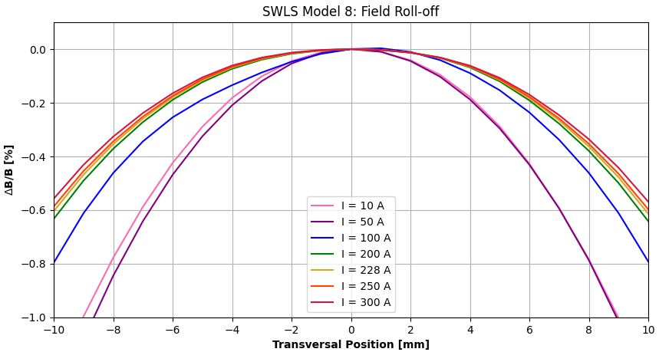
B [T] vs I [A]
Integrals vs I [A]
I2 [T.m²]
I1 [T.m]
I [A] | B (Xi=0mm, Z=0mm) [T] | 1st Integral over Trajectory [T.m] | 2nd Integral over Trajectory [T.m²] | Integral (Normal Dipole) [T.m] | Integral (Normal Quadrupole) [T] | Integral (Normal Sextupole) [T/m]
10 | -1.1736 | -2.214E-03 | -1.328E-03 | -1.975E-03 | 1.080E-01 | -7.017E+01
50 | -2.5812 | 3.636E-02 | 2.181E-02 | 3.652E-02 | 6.552E-02 | -6.437E+01
100 | -3.5976 | 3.652E-02 | 2.191E-02 | 3.650E-02 | -2.419E-02 | -3.455E+01
200 | -5.7187 | 8.791E-03 | 5.274E-03 | 8.400E-03 | -1.928E-01 | 3.730E+01
228 | -6.3200 | -1.328E-04 | -7.925E-05 | -4.857E-04 | -2.462E-01 | -3.215E+01
250 | -6.7966 | -7.288E-03 | -4.372E-03 | -7.755E-03 | -2.971E-01 | -3.508E+01
300 | -7.8942 | -2.425E-02 | -1.455E-02 | -2.497E-02 | -4.536E-01 | -1.005E+01
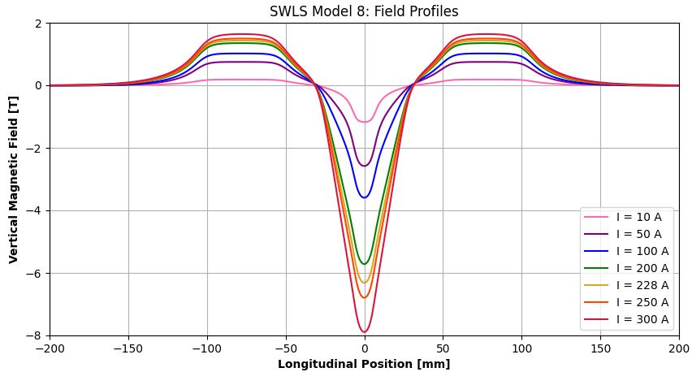

Integrated Normal Quadrupole [T] vs I [A]
Integrated Normal Sextupole [T/m] vs I [A]

