datatime
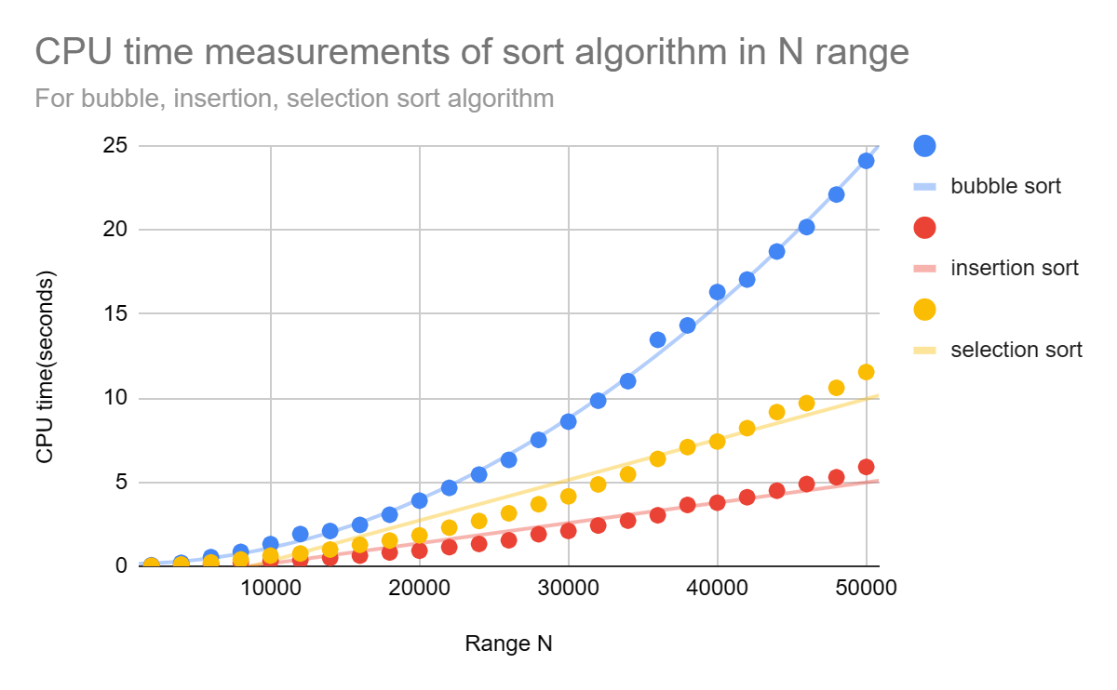
Sort algorithm | Data range N | CPU time (seconds) | Number of comparison
bubble sort | 2000 | 0.06004 | 3998000
bubble sort | 4000 | 0.201224 | 15996000
bubble sort | 6000 | 0.540718 | 35994000
bubble sort | 8000 | 0.853797 | 63992000
bubble sort | 10000 | 1.31467 | 99990000
bubble sort | 12000 | 1.91369 | 143988000
bubble sort | 14000 | 2.0945 | 195986000
bubble sort | 16000 | 2.4555 | 255984000
bubble sort | 18000 | 3.062 | 323982000
bubble sort | 20000 | 3.89996 | 399980000
bubble sort | 22000 | 4.66066 | 483978000
bubble sort | 24000 | 5.44917 | 575976000
bubble sort | 26000 | 6.32272 | 675974000
bubble sort | 28000 | 7.51358 | 783972000
bubble sort | 30000 | 8.59653 | 899970000
bubble sort | 32000 | 9.84194 | 1023968000
bubble sort | 34000 | 11.0034 | 1155966000
bubble sort | 36000 | 13.4647 | 1295964000
bubble sort | 38000 | 14.3219 | 1443962000
bubble sort | 40000 | 16.3057 | 1599960000
bubble sort | 42000 | 17.0479 | 1763958000
bubble sort | 44000 | 18.7153 | 1935956000
bubble sort | 46000 | 20.1683 | 2115954000
bubble sort | 48000 | 22.1042 | 2303952000
bubble sort | 50000 | 24.108 | 2499950000
insertion sort | 2000 | 0.019424 | 1017622
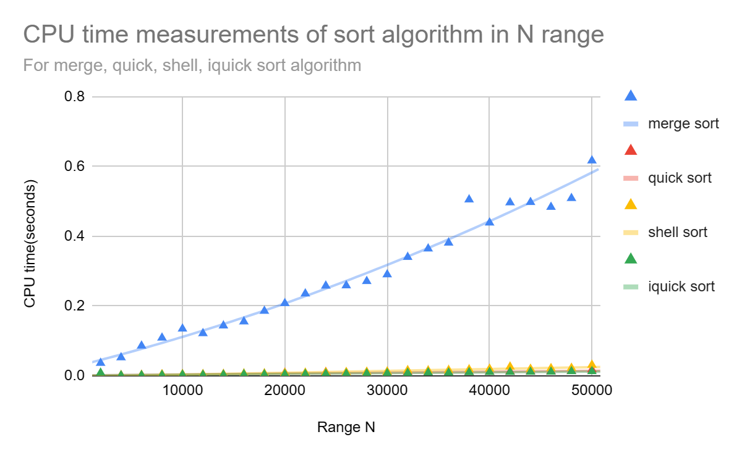
insertion sort | 4000 | 0.067474 | 4015550
insertion sort | 6000 | 0.129229 | 9081729
insertion sort | 8000 | 0.214258 | 16123263
insertion sort | 10000 | 0.312107 | 25021499
insertion sort | 12000 | 0.365651 | 36311989
insertion sort | 14000 | 0.495439 | 49208774
insertion sort | 16000 | 0.630861 | 64261817
insertion sort | 18000 | 0.818925 | 81130508
insertion sort | 20000 | 0.921948 | 99956008
insertion sort | 22000 | 1.13563 | 120738370
insertion sort | 24000 | 1.32557 | 144406233
insertion sort | 26000 | 1.54278 | 169220116
insertion sort | 28000 | 1.90312 | 194910443
insertion sort | 30000 | 2.09929 | 225228274
insertion sort | 32000 | 2.41994 | 256814940
insertion sort | 34000 | 2.71096 | 288371312
insertion sort | 36000 | 3.03034 | 323885803
insertion sort | 38000 | 3.64445 | 361405281
insertion sort | 40000 | 3.77641 | 399768343
insertion sort | 42000 | 4.10231 | 441559672
insertion sort | 44000 | 4.49001 | 483660713
insertion sort | 46000 | 4.88738 | 531115704
insertion sort | 48000 | 5.29082 | 575391796
insertion sort | 50000 | 5.90335 | 625047819
selection sort | 2000 | 0.026362 | 12197
selection sort | 4000 | 0.104697 | 27653
selection sort | 6000 | 0.22771 | 44408
selection sort | 8000 | 0.400881 | 61415
selection sort | 10000 | 0.629635 | 77588
selection sort | 12000 | 0.756563 | 95649
selection sort | 14000 | 0.991948 | 114283
selection sort | 16000 | 1.27232 | 132243
selection sort | 18000 | 1.52657 | 152374
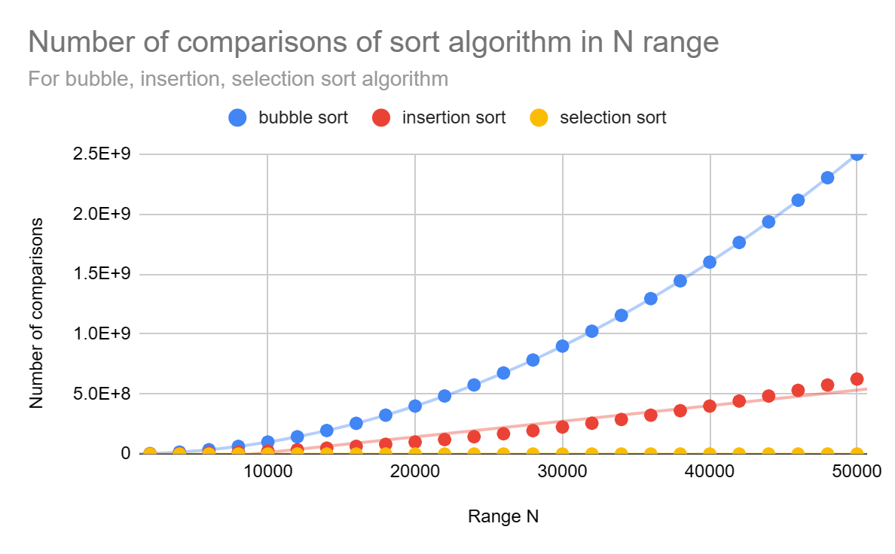
selection sort | 20000 | 1.8341 | 168563
selection sort | 22000 | 2.29426 | 187008
selection sort | 24000 | 2.69074 | 207532
selection sort | 26000 | 3.14764 | 227101
selection sort | 28000 | 3.68539 | 244440
selection sort | 30000 | 4.15651 | 271021
selection sort | 32000 | 4.86415 | 287760
selection sort | 34000 | 5.46516 | 307168
selection sort | 36000 | 6.38181 | 328233
selection sort | 38000 | 7.08475 | 344571
selection sort | 40000 | 7.41454 | 371640
selection sort | 42000 | 8.21133 | 391346
selection sort | 44000 | 9.16509 | 409303
selection sort | 46000 | 9.69853 | 430908
selection sort | 48000 | 10.6096 | 447313
selection sort | 50000 | 11.5472 | 472610
merge sort | 2000 | 0.036636 | 1999
merge sort | 4000 | 0.052554 | 3998
merge sort | 6000 | 0.086162 | 5999
merge sort | 8000 | 0.109073 | 7999
merge sort | 10000 | 0.134964 | 9995
merge sort | 12000 | 0.121737 | 11996
merge sort | 14000 | 0.143822 | 13999
merge sort | 16000 | 0.155486 | 15998
merge sort | 18000 | 0.18586 | 17998
merge sort | 20000 | 0.207921 | 19999
merge sort | 22000 | 0.235656 | 21999
merge sort | 24000 | 0.258184 | 23997
merge sort | 26000 | 0.258894 | 25997
merge sort | 28000 | 0.271218 | 27998
merge sort | 30000 | 0.29047 | 29997
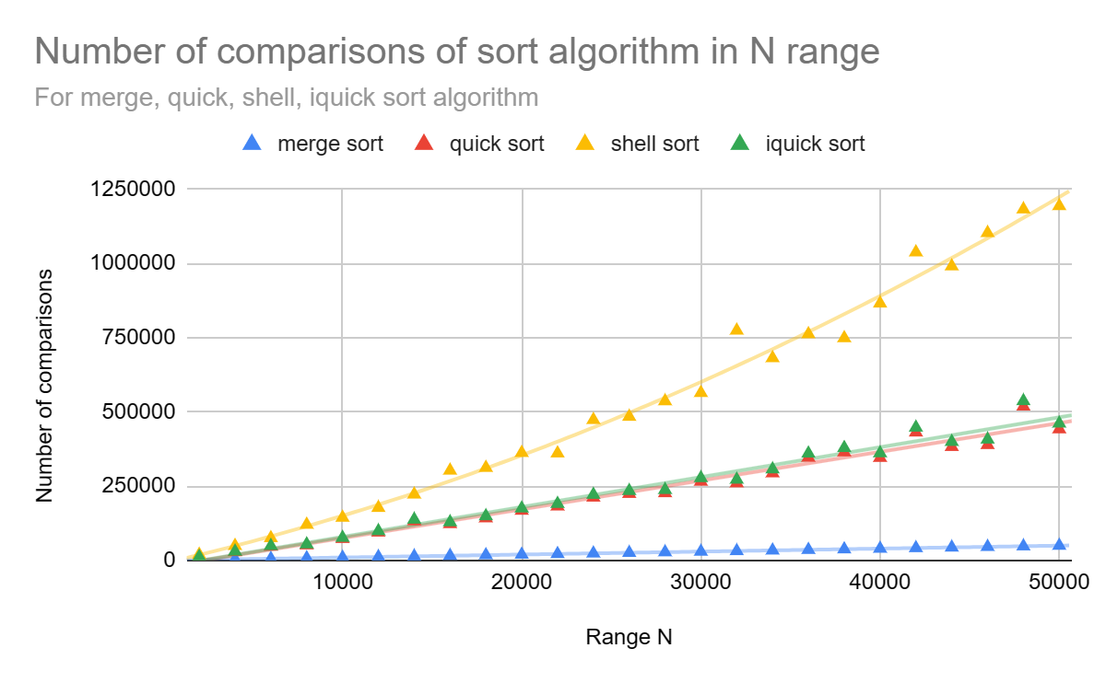
merge sort | 32000 | 0.340346 | 31999
merge sort | 34000 | 0.364584 | 33999
merge sort | 36000 | 0.381388 | 35999
merge sort | 38000 | 0.505244 | 37999
merge sort | 40000 | 0.438964 | 39999
merge sort | 42000 | 0.496849 | 41997
merge sort | 44000 | 0.497776 | 43996
merge sort | 46000 | 0.483923 | 45999
merge sort | 48000 | 0.509192 | 47993
merge sort | 50000 | 0.616955 | 49998
quick sort | 2000 | 0.006764 | 11251
quick sort | 4000 | 0.001221 | 28811
quick sort | 6000 | 0.001898 | 47071
quick sort | 8000 | 0.003019 | 51362
quick sort | 10000 | 0.003532 | 72860
quick sort | 12000 | 0.003204 | 94517
quick sort | 14000 | 0.003764 | 132393
quick sort | 16000 | 0.004399 | 122909
quick sort | 18000 | 0.004833 | 142401
quick sort | 20000 | 0.008116 | 167964
quick sort | 22000 | 0.006005 | 182345
quick sort | 24000 | 0.010168 | 212244
quick sort | 26000 | 0.007138 | 224671
quick sort | 28000 | 0.007495 | 227089
quick sort | 30000 | 0.008842 | 265622
quick sort | 32000 | 0.010663 | 260304
quick sort | 34000 | 0.009544 | 293916
quick sort | 36000 | 0.01012 | 346496
quick sort | 38000 | 0.011035 | 364481
quick sort | 40000 | 0.01119 | 345922
quick sort | 42000 | 0.012402 | 431417
quick sort | 44000 | 0.012692 | 382696
quick sort | 46000 | 0.012999 | 389192
quick sort | 48000 | 0.013728 | 518870
quick sort | 50000 | 0.017927 | 442087
shell sort | 2000 | 0.001664 | 19636
shell sort | 4000 | 0.001498 | 49404
shell sort | 6000 | 0.002359 | 75545
shell sort | 8000 | 0.004037 | 120741
shell sort | 10000 | 0.004584 | 144401
shell sort | 12000 | 0.004401 | 177477
shell sort | 14000 | 0.004888 | 222508
shell sort | 16000 | 0.006265 | 303045
shell sort | 18000 | 0.006618 | 312278
shell sort | 20000 | 0.008108 | 362556
shell sort | 22000 | 0.008473 | 360935
shell sort | 24000 | 0.010067 | 473550
shell sort | 26000 | 0.010444 | 484260
shell sort | 28000 | 0.0112 | 536495
shell sort | 30000 | 0.012095 | 564424
shell sort | 32000 | 0.015675 | 774448
shell sort | 34000 | 0.014925 | 681619
shell sort | 36000 | 0.01615 | 762239
shell sort | 38000 | 0.018153 | 748899
shell sort | 40000 | 0.01995 | 865688
shell sort | 42000 | 0.026065 | 1037836
shell sort | 44000 | 0.019596 | 990770
shell sort | 46000 | 0.021412 | 1102898
shell sort | 48000 | 0.022297 | 1182521
shell sort | 50000 | 0.031309 | 1193633
iquick sort | 2000 | 0.00845 | 12154
iquick sort | 4000 | 0.00105 | 30409
iquick sort | 6000 | 0.001602 | 49242
iquick sort | 8000 | 0.002296 | 54600
iquick sort | 10000 | 0.003092 | 76732
iquick sort | 12000 | 0.002622 | 99216
iquick sort | 14000 | 0.003138 | 137965
iquick sort | 16000 | 0.004248 | 129214
iquick sort | 18000 | 0.003982 | 149509
iquick sort | 20000 | 0.004649 | 175673
iquick sort | 22000 | 0.005119 | 190958
iquick sort | 24000 | 0.005927 | 221618
iquick sort | 26000 | 0.005951 | 234400
iquick sort | 28000 | 0.00659 | 237828
iquick sort | 30000 | 0.007201 | 277727
iquick sort | 32000 | 0.008063 | 272558
iquick sort | 34000 | 0.009165 | 307319
iquick sort | 36000 | 0.008748 | 360502
iquick sort | 38000 | 0.009957 | 379160
iquick sort | 40000 | 0.010574 | 361456
iquick sort | 42000 | 0.010758 | 447840
iquick sort | 44000 | 0.011182 | 399649
iquick sort | 46000 | 0.011461 | 407650
iquick sort | 48000 | 0.012746 | 537057
iquick sort | 50000 | 0.012797 | 461513

Copy of data
Number of comparisons of sort algorithm in N range
 | bubble sort | insertion sort | selection sort
2000 | 3998000 | 1017622 | 12197
4000 | 15996000 | 4015550 | 27653
6000 | 35994000 | 9081729 | 44408
8000 | 63992000 | 16123263 | 61415
10000 | 99990000 | 25021499 | 77588
12000 | 143988000 | 36311989 | 95649
14000 | 195986000 | 49208774 | 114283
16000 | 255984000 | 64261817 | 132243
18000 | 323982000 | 81130508 | 152374
20000 | 399980000 | 99956008 | 168563
22000 | 483978000 | 120738370 | 187008
24000 | 575976000 | 144406233 | 207532
26000 | 675974000 | 169220116 | 227101
28000 | 783972000 | 194910443 | 244440
30000 | 899970000 | 225228274 | 271021
32000 | 1023968000 | 256814940 | 287760
34000 | 1155966000 | 288371312 | 307168
36000 | 1295964000 | 323885803 | 328233
38000 | 1443962000 | 361405281 | 344571
40000 | 1599960000 | 399768343 | 371640
42000 | 1763958000 | 441559672 | 391346
44000 | 1935956000 | 483660713 | 409303
46000 | 2115954000 | 531115704 | 430908
48000 | 2303952000 | 575391796 | 447313
50000 | 2499950000 | 625047819 | 472610
N | bubble sort | insertion sort | selection sort | merge sort | quick sort | shell sort | iquick sort
2000 | 3998000 | 1017622 | 12197 | 1999 | 11251 | 19636 | 12154
4000 | 15996000 | 4015550 | 27653 | 3998 | 28811 | 49404 | 30409
6000 | 35994000 | 9081729 | 44408 | 5999 | 47071 | 75545 | 49242
8000 | 63992000 | 16123263 | 61415 | 7999 | 51362 | 120741 | 54600
10000 | 99990000 | 25021499 | 77588 | 9995 | 72860 | 144401 | 76732
12000 | 143988000 | 36311989 | 95649 | 11996 | 94517 | 177477 | 99216
14000 | 195986000 | 49208774 | 114283 | 13999 | 132393 | 222508 | 137965
16000 | 255984000 | 64261817 | 132243 | 15998 | 122909 | 303045 | 129214
18000 | 323982000 | 81130508 | 152374 | 17998 | 142401 | 312278 | 149509
20000 | 399980000 | 99956008 | 168563 | 19999 | 167964 | 362556 | 175673
22000 | 483978000 | 120738370 | 187008 | 21999 | 182345 | 360935 | 190958
24000 | 575976000 | 144406233 | 207532 | 23997 | 212244 | 473550 | 221618
26000 | 675974000 | 169220116 | 227101 | 25997 | 224671 | 484260 | 234400
28000 | 783972000 | 194910443 | 244440 | 27998 | 227089 | 536495 | 237828
30000 | 899970000 | 225228274 | 271021 | 29997 | 265622 | 564424 | 277727
32000 | 1023968000 | 256814940 | 287760 | 31999 | 260304 | 774448 | 272558
34000 | 1155966000 | 288371312 | 307168 | 33999 | 293916 | 681619 | 307319
36000 | 1295964000 | 323885803 | 328233 | 35999 | 346496 | 762239 | 360502
38000 | 1443962000 | 361405281 | 344571 | 37999 | 364481 | 748899 | 379160
40000 | 1599960000 | 399768343 | 371640 | 39999 | 345922 | 865688 | 361456
42000 | 1763958000 | 441559672 | 391346 | 41997 | 431417 | 1037836 | 447840
44000 | 1935956000 | 483660713 | 409303 | 43996 | 382696 | 990770 | 399649
46000 | 2115954000 | 531115704 | 430908 | 45999 | 389192 | 1102898 | 407650
48000 | 2303952000 | 575391796 | 447313 | 47993 | 518870 | 1182521 | 537057
Number of comparisons of sort algorithm in N range
 | merge sort | quick sort | shell sort | iquick sort
2000 | 1999 | 11251 | 19636 | 12154
4000 | 3998 | 28811 | 49404 | 30409
6000 | 5999 | 47071 | 75545 | 49242
8000 | 7999 | 51362 | 120741 | 54600
10000 | 9995 | 72860 | 144401 | 76732
12000 | 11996 | 94517 | 177477 | 99216
14000 | 13999 | 132393 | 222508 | 137965
16000 | 15998 | 122909 | 303045 | 129214
18000 | 17998 | 142401 | 312278 | 149509
20000 | 19999 | 167964 | 362556 | 175673
22000 | 21999 | 182345 | 360935 | 190958
24000 | 23997 | 212244 | 473550 | 221618
26000 | 25997 | 224671 | 484260 | 234400
28000 | 27998 | 227089 | 536495 | 237828
30000 | 29997 | 265622 | 564424 | 277727
32000 | 31999 | 260304 | 774448 | 272558
34000 | 33999 | 293916 | 681619 | 307319
36000 | 35999 | 346496 | 762239 | 360502
38000 | 37999 | 364481 | 748899 | 379160
40000 | 39999 | 345922 | 865688 | 361456
42000 | 41997 | 431417 | 1037836 | 447840
44000 | 43996 | 382696 | 990770 | 399649
46000 | 45999 | 389192 | 1102898 | 407650
48000 | 47993 | 518870 | 1182521 | 537057
50000 | 49998 | 442087 | 1193633 | 461513
50000 | 2499950000 | 625047819 | 472610 | 49998 | 442087 | 1193633 | 461513

