Direct
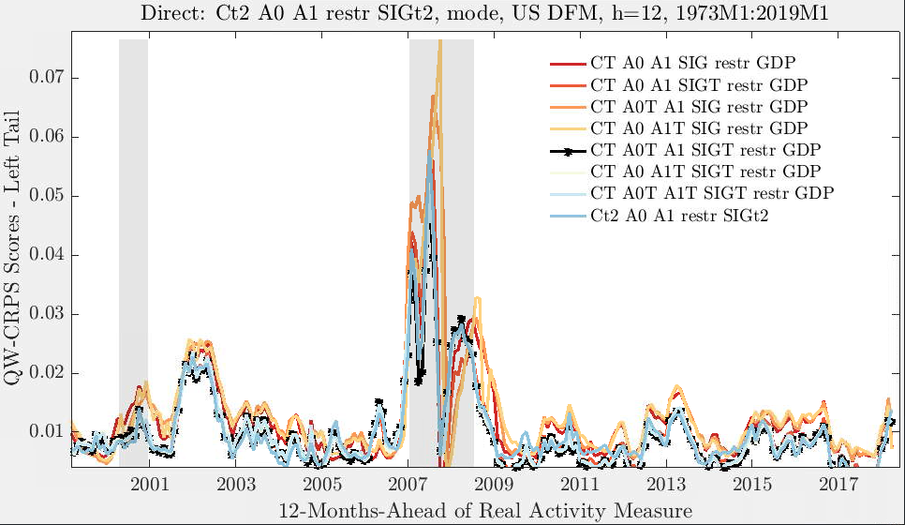
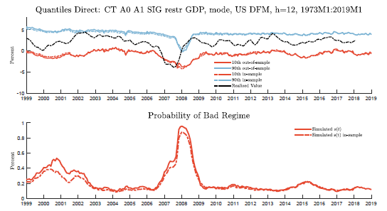
CT_A0T_A1_SIGT_restr_GDP vs. CT_A0_A1_SIG_restr_GDP
 | Rel. Score | T-Stat | p-value
________________ | ______________ | __________ | ___________

Uniform | 1.12 | 2.1 | 0.04
Center | 1.09 | 1.48 | 0.14
Tail | 1.23 | 4.98 | 0
Right Tail | 1.13 | 1.7 | 0.09
Left Tail | 1.14 | 3.26 | 0
Right Tail Pure | 1.21 | 2.23 | 0.03
Left Tail Pure | 1.24 | 6.68 | 0

CT_A0T_A1_SIGT_restr_GDP vs. CT_A0_A1_SIGT_restr_GDP
 | Rel. Score | T-Stat | p-value
_________________ | ______________ | __________ | ___________

Uniform | 1 | -0.05 | 0.96
Center | 0.99 | -0.42 | 0.67
Tail | 1.03 | 1.35 | 0.18
Right Tail | 0.99 | -0.53 | 0.59
Left Tail | 1.02 | 0.62 | 0.53
Right Tail Pure | 1 | 0.29 | 0.77
Left Tail Pure | 1.05 | 1.56 | 0.12

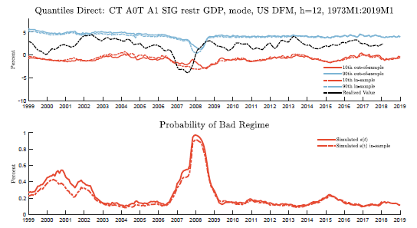
CT_A0T_A1_SIGT_restr_GDP vs. CT_A0T_A1_SIG_restr_GDP
 | Rel. Score | T-Stat | p-value
_________________ | ______________ | __________ | ___________

Uniform | 1.12 | 2.71 | 0.01
Center | 1.08 | 1.75 | 0.08
Tail | 1.27 | 5.71 | 0
Right Tail | 1.1 | 2.11 | 0.03
Left Tail | 1.19 | 3.64 | 0
Right Tail Pure | 1.17 | 3.25 | 0
Left Tail Pure | 1.37 | 4.92 | 0

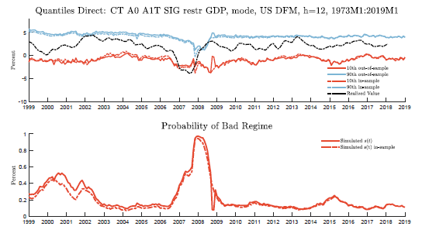
CT_A0T_A1_SIGT_restr_GDP vs. CT_A0_A1T_SIG_restr_GDP
 | Rel. Score | T-Stat | p-value
_________________ | ______________ | __________ | ___________

Uniform | 1.1 | 2.29 | 0.02
Center | 1.05 | 1.2 | 0.23
Tail | 1.25 | 6.64 | 0
Right Tail | 1.09 | 1.77 | 0.08
Left Tail | 1.16 | 3.53 | 0
Right Tail Pure | 1.16 | 2.99 | 0
Left Tail Pure | 1.33 | 6.12 | 0

CT_A0T_A1_SIGT_restr_GDP vs. CT_A0_A1T_SIGT_restr_GDP
 | Rel. Score | T-Stat | p-value
_________________ | _________________ | _______ | ____________

Uniform | 1 | -0.29 | 0.77
Center | 1 | -0.61 | 0.54
Tail | 1.01 | 0.67 | 0.5
Right Tail | 1 | -0.71 | 0.48
Left Tail | 1 | 0.21 | 0.84
Right Tail Pure | 1 | -0.04 | 0.97
Left Tail Pure | 1.01 | 0.84 | 0.4

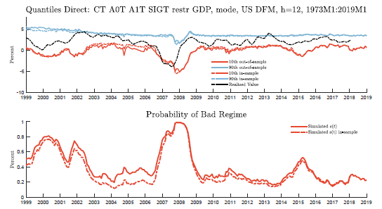
CT_A0T_A1_SIGT_restr_GDP vs. CT_A0T_A1T_SIGT_restr_GDP
 | Rel. Score | T-Stat | p-value
__________________ | ______________ | __________ | ____________

Uniform | 1 | 0.49 | 0.62
Center | 1 | 0.18 | 0.86
Tail | 1.01 | 1.5 | 0.13
Right Tail | 1 | 0.3 | 0.77
Left Tail | 1.01 | 0.89 | 0.37
Right Tail Pure | 1 | 0.79 | 0.43
Left Tail Pure | 1.02 | 1.56 | 0.12

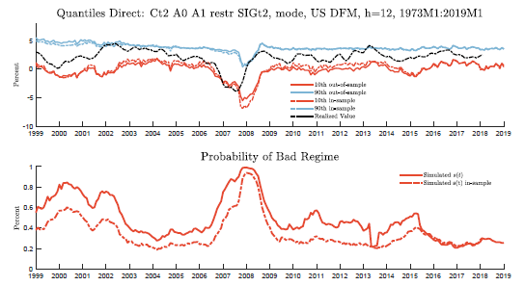
CT_A0T_A1_SIGT_restr_GDP vs. Ct2_A0_A1_restr_SIGt2
 | Rel. Score | T-Stat | p-value
________________ | ______________ | __________ | __________

Uniform | 1.02 | 0.51 | 0.61
Center | 1.02 | 0.5 | 0.62
Tail | 1.01 | 0.5 | 0.62
Right Tail | 1 | 0.16 | 0.87
Left Tail | 1.02 | 0.76 | 0.44
Right Tail Pure | 0.98 | -1 | 0.32
Left Tail Pure | 1.03 | 1.19 | 0.23

Iterated
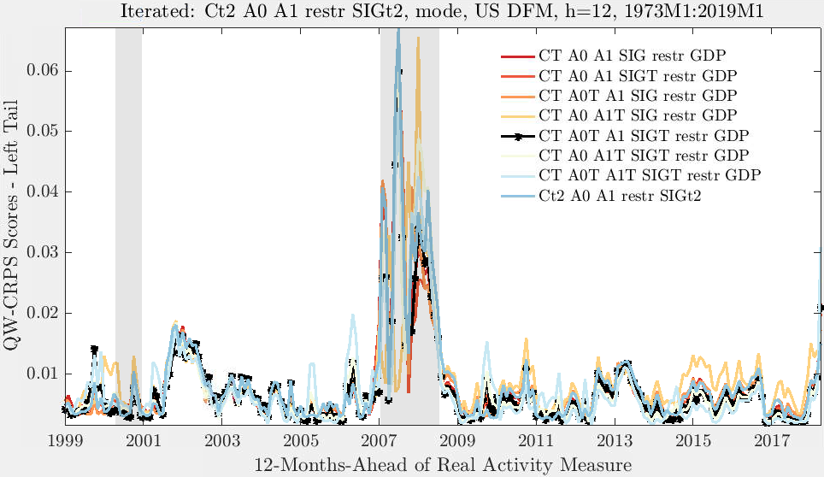
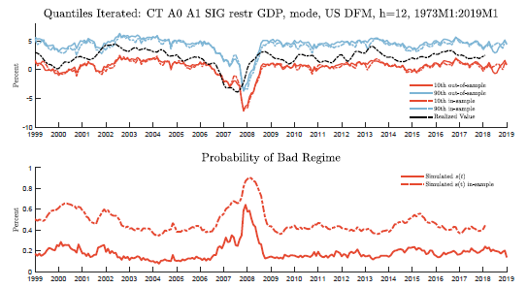
CT_A0T_A1_SIGT_restr_GDP vs. CT_A0_A1_SIG_restr_GDP
 | Rel. Score | T-Stat | p-value
________________ | ______________ | __________ | ___________

Uniform | 1.14 | 3.43 | 0
Center | 1.11 | 2.61 | 0.01
Tail | 1.26 | 5.48 | 0
Right Tail | 1.26 | 4.75 | 0
Left Tail | 1.05 | 1.48 | 0.14
Right Tail Pure | 1.41 | 5.38 | 0
Left Tail Pure | 1.08 | 1.82 | 0.07

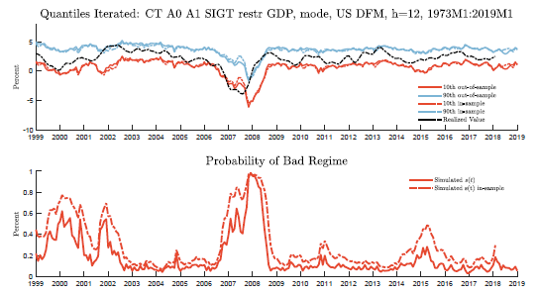
CT_A0T_A1_SIGT_restr_GDP vs. CT_A0_A1_SIGT_restr_GDP
 | Rel. Score | T-Stat | p-value
_________________ | _________________ | _______ | ___________

Uniform | 0.94 | -2.06 | 0.04
Center | 0.93 | -2.35 | 0.02
Tail | 0.98 | -0.74 | 0.46
Right Tail | 0.94 | -1.81 | 0.07
Left Tail | 0.96 | -1.46 | 0.15
Right Tail Pure | 0.96 | -1.18 | 0.24
Left Tail Pure | 1.01 | 0.21 | 0.83

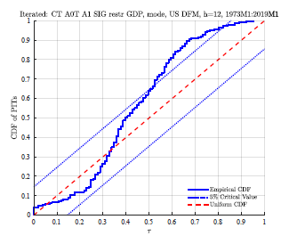
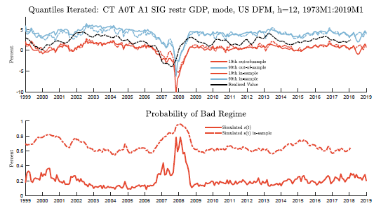
CT_A0T_A1_SIGT_restr_GDP vs. CT_A0T_A1_SIG_restr_GDP
 | Rel. Score | T-Stat | p-value
_________________ | ______________ | __________ | ___________

Uniform | 1.07 | 1.3 | 0.19
Center | 1.04 | 0.7 | 0.49
Tail | 1.21 | 2.76 | 0.01
Right Tail | 1.15 | 1.79 | 0.07
Left Tail | 1.04 | 1 | 0.32
Right Tail Pure | 1.29 | 2.37 | 0.02
Left Tail Pure | 1.12 | 2.44 | 0.01

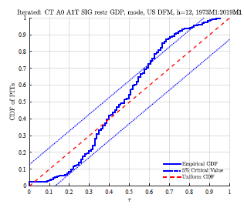
CT_A0T_A1_SIGT_restr_GDP vs. CT_A0_A1T_SIG_restr_GDP
 | Rel. Score | T-Stat | p-value
_________________ | ______________ | __________ | ___________

Uniform | 1.08 | 0.94 | 0.35
Center | 1.05 | 0.54 | 0.59
Tail | 1.22 | 2.06 | 0.04
Right Tail | 1.13 | 1.05 | 0.3
Left Tail | 1.09 | 1.17 | 0.24
Right Tail Pure | 1.26 | 1.44 | 0.15
Left Tail Pure | 1.18 | 2.69 | 0.01

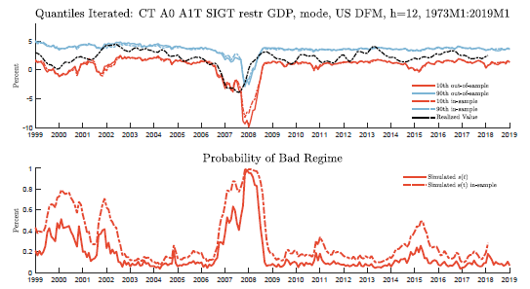
CT_A0T_A1_SIGT_restr_GDP vs. CT_A0_A1T_SIGT_restr_GDP
 | Rel. Score | T-Stat | p-value
_________________ | ______________ | __________ | ____________

Uniform | 1.05 | 0.69 | 0.49
Center | 1.04 | 0.67 | 0.5
Tail | 1.05 | 0.78 | 0.43
Right Tail | 1.06 | 0.77 | 0.44
Left Tail | 1.04 | 0.62 | 0.53
Right Tail Pure | 1.06 | 0.82 | 0.41
Left Tail Pure | 1.04 | 0.68 | 0.5

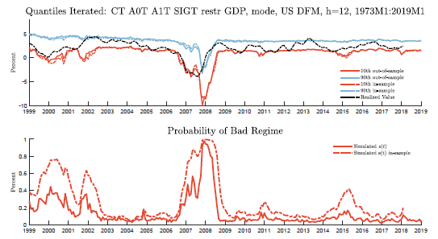
CT_A0T_A1_SIGT_restr_GDP vs. CT_A0T_A1T_SIGT_restr_GDP
 | Rel. Score | T-Stat | p-value
__________________ | ______________ | __________ | ____________

Uniform | 1.07 | 1.88 | 0.06
Center | 1.08 | 2.13 | 0.03
Tail | 1.03 | 0.79 | 0.43
Right Tail | 1.06 | 1.54 | 0.12
Left Tail | 1.07 | 1.69 | 0.09
Right Tail Pure | 1.03 | 0.72 | 0.47
Left Tail Pure | 1.03 | 0.62 | 0.54

CT_A0T_A1_SIGT_restr_GDP vs. Ct2_A0_A1_restr_SIGt2
 | Rel. Score | T-Stat | p-value
________________ | ______________ | __________ | __________

Uniform | 1.09 | 1.28 | 0.2
Center | 1.07 | 1.1 | 0.27
Tail | 1.17 | 1.74 | 0.08
Right Tail | 1.13 | 1.23 | 0.22
Left Tail | 1.09 | 1.63 | 0.1
Right Tail Pure | 1.2 | 1.36 | 0.17
Left Tail Pure | 1.14 | 2.65 | 0.01

EndogenousVsExogenous
Direct Model |  |  |  | Endogenous | Exogenous
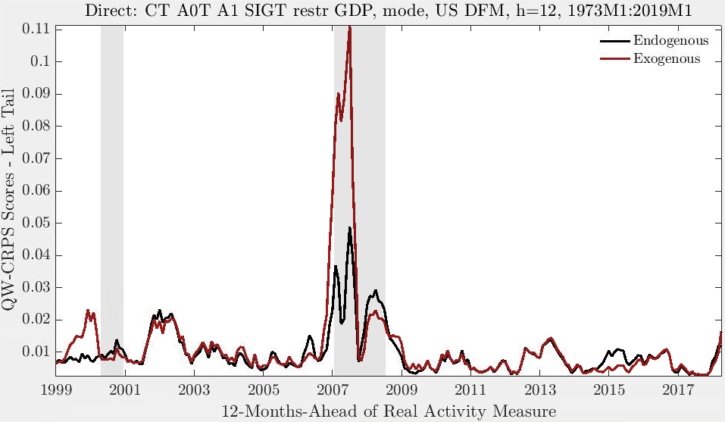
CT_A0T_A1_SIGT_restr_GDP Endo vs. Exo
 | Rel. Score | T-Stat | p-value
________________ | ______________ | __________ | __________

Uniform | 1.09 | 1.17 | 0.24
Center | 1.09 | 1.14 | 0.25
Tail | 1.11 | 1.17 | 0.24
Right Tail | 1.03 | 0.85 | 0.4
Left Tail | 1.16 | 1.26 | 0.21
Right Tail Pure | 1 | -0.03 | 0.97
Left Tail Pure | 1.22 | 1.23 | 0.22

Iterated Model
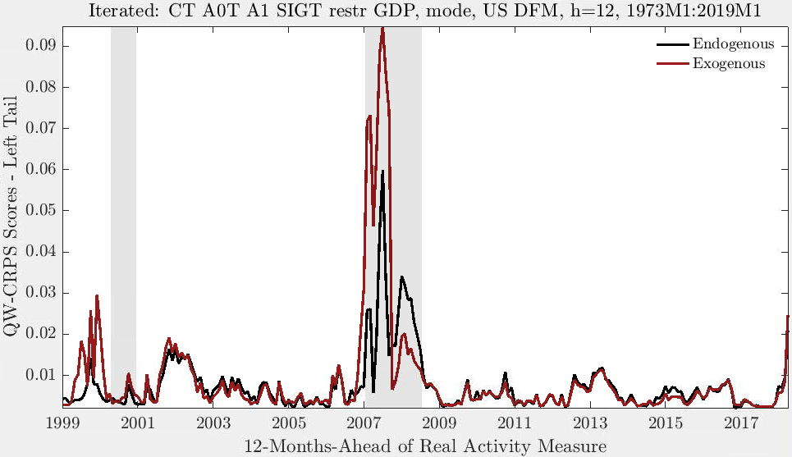
CT_A0T_A1_SIGT_restr_GDP Endo vs. Exo
 | Rel. Score | T-Stat | p-value
________________ | ______________ | __________ | __________

Uniform | 1.06 | 0.83 | 0.41
Center | 1.04 | 0.65 | 0.52
Tail | 1.12 | 1.24 | 0.22
Right Tail | 1.03 | 0.51 | 0.61
Left Tail | 1.11 | 0.98 | 0.33
Right Tail Pure | 1.03 | 0.56 | 0.58
Left Tail Pure | 1.21 | 1.12 | 0.26

RestrictedVsUnrestricted
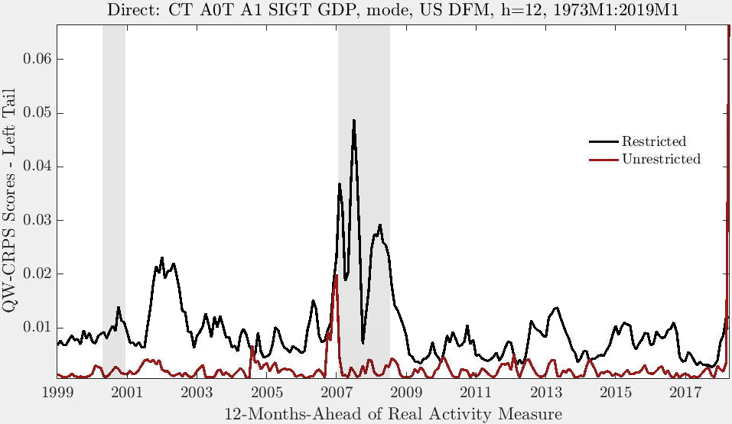
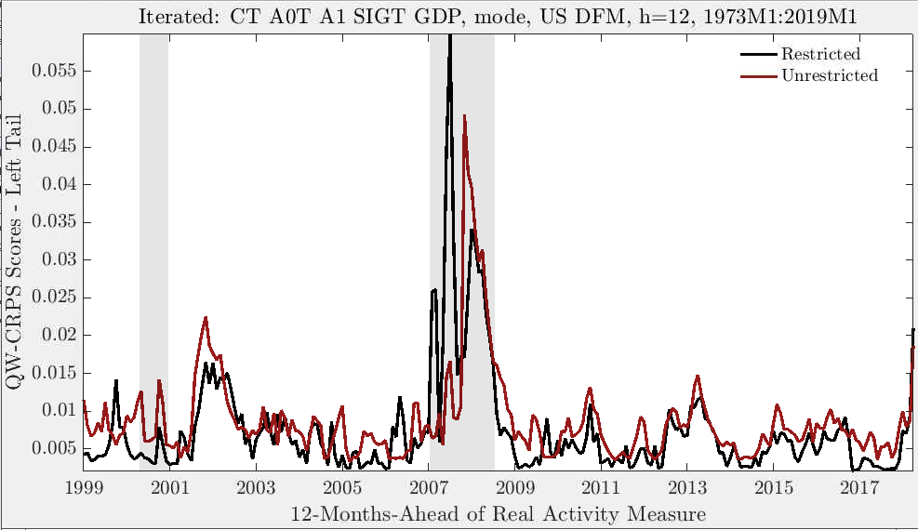
Direct Model |  |  |  | Iterated Model
CT_A0T_A1_SIGT_restr_GDP vs. CT_A0T_A1_SIGT_GDP |  |  |  | CT_A0T_A1_SIGT_restr_GDP vs. CT_A0T_A1_SIGT_GDP
 | Rel. Score | T-Stat | p-value |  | Rel. Score | T-Stat | p-value
________________ | _________________ | _______ | __________ | ________________ | _________________ | _______ | __________

Uniform | 0.23 | -5.16 | 0 | Uniform | 1 | -0.02 | 0.99
Center | 0.23 | -4.87 | 0 | Center | 0.95 | -0.94 | 0.35
Tail | 0.25 | -6.58 | 0 | Tail | 1.18 | 4.21 | 0
Right Tail | 0.24 | -5.15 | 0 | Right Tail | 1.05 | 1.11 | 0.27
Left Tail | 0.23 | -5.24 | 0 | Left Tail | 1.01 | 0.17 | 0.86
Right Tail Pure | 0.25 | -5.45 | 0 | Right Tail Pure | 1.18 | 3.88 | 0
Left Tail Pure | 0.24 | -5.92 | 0 | Left Tail Pure | 1.18 | 2.16 | 0.03

