Sheet1
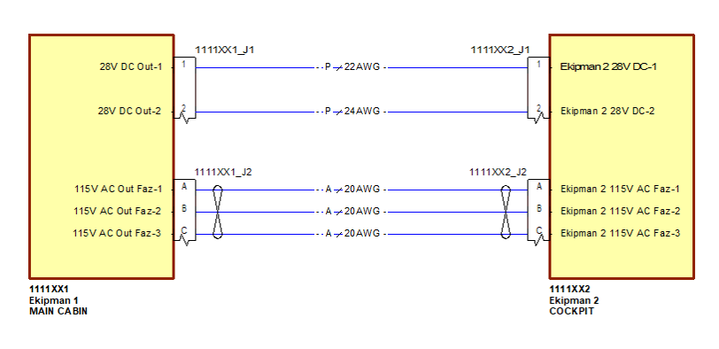
 | Signal |  |  |  | CABLE |  | Source |  |  |  |  |  |  | Destination
Number | Name | TYPE | CATEGORY | CURRENT(Max) | TYPE | AWG | ATA CHAPTER | PIN NAME | LOCATION | LRU | RD NUMBER | Connector | Pin No | ATA CHAPTER | PIN NAME | LOCATION | LRU | RD NUMBER | Connector | Pin No | Notes
#11111 | Ekipman 2 28V DC-1 | 28V DC Power | P | 2 | SINGLE | 22AWG | ATAXX | 28V DC Out-1 | MAIN CABIN | Ekipman 1 | 1111XX1 | 282108-1 | 1 | ATAXX | Ekipman 2 28V DC-1 | COCKPIT | Ekipman 2 | 1111XX2 | 282108-1 | 1
#11112 | Ekipman 2 28V DC-2 | 28V DC Power | P | 0.5 | SINGLE | 24AWG | ATAXX | 28V DC Out-2 | MAIN CABIN | Ekipman 1 | 1111XX1 | 282107-1 | 2 | ATAXX | Ekipman 2 28V DC-2 | COCKPIT | Ekipman 2 | 1111XX2 | 282107-1 | 2
#11113 | Ekipman 2 115V AC Faz-1 | 115V AC Power | A | 5 | TWISTED | 20AWG | ATAXX | 115V AC Out Faz-1 | MAIN CABIN | Ekipman 1 | 1111XX1 | 282108-1 | A | ATAXX | Ekipman 2 115V AC Faz-1 | COCKPIT | Ekipman 2 | 1111XX2 | 282108-1 | A
#11114 | Ekipman 2 115V AC Faz-2 | 115V AC Power | A | 5 | TWISTED | 20AWG | ATAXX | 115V AC Out Faz-2 | MAIN CABIN | Ekipman 1 | 1111XX1 | 282108-1 | B | ATAXX | Ekipman 2 115V AC Faz-2 | COCKPIT | Ekipman 2 | 1111XX2 | 282108-1 | B
#11115 | Ekipman 2 115V AC Faz-3 | 115V AC Power | A | 5 | TWISTED | 20AWG | ATAXX | 115V AC Out Faz-3 | MAIN CABIN | Ekipman 1 | 1111XX1 | 282108-1 | C | ATAXX | Ekipman 2 115V AC Faz-3 | COCKPIT | Ekipman 2 | 1111XX2 | 282108-1 | C
#11115 | Ekipman 2 115V AC Faz-3 | 115V AC Power | A | 5 | TWISTED | 20AWG | ATAXX | 115V AC Out Faz-3 | MAIN CABIN | Ekipman 1 | 1111XX1 | 282108-1 | C | ATAXX | Ekipman 2 115V AC Faz-3 | COCKPIT | Ekipman 2 | 1111XX2 | 282108-1 | C

