Sheet1
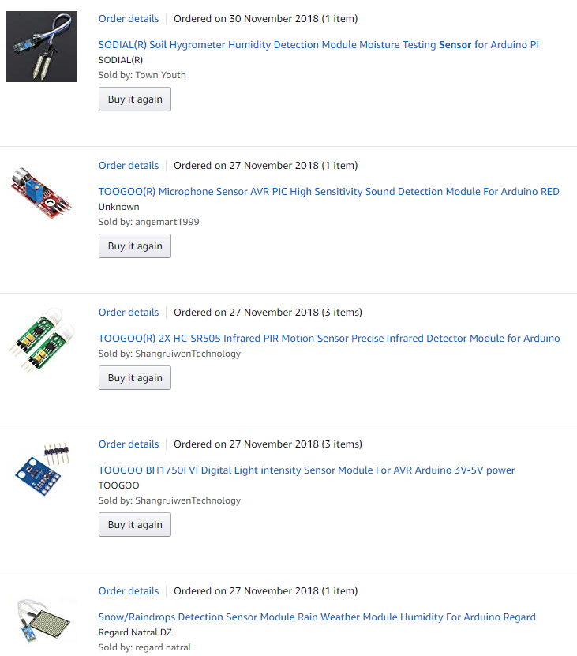
Item | Received
 | YES
 | YES

 | YES

 | YES

 | YES

 | YES

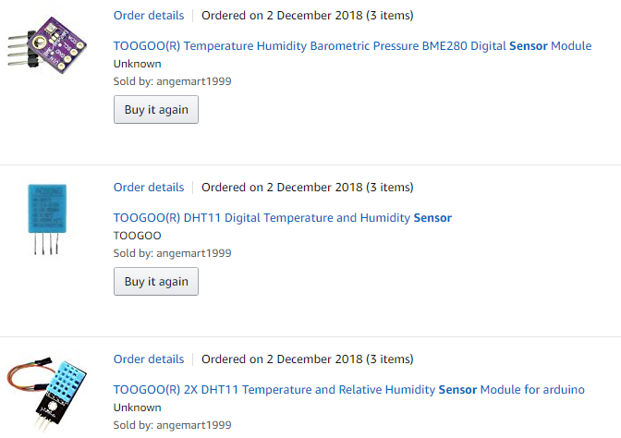

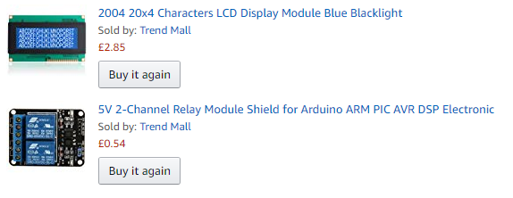 | YES

 | YES

 | YES

 | rec'd 1 | x 2 different orders

 | YES

 | YES

 | YES

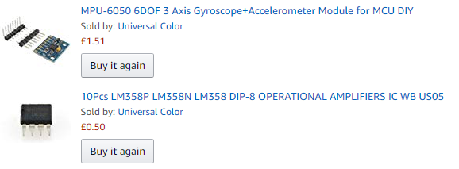 | YES

 | YES

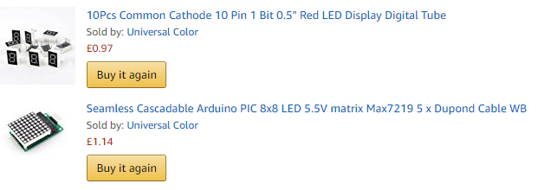 | YES

 | YES

 | YES

 | YES

