Sheet1
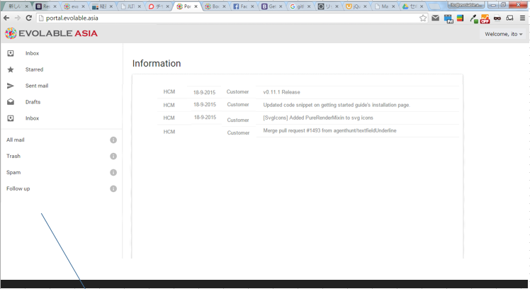
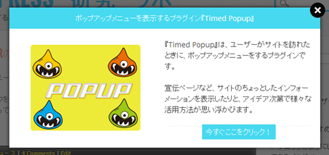
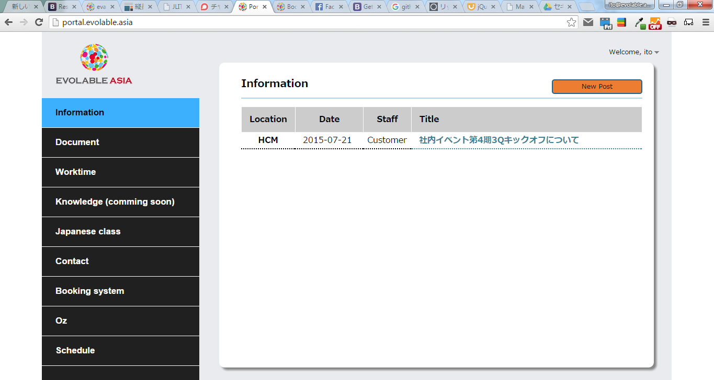

SLIDE
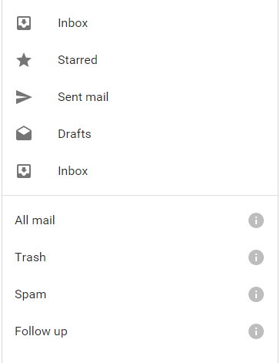


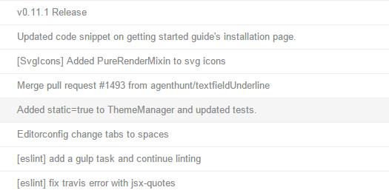



Blurred background

slide discription

information
document
training(japanese class)
schedule
contact
_______________________________________
worktime
booking system
oz

https://wordpress.org/plugins/wordpress-popup/

