Sheet1
DRAFT2








13/12sun
3rd.JLIT


HO CHI MINH: Van phong Vietnamworks
HANOI:Van Phong Vietnamworks
DA NANG:XXXXXXXXXXXXXXXXXXXXX

DAMG LU DI THI MIEMN PHI

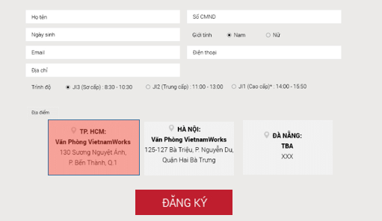

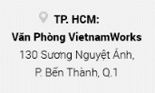
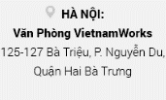




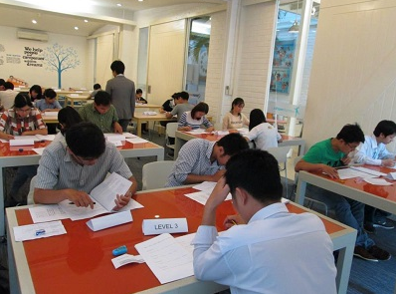

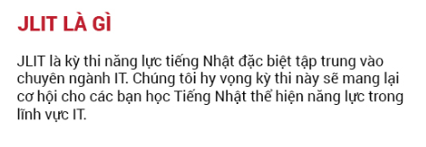


change image
change image
change image

Let's immediately application



Let's immediately application

