Charts
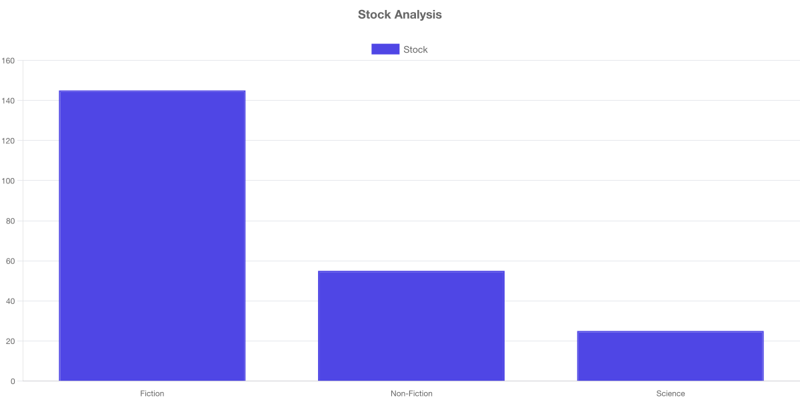
Visual Analytics

Stock Analysis

