Sheet1
 |  | Declaration of Conformity

 |  | footscan® products

Manufacturer: |  | RSscan International NV
 |  | De Weven 7
 |  | B-3583 Paal
 |  | Belgium

FDA registration no.: |  | 3006543248
Owner operator no.: |  | 9102602
Product name: |  | footscan® pressure measurement system
Models: |  | footscan® entry / advanced / hi-end level system
 |  | footscan® software 7.xx gait/balance/footwear adviser
 |  | footscan® software 9.xx gait
Classification: |  | Medical Device Class I
Proprietary name: |  | footscan, footwear adviser
Classification name: |  | system, pressure measurement, intermittent
Product code: |  | JFC
Regulation class: |  | 890.160

We hereby declare that the above mentioned products comply with the Code of Federal Regulations 21CFR820, 21CFR801, 21CFR803, 21CFR807, 21CFR810.

Standards applied: |  | EN 60601-1:2006 Medical electrical equipment - Part 1: General requirements for basic safety and essential performance

 |  | EN 60601-1-2:2007 Medical electrical equipment - Part 1-2: General requirements for safety – Collateral standard: Electromagnetic compatibility – Requirements and tests

 |  | EN 15223-1:2012 Symbols to be used with medical device labels, labelling and information to be supplied – part 1: general requirements

 |  | EN 1041:2008 Information supplied by the manufacturer of medical devices
 |  | ISO 14971:2012 Medical devices - Application of risk management to medical devices

 |  | EN 10993-1:2009 Biological evaluation of medical devices - part 1: evaluation and testing within a risk management process

 |  | IEC 62304:2006 Medical device software – Software life-cycle processes
 |  | IEC 62366:2008 Medical devices - Application of usability engineering to medical devices

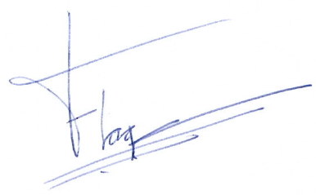
Place and date of issue: |  | Paal, Belgium, 25/10/2017
Name: |  | Friso Hagman
Function: |  | CEO
Signature:

 | RSscan International NV |  | Tel: +32 (0)14-23 20 31 | sales@rsscan.com | BTW BE-0462.653.574 RPR Hasselt
 | De Weven 7 |  | Fax: +32 (0)14-23 53 90 | support@rsscan.com | IBAN BE19 4144 1928 0112
 | B-3583 Paal, Belgium |  |  | www.rsscan.com | SWIFT/BIC KREDBEBB
 |  |  |  |  | RS-QMS-00648-001

