Sheet1
RS Print
De Weven 7
3583 Paal-Beringen
Belgium
Tel: +32 (0)11 36 01 79
Fax: +32 (0)14 23 53 90

DELIVERY NOTE |  |  | XXX |  |  | x/x/x

Delivery address |  |  | Invoice address |  | Weight
 |  |  |  |  |  | kg

Reference |  |  |  |  | Customer number

Quantity |  | Description
 |  | SN:

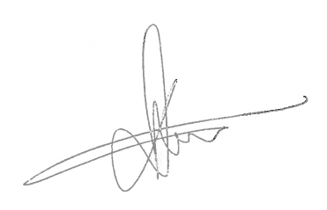
 | RS Print seal |  |  | Signature

