Sheet1
 |  |  |  |  |  |  |  |  |  |  |  | General sales condition
 | Invoice details |  |  |  |  |  |  |  |  |  |  | Scope These terms and conditions regulate the relationship between RS Print and the Buyer for the delivery by RS Print of the products described in the order (hereafter ‘Deliverables’). All contracts are made subject to these terms and conditions which shall prevail and be effective notwithstanding any variations or additions contained in any order or other document submitted by the Buyer. No modification of these terms shall be binding upon RS Print or any of its subsidiaries or affiliated companies (hereafter ‘RS Print’) unless made in writing by an authorized representative of RS Print. In case of conflict between these general conditions and a specific agreement, the latter will prevail. Quotation and Order Subject to any written confirmation of the contrary, every quotation issued by RS Print is without any obligation until consented in writing. Orders can be placed in writing, by e-mail, by fax or via the Internet but will only be binding in as far as they have been confirmed (with the quotation form of RS Print or otherwise). Order confirmation by RS Print implies the commencement of the agreement. No modification to the quotation or the terms of manufacture stipulated can be made unless agreed by both parties in writing. Verbal undertakings by and agreements made with staff of RS Print and/or its representatives are not binding upon RS Print until and in so far as they have been confirmed in writing. Guarantee - Limitation of liability During a one-year period, starting from the date the Deliverable has been shipped by RS Print, a guarantee on the 3D printed base layer of the Deliverable is offered. This guarantee is only applicable to production defects in the 3D printed base layer or to damage to the 3D printed base layer caused by the normal usage of the Deliverable by the user. This guarantee is only valid if the Buyer promptly notifies RS Print when the damage is detected within the two-year guarantee period via support@rsprint.be, stating the detect

 | Client name
 | Date
 | Invoice number

# | Case ID | Customer | Created | Shipped | Delivery facility | Type | Top layer | PO | Price (cur) | VAT | Price (cur)
 |  |  | (D/M/Y) | (D/M/Y) |  |  | (Reference ID) | (Reference ID) | (VAT excl.) | (%) | (VAT incl.)

RS PRINT™ powered by Materialise NV – De Weven 7, 3583 Paal-Beringen, Belgium – +32 (0) 11 36 01 79 – info@phits.be – www.phits.be – VAT 0551.855.071 |  |  |  |  |  |  |  |  |  |  |  | RS PRINT™ powered by Materialise NV – De Weven 7, 3583 Paal-Beringen, Belgium – +32 (0) 11 36 01 79 – info@phits.be – www.phits.be – VAT 0551.855.071

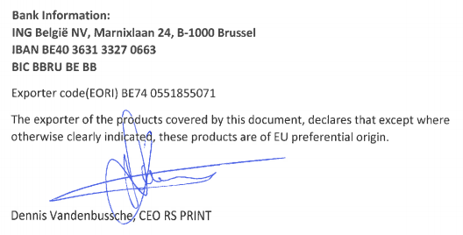

 |  |  |  |  |  |  |  |  |  |  |  | RS PRINT™ powered by Materialise NV – De Weven 7, 3583 Paal-Beringen, Belgium – +32 (0) 11 36 01 79 – info@phits.be – www.phits.be – VAT 0551.855.071

