Unit_values
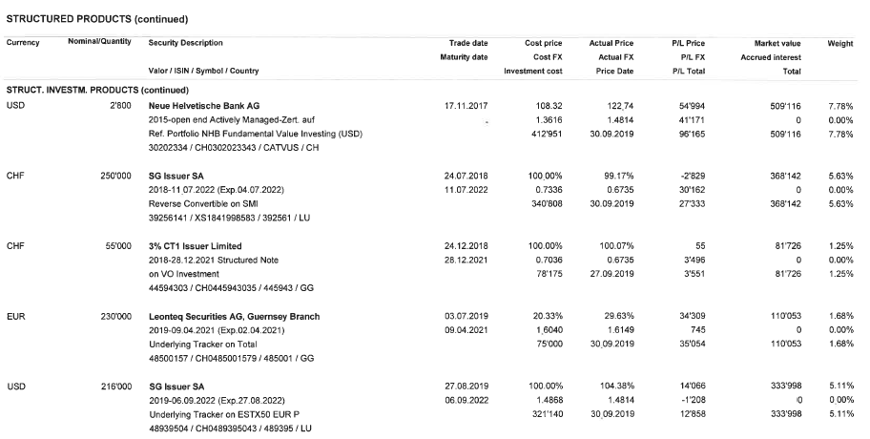
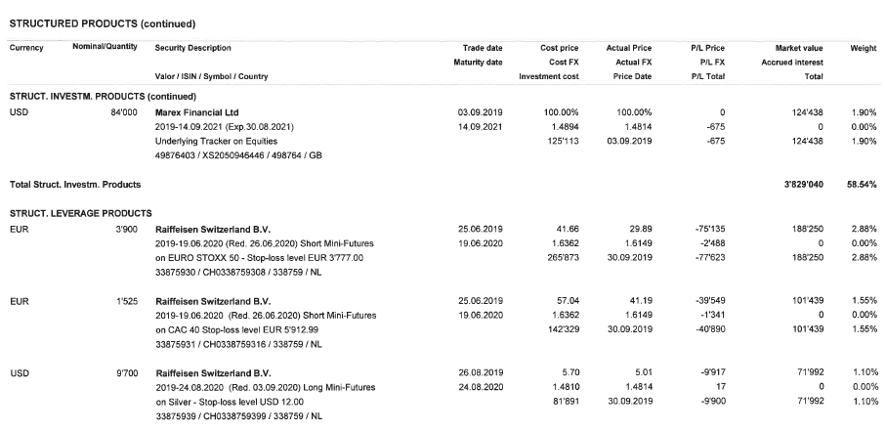
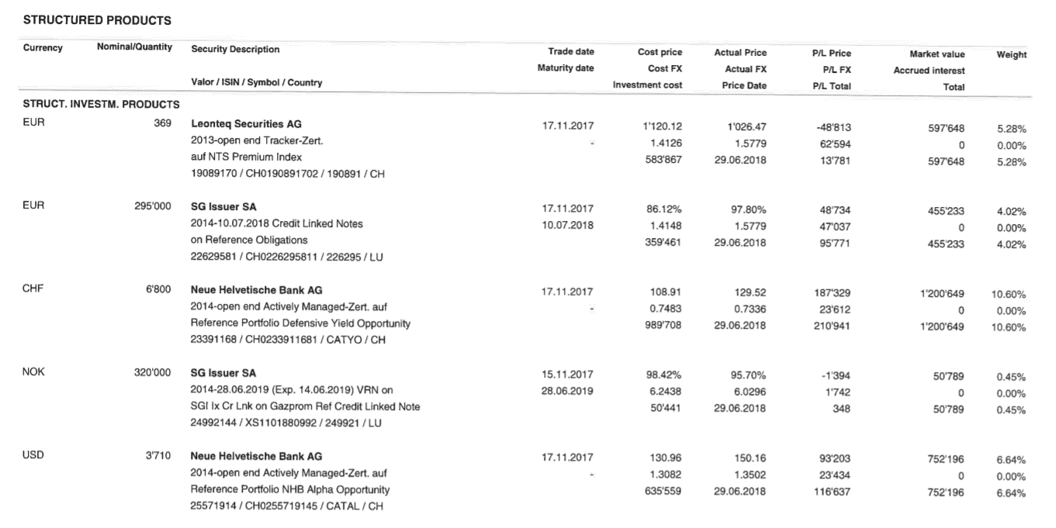
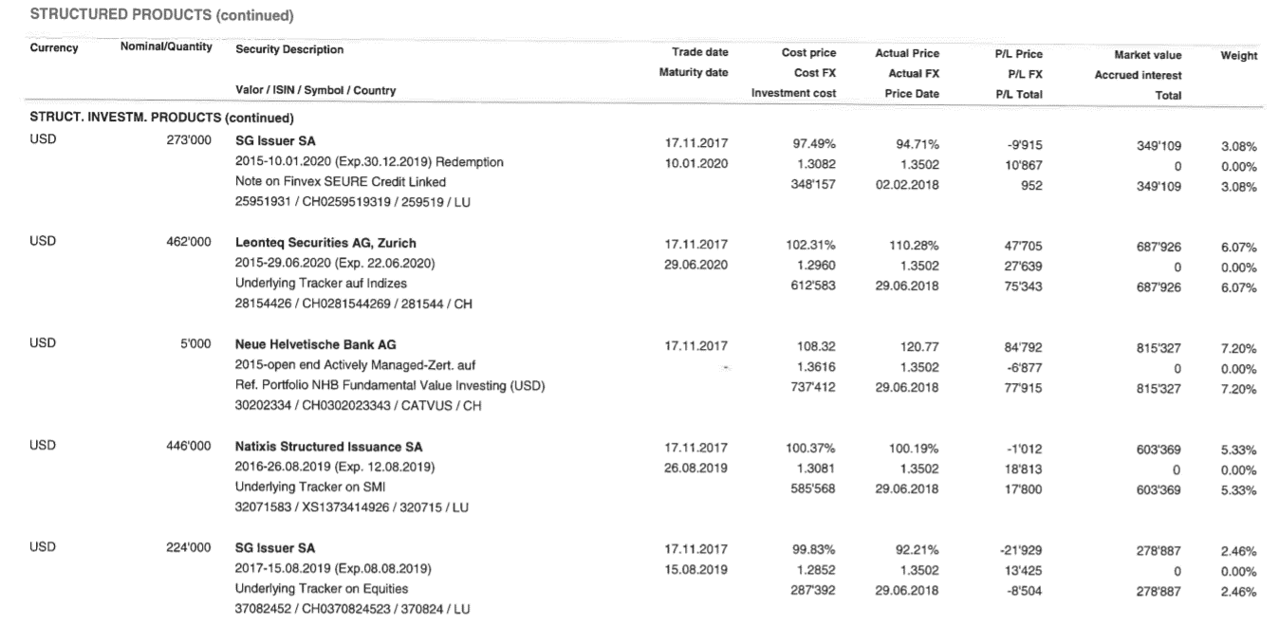
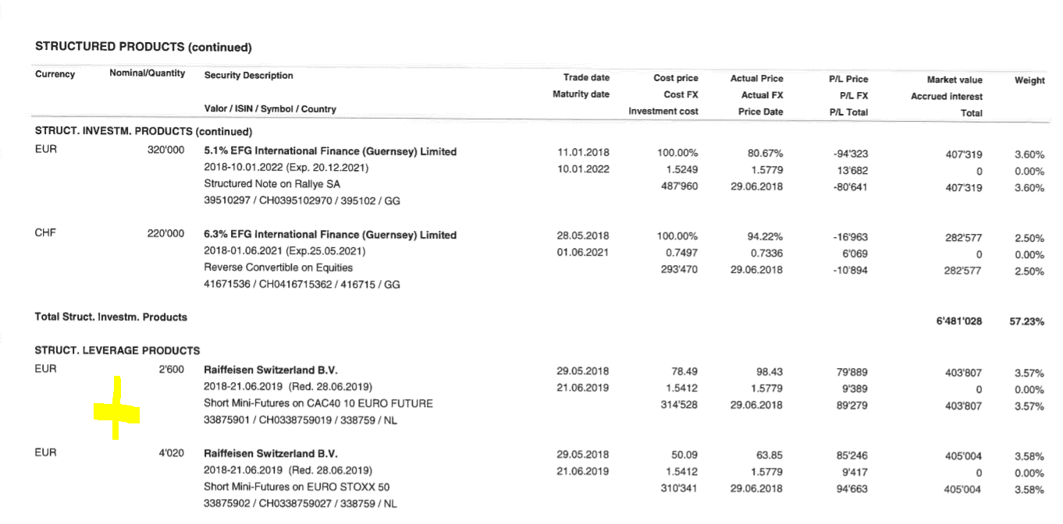
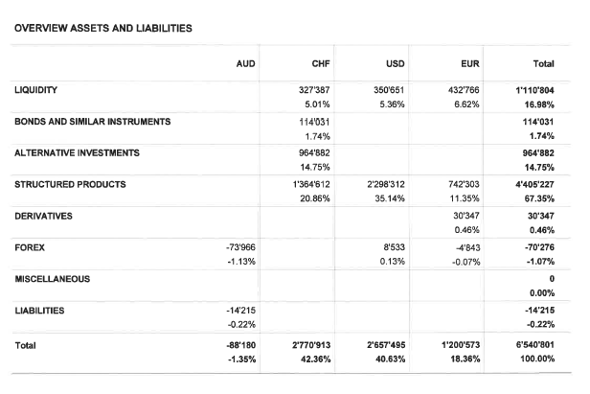
sheet type: | https://rdf.lodgeit.net.au/v1/calcs/ic/ui#unit_values_sheet

unit values
Market v | currency | 2017-07-01 | 2018-06-30 | 2018-07-01 | 2019-06-30 | 2019-07-01 | 2019-09-30 | 2019-10-01 | 2019-12-31 | 2020-01-01 | 2020-06-30 | 2020-07-01 | 2020-09-30 | 2020-10-01 | 2020-12-31 | 2021-03-31 | 2021-04-01 | 2021-06-30
Unilever | EUR |  |  |  |  |  |  |  |  |  | 27.98000 |  |  |  |  |  |  | 46.53500
Axa | EUR |  |  |  |  |  |  |  |  |  | 12.26000 |  |  |  |  |  |  | 28.35000
Siemens | EUR |  |  |  |  |  |  |  |  |  | 86.45000 |  |  |  |  |  |  | 132.00000
BMW | EUR |  |  |  |  |  |  |  |  |  | 105.22000 |  |  |  |  |  |  | 96.42000

BankStatement - AUD
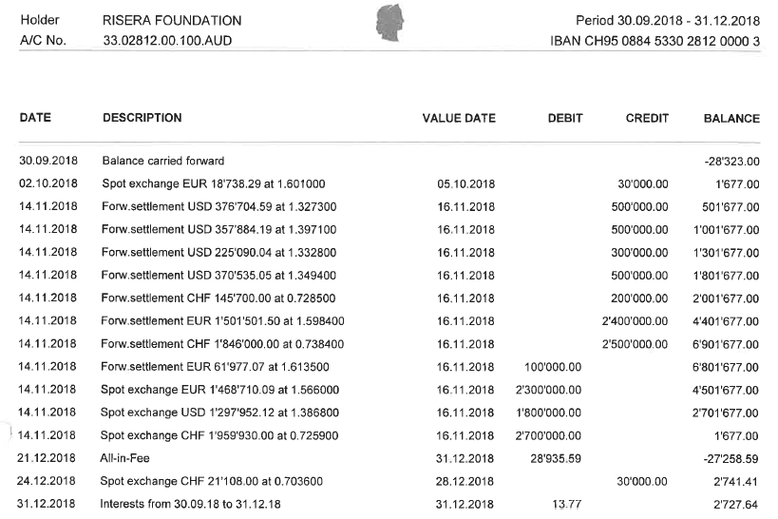
sheet type: | https://rdf.lodgeit.net.au/v1/calcs/ic/ui#bank_statement_sheet

Bank Statement
Bank_ID | IBAN CH95 0884 5330 2812 0000 3
Account_Name | CBA_BankAUD
Account_Number | 33.02812.00.100.AUD
account_currency | AUD

Items
Transaction_Description | Bank_Transaction_Date | Debit | Credit | Bank_Balance | Transaction_Description2
Bank_Opening_Balance | No need to add date here |  |  | -
Introduce_Capital | 01.01.2021 |  | 500,000.00 | 500,000.00 | Via Proprietor
Accountancy_Fees | 05.01.2021 | 5,000.00 |  |  | Noble & Associates
Drawings | 25.05.2021 | 10,000.00 |  |  | To Proprietor
Bank_Charges | 26.05.2021 | 280.00 |  | 484,720.00 | NAB charge

BankStatement - EUR
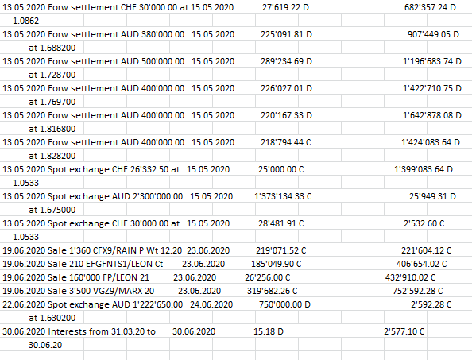
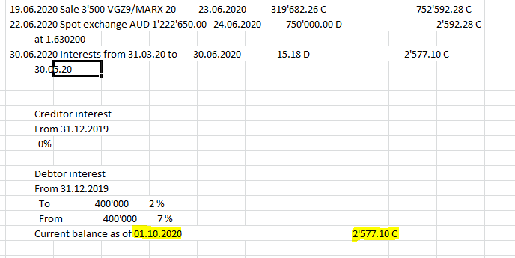
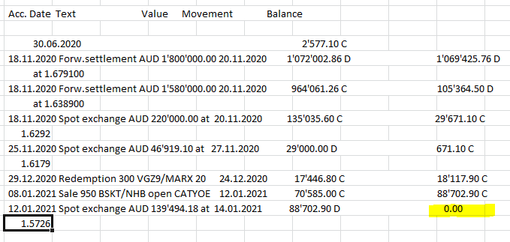
sheet type: | https://rdf.lodgeit.net.au/v1/calcs/ic/ui#bank_statement_sheet

Bank Statement
Bank_ID | IBAN CH52 0884 5330 2812 0000 1
Account_Name | Helvetische_BankEUR
Account_Number | 33.02812.00.100.EUR
account_currency | EUR

Items
Transaction_Description | Bank_Transaction_Date | Debit | Credit | Bank_Balance | Units | Units_Type | Transaction_Description2
Bank_Opening_Balance | No need to add date here |  |  | -
Introduce_Capital | 10.11.2017 |  | 200,000.00 | 200,000.00 |  |  | Via proprietor
Invest_In | 01.01.2020 | 2,700.00 |  | 197,300.00 | 100 | Unilever
Invest_In | 01.02.2020 | 600.00 |  | 196,700.00 | 50 | Axa
Invest_In | 01.03.2020 | 6,020.00 |  | 190,680.00 | 70 | Siemens
Invest_In | 01.08.2020 | 9,240.00 |  | 181,440.00 | 88 | BMW
Dispose_Off | 15.06.2021 |  | 3,200.00 | 184,640.00 | 100 | Unilever
Dispose_Off | 15.06.2021 |  | 800.00 | 185,440.00 | 50 | Axa
Dispose_Off | 15.06.2021 |  | 6,160.00 | 191,600.00 | 70 | Siemens
Dispose_Off | 15.06.2021 |  | 8,624.00 | 200,224.00 | 88 | BMW

BankStatementQuasi Bank - EUR
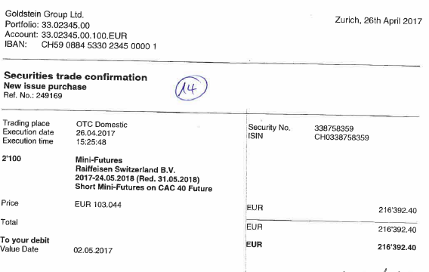
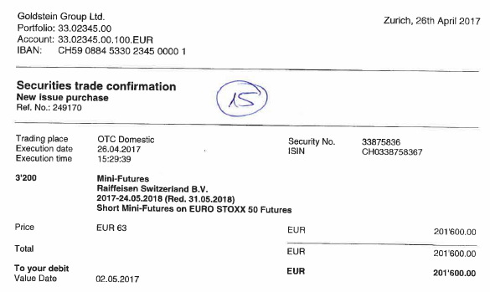
sheet type: | https://rdf.lodgeit.net.au/v1/calcs/ic/ui#bank_statement_sheet

Bank Statement
Bank_ID | Quasi bank - EUR
Account_Name | Quasi_bankEUR
Account_Number
account_currency | EUR

Items
Transaction_Description | Bank_Transaction_Date | Debit | Credit | Units | Units_Type | Transaction_Description2
Opening Balance | No need to add date here
Invest_In | 2016-08-29 | 95,000.00 |  | 3,653.00 | Unilever
Introduce_Capital | 2016-08-29 |  | 95,000.00 |  |  | Unilever
Invest_In | 2015-03-18 | 50,000.00 |  | 4,166.00 | Siemens
Introduce_Capital | 2015-03-18 |  | 50,000.00 |  |  | Siemens
Invest_In | 2015-06-16 | 100,000.00 |  | 1,250.00 | Axa
Introduce_Capital | 2015-06-16 |  | 100,000.00 |  |  | Axa
Invest_In | 2015-03-19 | 77,000.00 |  | 770.00 | BMW
Introduce_Capital | 2015-03-19 |  | 77,000.00 |  |  | BMW

