Sheet1
 | surplus | claim | claim frequency |  | output
initial | 0 |  | no claim | 438 | # RUIN = | 4970
year 1 | 1 | 0 | one claim | 56 | P(RUIN) ≈ | 0.497
year 2 | 2 | 0 | two claim | 5
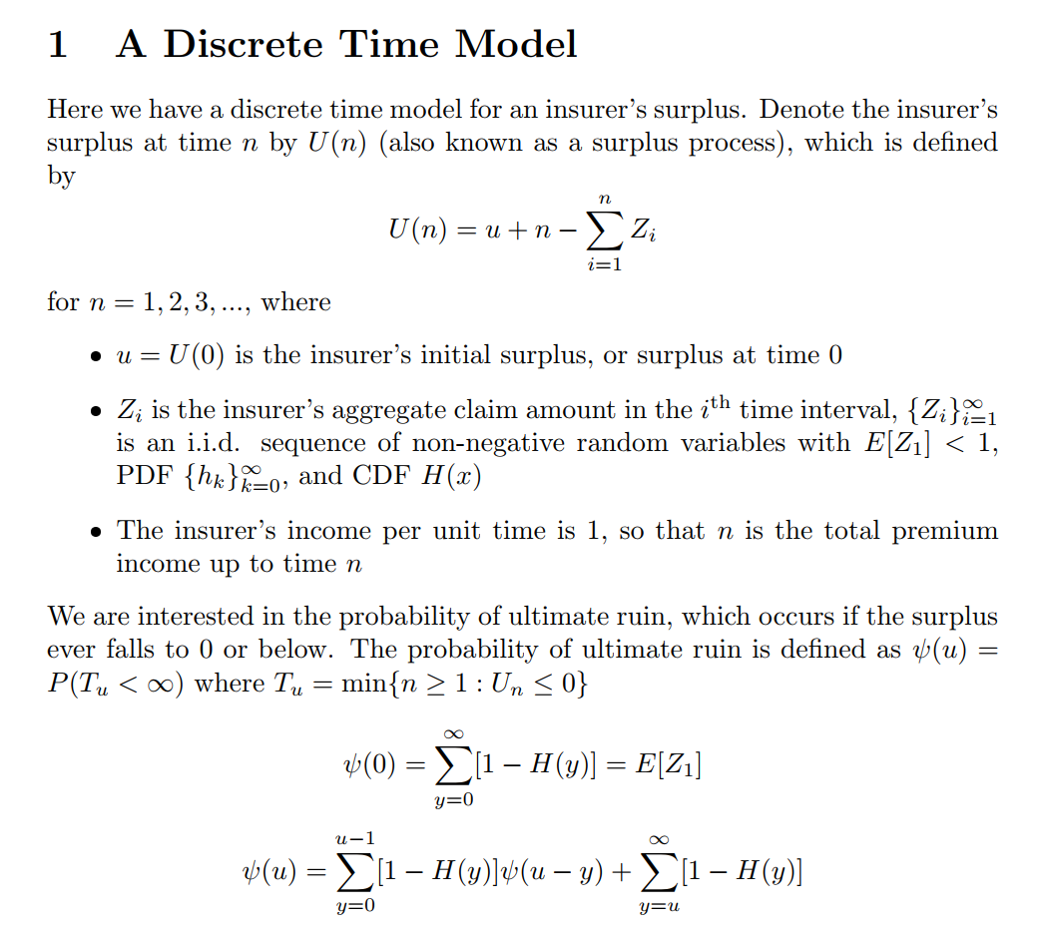
. | 3 | 0 | three claim | 0
. | 4 | 0 | simulations
. | 5 | 0 | 1 | RUIN
. | 6 | 0 | 2 | RUIN
. | 7 | 0 | 3 | SUCCESS
. | 8 | 0 | 4 | SUCCESS
. | 9 | 0 | 5 | SUCCESS
. | 10 | 0 | 6 | SUCCESS
. | 11 | 0 | 7 | SUCCESS
. | 12 | 0 | 8 | RUIN
. | 13 | 0 | 9 | SUCCESS
. | 14 | 0 | 10 | SUCCESS
. | 15 | 0 | 11 | SUCCESS
. | 16 | 0 | 12 | RUIN
. | 17 | 0 | 13 | RUIN
. | 18 | 0 | 14 | RUIN
. | 19 | 0 | 15 | SUCCESS
. | 20 | 0 | 16 | RUIN
. | 21 | 0 | 17 | RUIN
. | 22 | 0 | 18 | SUCCESS
. | 23 | 0 | 19 | RUIN
. | 24 | 0 | 20 | SUCCESS
. | 25 | 0 | 21 | SUCCESS
. | 26 | 0 | 22 | RUIN
. | 27 | 0 | 23 | RUIN
. | 28 | 0 | 24 | SUCCESS
. | 29 | 0 | 25 | SUCCESS
. | 25 | 1 | 26 | SUCCESS
. | 26 | 0 | 27 | RUIN
. | 27 | 0 | 28 | RUIN
. | 28 | 0 | 29 | RUIN
. | 29 | 0 | 30 | RUIN
. | 30 | 0 | 31 | SUCCESS
. | 26 | 1 | 32 | RUIN
. | 27 | 0 | 33 | RUIN
. | 28 | 0 | 34 | SUCCESS
. | 24 | 1 | 35 | RUIN
. | 25 | 0 | 36 | RUIN
 | 21 | 1 | 37 | RUIN
 | 22 | 0 | 38 | RUIN
 | 23 | 0 | 39 | SUCCESS
 | 19 | 1 | 40 | SUCCESS
 | 20 | 0 | 41 | RUIN
 | 16 | 1 | 42 | SUCCESS
 | 17 | 0 | 43 | SUCCESS
 | 18 | 0 | 44 | RUIN
 | 19 | 0 | 45 | SUCCESS
 | 15 | 1 | 46 | SUCCESS
 | 6 | 2 | 47 | RUIN
 | -3 | 2 | 48 | SUCCESS
 | 0 | 1 | 49 | RUIN
 | 0 | 0 | 50 | RUIN
 | 0 | 0 | 51 | SUCCESS
 | 0 | 0 | 52 | SUCCESS
 | 0 | 0 | 53 | RUIN
 | 0 | 0 | 54 | SUCCESS
 | 0 | 0 | 55 | SUCCESS
 | 0 | 0 | 56 | RUIN
 | 0 | 0 | 57 | RUIN
 | 0 | 0 | 58 | RUIN
 | 0 | 0 | 59 | RUIN
 | 0 | 0 | 60 | SUCCESS
 | 0 | 0 | 61 | SUCCESS
 | 0 | 0 | 62 | SUCCESS
 | 0 | 1 | 63 | SUCCESS
 | 0 | 0 | 64 | SUCCESS
 | 0 | 0 | 65 | SUCCESS
 | 0 | 0 | 66 | RUIN
 | 0 | 0 | 67 | RUIN
 | 0 | 0 | 68 | RUIN
 | 0 | 0 | 69 | SUCCESS
 | 0 | 1 | 70 | RUIN
 | 0 | 0 | 71 | RUIN
 | 0 | 0 | 72 | RUIN
 | 0 | 0 | 73 | SUCCESS
 | 0 | 0 | 74 | RUIN
 | 0 | 0 | 75 | RUIN
 | 0 | 0 | 76 | RUIN
 | 0 | 0 | 77 | RUIN
 | 0 | 1 | 78 | SUCCESS
 | 0 | 0 | 79 | RUIN
 | 0 | 0 | 80 | RUIN
 | 0 | 0 | 81 | SUCCESS
 | 0 | 0 | 82 | SUCCESS
 | 0 | 0 | 83 | SUCCESS
 | 0 | 0 | 84 | RUIN
 | 0 | 0 | 85 | SUCCESS
 | 0 | 0 | 86 | RUIN
 | 0 | 1 | 87 | RUIN
 | 0 | 0 | 88 | SUCCESS
 | 0 | 0 | 89 | SUCCESS
 | 0 | 0 | 90 | SUCCESS
 | 0 | 0 | 91 | SUCCESS
 | 0 | 0 | 92 | RUIN
 | 0 | 0 | 93 | SUCCESS
 | 0 | 0 | 94 | SUCCESS
 | 0 | 0 | 95 | SUCCESS
 | 0 | 0 | 96 | RUIN
 | 0 | 0 | 97 | RUIN
 | 0 | 0 | 98 | RUIN
 | 0 | 0 | 99 | RUIN
 | 0 | 0 | 100 | RUIN
 | 0 | 0 | 101 | RUIN
 | 0 | 0 | 102 | RUIN
 | 0 | 0 | 103 | RUIN
 | 0 | 0 | 104 | RUIN
 | 0 | 0 | 105 | RUIN
 | 0 | 1 | 106 | SUCCESS
 | 0 | 0 | 107 | RUIN
 | 0 | 0 | 108 | SUCCESS
 | 0 | 0 | 109 | RUIN
 | 0 | 0 | 110 | RUIN
 | 0 | 0 | 111 | SUCCESS
 | 0 | 0 | 112 | SUCCESS
 | 0 | 0 | 113 | SUCCESS
 | 0 | 0 | 114 | SUCCESS
 | 0 | 0 | 115 | SUCCESS
 | 0 | 0 | 116 | RUIN
 | 0 | 0 | 117 | RUIN
 | 0 | 0 | 118 | RUIN
 | 0 | 0 | 119 | SUCCESS
 | 0 | 0 | 120 | RUIN
 | 0 | 0 | 121 | RUIN
 | 0 | 1 | 122 | RUIN
 | 0 | 0 | 123 | SUCCESS
 | 0 | 0 | 124 | RUIN
 | 0 | 0 | 125 | SUCCESS
 | 0 | 0 | 126 | RUIN
 | 0 | 0 | 127 | SUCCESS
 | 0 | 0 | 128 | SUCCESS
 | 0 | 0 | 129 | SUCCESS
 | 0 | 0 | 130 | RUIN
 | 0 | 0 | 131 | RUIN
 | 0 | 0 | 132 | SUCCESS
 | 0 | 0 | 133 | SUCCESS
 | 0 | 0 | 134 | RUIN
 | 0 | 0 | 135 | SUCCESS
 | 0 | 0 | 136 | SUCCESS
 | 0 | 0 | 137 | SUCCESS
 | 0 | 0 | 138 | RUIN
 | 0 | 0 | 139 | RUIN
 | 0 | 0 | 140 | RUIN
 | 0 | 0 | 141 | RUIN
 | 0 | 0 | 142 | RUIN
 | 0 | 0 | 143 | SUCCESS
 | 0 | 0 | 144 | RUIN
 | 0 | 0 | 145 | RUIN
 | 0 | 0 | 146 | RUIN
 | 0 | 0 | 147 | SUCCESS
 | 0 | 1 | 148 | RUIN
 | 0 | 0 | 149 | RUIN
 | 0 | 0 | 150 | RUIN
 | 0 | 0 | 151 | SUCCESS
 | 0 | 0 | 152 | RUIN
 | 0 | 0 | 153 | SUCCESS
 | 0 | 0 | 154 | RUIN
 | 0 | 0 | 155 | SUCCESS
 | 0 | 0 | 156 | RUIN
 | 0 | 1 | 157 | RUIN
 | 0 | 1 | 158 | RUIN
 | 0 | 1 | 159 | RUIN
 | 0 | 0 | 160 | RUIN
 | 0 | 1 | 161 | SUCCESS
 | 0 | 0 | 162 | RUIN
 | 0 | 0 | 163 | SUCCESS
 | 0 | 0 | 164 | RUIN
 | 0 | 0 | 165 | SUCCESS
 | 0 | 0 | 166 | RUIN
 | 0 | 0 | 167 | SUCCESS
 | 0 | 0 | 168 | RUIN
 | 0 | 0 | 169 | SUCCESS
 | 0 | 0 | 170 | SUCCESS
 | 0 | 0 | 171 | RUIN
 | 0 | 1 | 172 | SUCCESS
 | 0 | 0 | 173 | RUIN
 | 0 | 0 | 174 | RUIN
 | 0 | 0 | 175 | SUCCESS
 | 0 | 0 | 176 | RUIN
 | 0 | 0 | 177 | SUCCESS
 | 0 | 1 | 178 | SUCCESS
 | 0 | 0 | 179 | RUIN
 | 0 | 0 | 180 | SUCCESS
 | 0 | 0 | 181 | RUIN
 | 0 | 0 | 182 | SUCCESS
 | 0 | 0 | 183 | SUCCESS
 | 0 | 0 | 184 | SUCCESS
 | 0 | 0 | 185 | RUIN
 | 0 | 0 | 186 | SUCCESS
 | 0 | 0 | 187 | RUIN
 | 0 | 0 | 188 | RUIN
 | 0 | 0 | 189 | SUCCESS
 | 0 | 0 | 190 | RUIN
 | 0 | 1 | 191 | RUIN
 | 0 | 0 | 192 | SUCCESS
 | 0 | 0 | 193 | SUCCESS
 | 0 | 0 | 194 | SUCCESS
 | 0 | 0 | 195 | RUIN
 | 0 | 0 | 196 | RUIN
 | 0 | 0 | 197 | SUCCESS
 | 0 | 0 | 198 | SUCCESS
 | 0 | 0 | 199 | SUCCESS
 | 0 | 1 | 200 | RUIN
 | 0 | 0 | 201 | RUIN
 | 0 | 0 | 202 | SUCCESS
 | 0 | 0 | 203 | RUIN
 | 0 | 0 | 204 | RUIN
 | 0 | 0 | 205 | RUIN
 | 0 | 0 | 206 | SUCCESS
 | 0 | 0 | 207 | SUCCESS
 | 0 | 1 | 208 | RUIN
 | 0 | 1 | 209 | SUCCESS
 | 0 | 0 | 210 | SUCCESS
 | 0 | 1 | 211 | RUIN
 | 0 | 0 | 212 | SUCCESS
 | 0 | 0 | 213 | RUIN
 | 0 | 0 | 214 | RUIN
 | 0 | 0 | 215 | RUIN
 | 0 | 0 | 216 | SUCCESS
 | 0 | 0 | 217 | SUCCESS
 | 0 | 0 | 218 | RUIN
 | 0 | 0 | 219 | RUIN
 | 0 | 0 | 220 | SUCCESS
 | 0 | 0 | 221 | SUCCESS
 | 0 | 1 | 222 | RUIN
 | 0 | 1 | 223 | RUIN
 | 0 | 0 | 224 | SUCCESS
 | 0 | 0 | 225 | RUIN
 | 0 | 0 | 226 | SUCCESS
 | 0 | 0 | 227 | SUCCESS
 | 0 | 0 | 228 | SUCCESS
 | 0 | 0 | 229 | SUCCESS
 | 0 | 0 | 230 | SUCCESS
 | 0 | 0 | 231 | RUIN
 | 0 | 0 | 232 | SUCCESS
 | 0 | 0 | 233 | SUCCESS
 | 0 | 0 | 234 | RUIN
 | 0 | 0 | 235 | RUIN
 | 0 | 0 | 236 | SUCCESS
 | 0 | 0 | 237 | RUIN
 | 0 | 0 | 238 | SUCCESS
 | 0 | 0 | 239 | RUIN
 | 0 | 2 | 240 | SUCCESS
 | 0 | 0 | 241 | SUCCESS
 | 0 | 0 | 242 | SUCCESS
 | 0 | 0 | 243 | SUCCESS
 | 0 | 0 | 244 | RUIN
 | 0 | 0 | 245 | SUCCESS
 | 0 | 0 | 246 | RUIN
 | 0 | 0 | 247 | RUIN
 | 0 | 0 | 248 | SUCCESS
 | 0 | 0 | 249 | SUCCESS
 | 0 | 0 | 250 | RUIN
 | 0 | 0 | 251 | SUCCESS
 | 0 | 0 | 252 | SUCCESS
 | 0 | 0 | 253 | SUCCESS
 | 0 | 0 | 254 | RUIN
 | 0 | 0 | 255 | SUCCESS
 | 0 | 0 | 256 | SUCCESS
 | 0 | 0 | 257 | RUIN
 | 0 | 1 | 258 | RUIN
 | 0 | 0 | 259 | RUIN
 | 0 | 0 | 260 | RUIN
 | 0 | 0 | 261 | RUIN
 | 0 | 0 | 262 | SUCCESS
 | 0 | 0 | 263 | SUCCESS
 | 0 | 0 | 264 | RUIN
 | 0 | 0 | 265 | RUIN
 | 0 | 0 | 266 | RUIN
 | 0 | 0 | 267 | SUCCESS
 | 0 | 0 | 268 | RUIN
 | 0 | 0 | 269 | RUIN
 | 0 | 0 | 270 | SUCCESS
 | 0 | 0 | 271 | SUCCESS
 | 0 | 0 | 272 | RUIN
 | 0 | 0 | 273 | RUIN
 | 0 | 0 | 274 | RUIN
 | 0 | 0 | 275 | RUIN
 | 0 | 0 | 276 | RUIN
 | 0 | 0 | 277 | SUCCESS
 | 0 | 0 | 278 | SUCCESS
 | 0 | 0 | 279 | SUCCESS
 | 0 | 0 | 280 | RUIN
 | 0 | 0 | 281 | SUCCESS
 | 0 | 0 | 282 | SUCCESS
 | 0 | 0 | 283 | RUIN
 | 0 | 0 | 284 | SUCCESS
 | 0 | 0 | 285 | RUIN
 | 0 | 1 | 286 | RUIN
 | 0 | 0 | 287 | RUIN
 | 0 | 0 | 288 | SUCCESS
 | 0 | 0 | 289 | SUCCESS
 | 0 | 0 | 290 | RUIN
 | 0 | 0 | 291 | SUCCESS
 | 0 | 0 | 292 | RUIN
 | 0 | 0 | 293 | RUIN
 | 0 | 0 | 294 | SUCCESS
 | 0 | 0 | 295 | RUIN
 | 0 | 0 | 296 | RUIN
 | 0 | 0 | 297 | RUIN
 | 0 | 0 | 298 | RUIN
 | 0 | 0 | 299 | RUIN
 | 0 | 0 | 300 | SUCCESS
 | 0 | 0 | 301 | SUCCESS
 | 0 | 0 | 302 | SUCCESS
 | 0 | 0 | 303 | SUCCESS
 | 0 | 1 | 304 | RUIN
 | 0 | 0 | 305 | SUCCESS
 | 0 | 0 | 306 | RUIN
 | 0 | 0 | 307 | RUIN
 | 0 | 0 | 308 | SUCCESS
 | 0 | 1 | 309 | SUCCESS
 | 0 | 0 | 310 | SUCCESS
 | 0 | 0 | 311 | SUCCESS
 | 0 | 0 | 312 | SUCCESS
 | 0 | 1 | 313 | RUIN
 | 0 | 0 | 314 | RUIN
 | 0 | 0 | 315 | RUIN
 | 0 | 0 | 316 | SUCCESS
 | 0 | 1 | 317 | RUIN
 | 0 | 0 | 318 | RUIN
 | 0 | 0 | 319 | RUIN
 | 0 | 0 | 320 | SUCCESS
 | 0 | 0 | 321 | SUCCESS
 | 0 | 0 | 322 | SUCCESS
 | 0 | 0 | 323 | RUIN
 | 0 | 0 | 324 | RUIN
 | 0 | 0 | 325 | RUIN
 | 0 | 0 | 326 | RUIN
 | 0 | 0 | 327 | RUIN
 | 0 | 0 | 328 | RUIN
 | 0 | 0 | 329 | RUIN
 | 0 | 0 | 330 | RUIN
 | 0 | 0 | 331 | RUIN
 | 0 | 1 | 332 | SUCCESS
 | 0 | 0 | 333 | RUIN
 | 0 | 0 | 334 | SUCCESS
 | 0 | 0 | 335 | SUCCESS
 | 0 | 0 | 336 | SUCCESS
 | 0 | 0 | 337 | RUIN
 | 0 | 1 | 338 | SUCCESS
 | 0 | 0 | 339 | RUIN
 | 0 | 0 | 340 | SUCCESS
 | 0 | 0 | 341 | SUCCESS
 | 0 | 0 | 342 | RUIN
 | 0 | 0 | 343 | RUIN
 | 0 | 0 | 344 | SUCCESS
 | 0 | 0 | 345 | RUIN
 | 0 | 0 | 346 | RUIN
 | 0 | 0 | 347 | RUIN
 | 0 | 0 | 348 | SUCCESS
 | 0 | 0 | 349 | SUCCESS
 | 0 | 0 | 350 | SUCCESS
 | 0 | 0 | 351 | RUIN
 | 0 | 0 | 352 | SUCCESS
 | 0 | 1 | 353 | SUCCESS
 | 0 | 0 | 354 | RUIN
 | 0 | 0 | 355 | SUCCESS
 | 0 | 0 | 356 | RUIN
 | 0 | 0 | 357 | SUCCESS
 | 0 | 0 | 358 | SUCCESS
 | 0 | 0 | 359 | SUCCESS
 | 0 | 0 | 360 | RUIN
 | 0 | 0 | 361 | RUIN
 | 0 | 0 | 362 | SUCCESS
 | 0 | 0 | 363 | SUCCESS
 | 0 | 0 | 364 | RUIN
 | 0 | 0 | 365 | SUCCESS
 | 0 | 1 | 366 | SUCCESS
 | 0 | 0 | 367 | SUCCESS
 | 0 | 0 | 368 | SUCCESS
 | 0 | 0 | 369 | SUCCESS
 | 0 | 1 | 370 | SUCCESS
 | 0 | 0 | 371 | SUCCESS
 | 0 | 1 | 372 | RUIN
 | 0 | 0 | 373 | RUIN
 | 0 | 0 | 374 | RUIN
 | 0 | 0 | 375 | RUIN
 | 0 | 0 | 376 | RUIN
 | 0 | 0 | 377 | RUIN
 | 0 | 0 | 378 | RUIN
 | 0 | 0 | 379 | SUCCESS
 | 0 | 0 | 380 | SUCCESS
 | 0 | 0 | 381 | RUIN
 | 0 | 0 | 382 | RUIN
 | 0 | 2 | 383 | RUIN
 | 0 | 0 | 384 | SUCCESS
 | 0 | 0 | 385 | RUIN
 | 0 | 0 | 386 | RUIN
 | 0 | 0 | 387 | SUCCESS
 | 0 | 0 | 388 | RUIN
 | 0 | 0 | 389 | RUIN
 | 0 | 1 | 390 | RUIN
 | 0 | 0 | 391 | SUCCESS
 | 0 | 0 | 392 | SUCCESS
 | 0 | 0 | 393 | RUIN
 | 0 | 0 | 394 | RUIN
 | 0 | 0 | 395 | SUCCESS
 | 0 | 0 | 396 | SUCCESS
 | 0 | 0 | 397 | RUIN
 | 0 | 0 | 398 | RUIN
 | 0 | 0 | 399 | RUIN
 | 0 | 0 | 400 | RUIN
 | 0 | 1 | 401 | SUCCESS
 | 0 | 0 | 402 | SUCCESS
 | 0 | 1 | 403 | SUCCESS
 | 0 | 0 | 404 | RUIN
 | 0 | 0 | 405 | SUCCESS
 | 0 | 0 | 406 | SUCCESS
 | 0 | 0 | 407 | SUCCESS
 | 0 | 0 | 408 | RUIN
 | 0 | 0 | 409 | RUIN
 | 0 | 0 | 410 | SUCCESS
 | 0 | 0 | 411 | SUCCESS
 | 0 | 0 | 412 | RUIN
 | 0 | 0 | 413 | RUIN
 | 0 | 1 | 414 | SUCCESS
 | 0 | 0 | 415 | SUCCESS
 | 0 | 0 | 416 | SUCCESS
 | 0 | 1 | 417 | SUCCESS
 | 0 | 0 | 418 | RUIN
 | 0 | 0 | 419 | RUIN
 | 0 | 0 | 420 | RUIN
 | 0 | 0 | 421 | SUCCESS
 | 0 | 0 | 422 | RUIN
 | 0 | 0 | 423 | SUCCESS
 | 0 | 0 | 424 | SUCCESS
 | 0 | 0 | 425 | SUCCESS
 | 0 | 0 | 426 | RUIN
 | 0 | 0 | 427 | SUCCESS
 | 0 | 0 | 428 | RUIN
 | 0 | 0 | 429 | SUCCESS
 | 0 | 0 | 430 | SUCCESS
 | 0 | 1 | 431 | SUCCESS
 | 0 | 0 | 432 | SUCCESS
 | 0 | 0 | 433 | SUCCESS
 | 0 | 0 | 434 | SUCCESS
 | 0 | 0 | 435 | RUIN
 | 0 | 0 | 436 | SUCCESS
 | 0 | 0 | 437 | RUIN
...

Sheet2
...
x | h(x) | H(x) | 1 - H(x) | Ψ(x)
15 | 0.00015037636585 | 1 | 0 | 0.015135040498

Ruin probability by initial surplus Ψ(x)
 | Ψ(x)
0 | 0.50000
1 | 0.44737
2 | 0.38921
3 | 0.32494
4 | 0.25391
5 | 0.17540
6 | 0.14395
7 | 0.11501
8 | 0.08946
9 | 0.06833
10 | 0.05284
11 | 0.04161
12 | 0.03237
13 | 0.02505
14 | 0.01942
15 | 0.01514

