1
COVID-19 deaths per million population

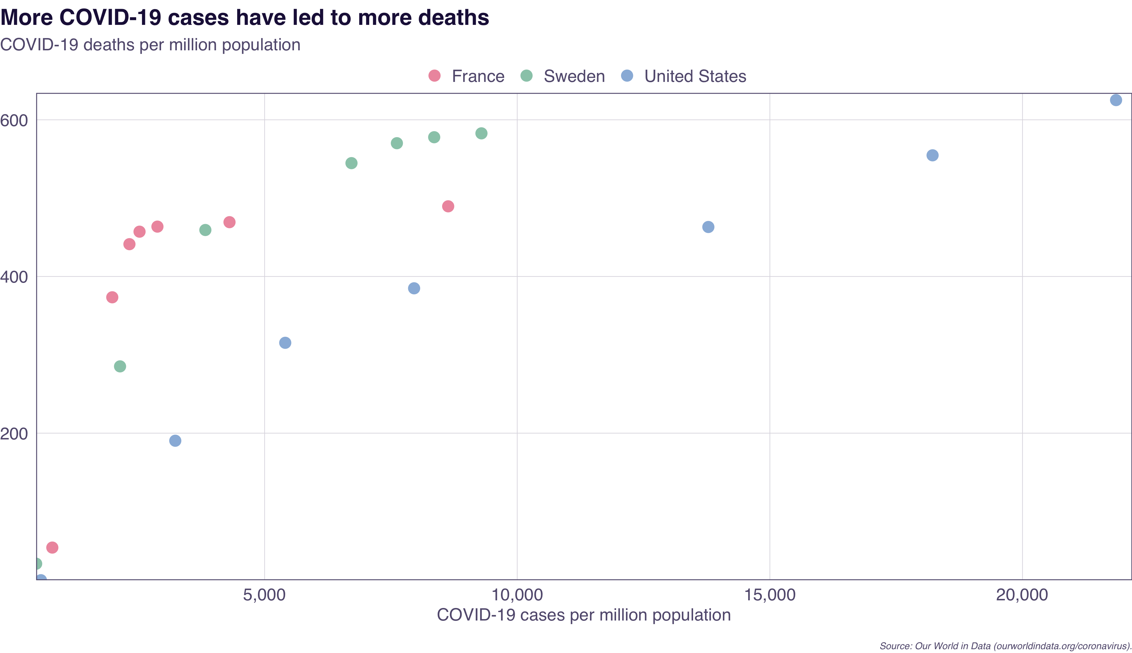
Total_cases_per_million | Total_deaths_per_million | Country | Date
798.609 | 53.973 | France | 2020-04-01
1985.2 | 373.444 | France | 2020-05-01
2324.879 | 441.251 | France | 2020-06-01
2524.776 | 457.199 | France | 2020-07-01
2878.947 | 463.664 | France | 2020-08-01
4305.345 | 469.333 | France | 2020-09-01
8633.441 | 489.571 | France | 2020-10-01
478.747 | 33.369 | Sweden | 2020-04-01
2139.065 | 285.268 | Sweden | 2020-05-01
3827.504 | 459.34 | Sweden | 2020-06-01
6719.496 | 544.693 | Sweden | 2020-07-01
7618.174 | 570.14 | Sweden | 2020-08-01
8356.446 | 577.765 | Sweden | 2020-09-01
9291.761 | 582.715 | Sweden | 2020-10-01
572.859 | 12.323 | United States | 2020-04-01
3232.077 | 190.349 | United States | 2020-05-01
5408.389 | 315.354 | United States | 2020-06-01
7958.945 | 384.921 | United States | 2020-07-01
13782.479 | 463.181 | United States | 2020-08-01
18220.437 | 554.672 | United States | 2020-09-01
21851.919 | 625.155 | United States | 2020-10-01

Source: Our World in Data (ourworldindata.org/coronavirus).

