Cover


This file was created on 18553

2
COVID-19 deaths per million population

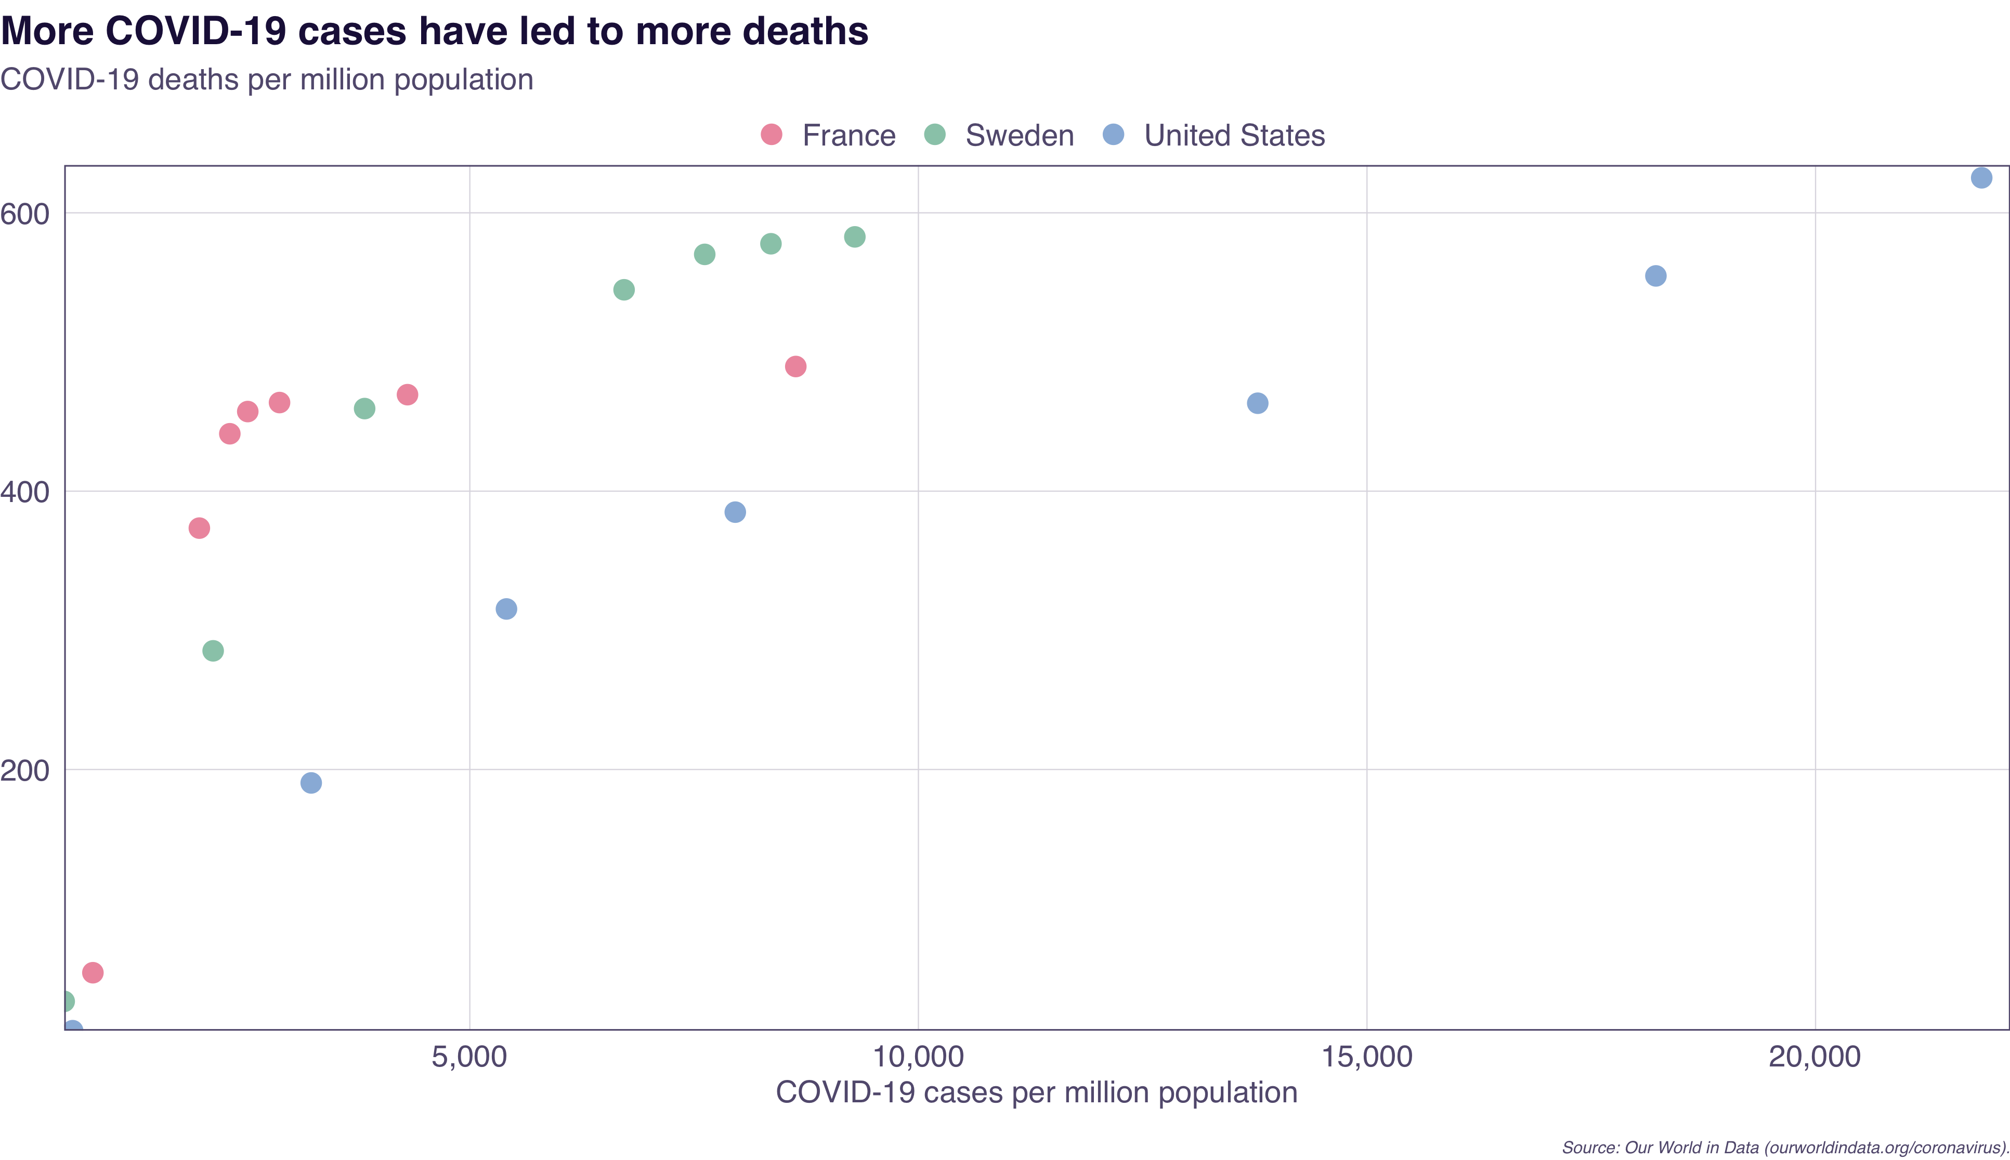
Total_cases_per_million | Total_deaths_per_million | Country
798.609 | 53.973 | France
1985.2 | 373.444 | France
2324.879 | 441.251 | France
2524.776 | 457.199 | France
2878.947 | 463.664 | France
4305.345 | 469.333 | France
8633.441 | 489.571 | France
478.747 | 33.369 | Sweden
2139.065 | 285.268 | Sweden
3827.504 | 459.34 | Sweden
6719.496 | 544.693 | Sweden
7618.174 | 570.14 | Sweden
8356.446 | 577.765 | Sweden
9291.761 | 582.715 | Sweden
572.859 | 12.323 | United States
3232.077 | 190.349 | United States
5408.389 | 315.354 | United States
7958.945 | 384.921 | United States
13782.479 | 463.181 | United States
18220.437 | 554.672 | United States
21851.919 | 625.155 | United States

Source: Our World in Data (ourworldindata.org/coronavirus).

3
Daily COVID-19 cases in Australia

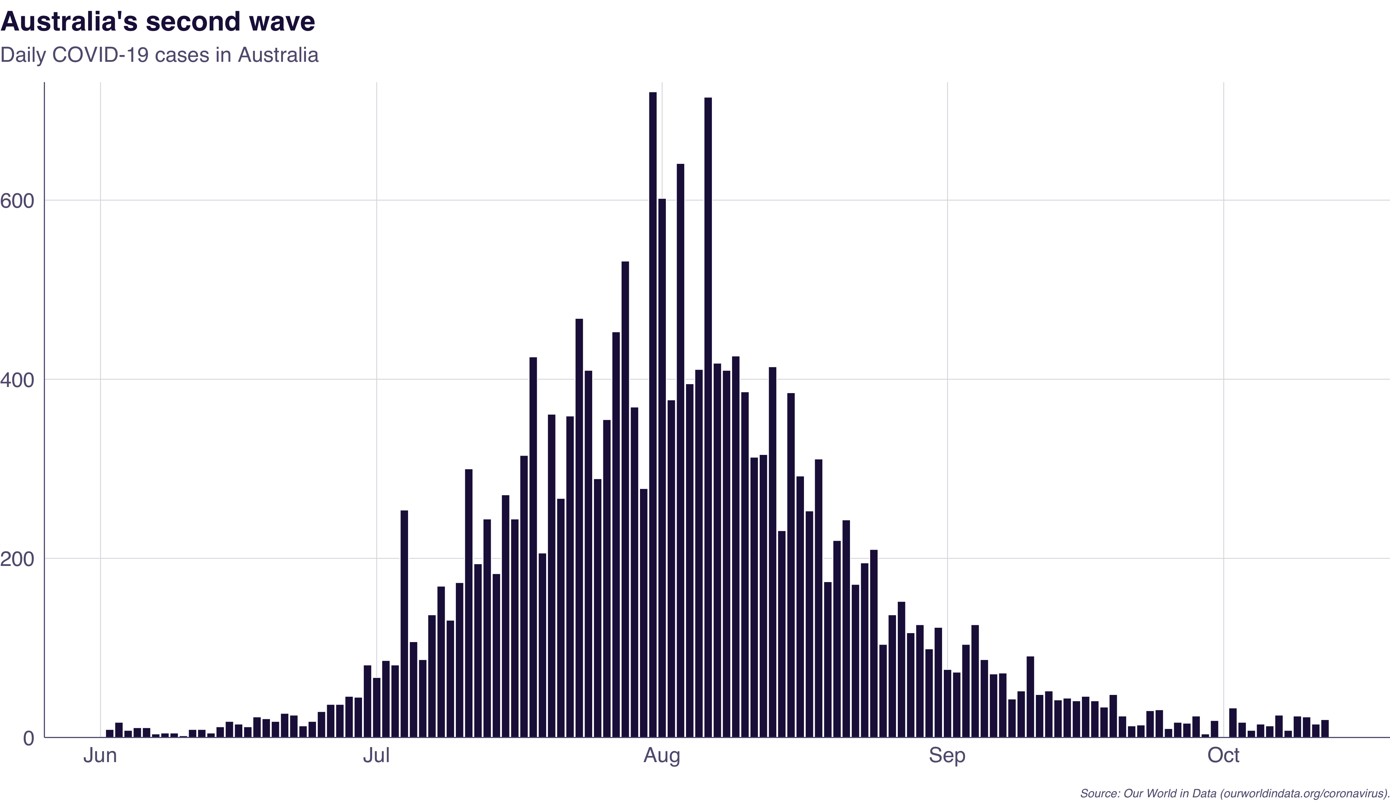
Country | Date | New_cases
Australia | 2020-06-02 | 9
Australia | 2020-06-03 | 17
Australia | 2020-06-04 | 8
Australia | 2020-06-05 | 11
Australia | 2020-06-06 | 11
Australia | 2020-06-07 | 4
Australia | 2020-06-08 | 5
Australia | 2020-06-09 | 5
Australia | 2020-06-10 | 2
Australia | 2020-06-11 | 9
Australia | 2020-06-12 | 9
Australia | 2020-06-13 | 5
Australia | 2020-06-14 | 12
Australia | 2020-06-15 | 18
Australia | 2020-06-16 | 15
Australia | 2020-06-17 | 12
Australia | 2020-06-18 | 23
Australia | 2020-06-19 | 21
Australia | 2020-06-20 | 18
Australia | 2020-06-21 | 27
Australia | 2020-06-22 | 25
Australia | 2020-06-23 | 13
Australia | 2020-06-24 | 18
Australia | 2020-06-25 | 29
Australia | 2020-06-26 | 37
Australia | 2020-06-27 | 37
Australia | 2020-06-28 | 46
Australia | 2020-06-29 | 45
Australia | 2020-06-30 | 81
Australia | 2020-07-01 | 67
Australia | 2020-07-02 | 86
Australia | 2020-07-03 | 81
Australia | 2020-07-04 | 254
Australia | 2020-07-05 | 107
Australia | 2020-07-06 | 87
Australia | 2020-07-07 | 137
Australia | 2020-07-08 | 169
Australia | 2020-07-09 | 131
Australia | 2020-07-10 | 173
Australia | 2020-07-11 | 300
Australia | 2020-07-12 | 194
Australia | 2020-07-13 | 244
Australia | 2020-07-14 | 183
Australia | 2020-07-15 | 271
Australia | 2020-07-16 | 244
Australia | 2020-07-17 | 315
Australia | 2020-07-18 | 425
Australia | 2020-07-19 | 206
Australia | 2020-07-20 | 361
Australia | 2020-07-21 | 267
Australia | 2020-07-22 | 359
Australia | 2020-07-23 | 468
Australia | 2020-07-24 | 410
Australia | 2020-07-25 | 289
Australia | 2020-07-26 | 355
Australia | 2020-07-27 | 453
Australia | 2020-07-28 | 532
Australia | 2020-07-29 | 369
Australia | 2020-07-30 | 278
Australia | 2020-07-31 | 721
Australia | 2020-08-01 | 602
Australia | 2020-08-02 | 377
Australia | 2020-08-03 | 641
Australia | 2020-08-04 | 395
Australia | 2020-08-05 | 411
Australia | 2020-08-06 | 715
Australia | 2020-08-07 | 418
Australia | 2020-08-08 | 410
Australia | 2020-08-09 | 426
Australia | 2020-08-10 | 386
Australia | 2020-08-11 | 313
Australia | 2020-08-12 | 316
Australia | 2020-08-13 | 414
Australia | 2020-08-14 | 231
Australia | 2020-08-15 | 385
Australia | 2020-08-16 | 292
Australia | 2020-08-17 | 253
Australia | 2020-08-18 | 311
Australia | 2020-08-19 | 174
Australia | 2020-08-20 | 220
Australia | 2020-08-21 | 243
Australia | 2020-08-22 | 171
Australia | 2020-08-23 | 195
Australia | 2020-08-24 | 210
Australia | 2020-08-25 | 104
Australia | 2020-08-26 | 137
Australia | 2020-08-27 | 152
Australia | 2020-08-28 | 117
Australia | 2020-08-29 | 126
Australia | 2020-08-30 | 99
Australia | 2020-08-31 | 123
Australia | 2020-09-01 | 76
Australia | 2020-09-02 | 73
Australia | 2020-09-03 | 104
Australia | 2020-09-04 | 126
Australia | 2020-09-05 | 87
Australia | 2020-09-06 | 71
Australia | 2020-09-07 | 72
Australia | 2020-09-08 | 43
Australia | 2020-09-09 | 52
Australia | 2020-09-10 | 91
Australia | 2020-09-11 | 48
Australia | 2020-09-12 | 52
Australia | 2020-09-13 | 42
Australia | 2020-09-14 | 44
Australia | 2020-09-15 | 41
Australia | 2020-09-16 | 46
Australia | 2020-09-17 | 41
Australia | 2020-09-18 | 34
Australia | 2020-09-19 | 48
Australia | 2020-09-20 | 24
Australia | 2020-09-21 | 13
Australia | 2020-09-22 | 14
Australia | 2020-09-23 | 30
Australia | 2020-09-24 | 31
Australia | 2020-09-25 | 10
Australia | 2020-09-26 | 17
Australia | 2020-09-27 | 16
Australia | 2020-09-28 | 24
Australia | 2020-09-29 | 4
Australia | 2020-09-30 | 19
Australia | 2020-10-01 | 0
Australia | 2020-10-02 | 33
Australia | 2020-10-03 | 17
Australia | 2020-10-04 | 8
Australia | 2020-10-05 | 15
Australia | 2020-10-06 | 13
Australia | 2020-10-07 | 25
Australia | 2020-10-08 | 8
Australia | 2020-10-09 | 24
Australia | 2020-10-10 | 23
Australia | 2020-10-11 | 15
Australia | 2020-10-12 | 20

Source: Our World in Data (ourworldindata.org/coronavirus).

