Training_Rewards_Ideal_Model
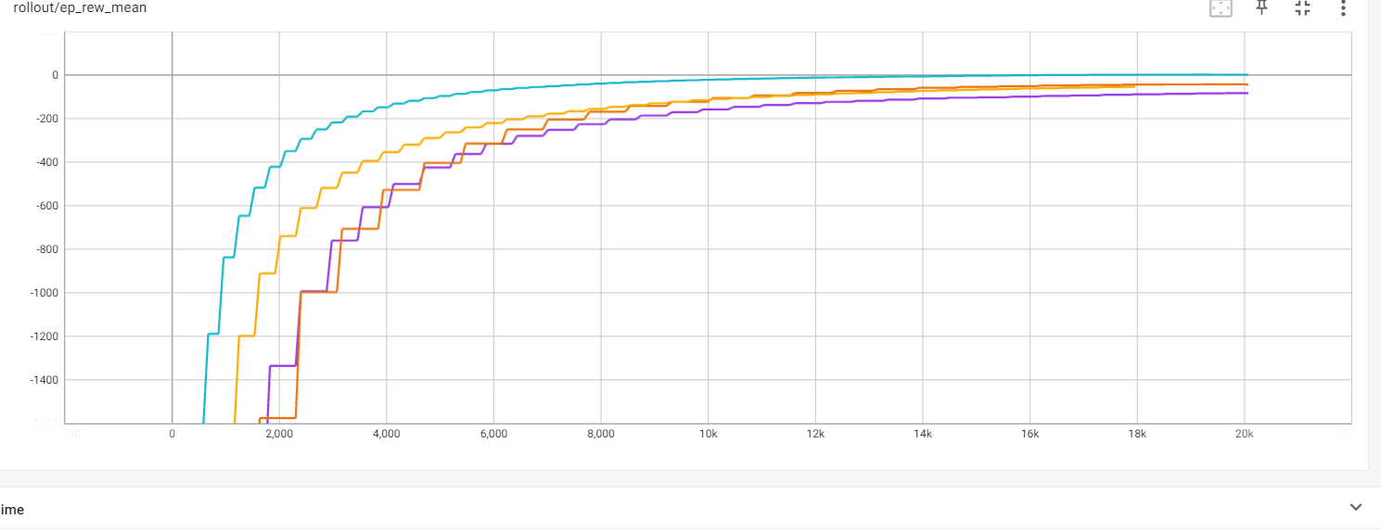

Used the blue model best modell….

