4. Example Form
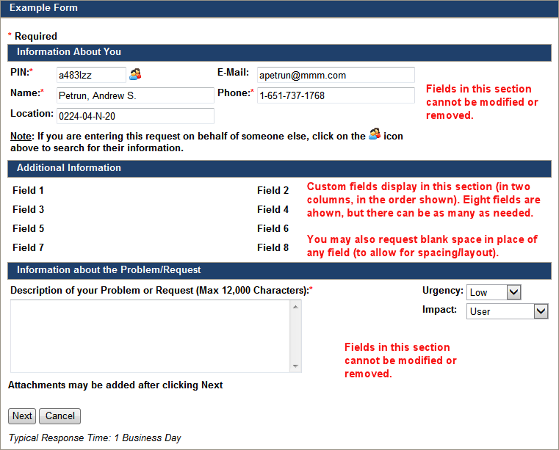
Web Form Request
Example Form
Notes:
● Fields in the "Information About You" and "Information about the problem/request" sections will display on the form by
default and cannot be removed.
● Custom fields will display between the "Information About You" and the "Information about the Problem/Request" sections.
Custom fields are not required. If there aren't any, the "Additional Information" section will not display.

