paper1
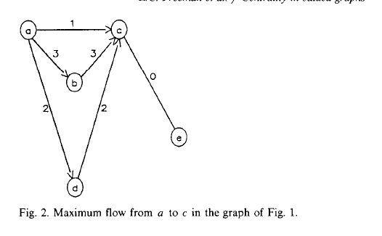
edges |  |  |  | nodes
source | target | capacity | weight | node | x | y | demand
s | 1 | 3 | 1 | s | 0 | 0 | 1
s | 2 | 2 | 1 | 1 | 2 | -13 | 1
s | 3 | 1 | 1 | 2 | 3 | -6 | 1
1 | 3 | 3 | 1 | 3 | 6 | 0 | 1
2 | t | 2 | 2 | t | 8 | 2 | 1
2 | 3 | 2 | 2
3 | t | 5 | 1

informs2019
edges |  |  |  | nodes
source | target | capacity | weight | node | x | y | demand
s | s1 | 100 | 1 | s | 0 | 0 | 1
s | s2 | 100 | 1 | s1 | 5 | 5 | 1
s1 | 1 | 6 | 1 | s2 | 5 | -5 | 1
s1 | 2 | 4 | 1 | 1 | 2 | -13 | 1
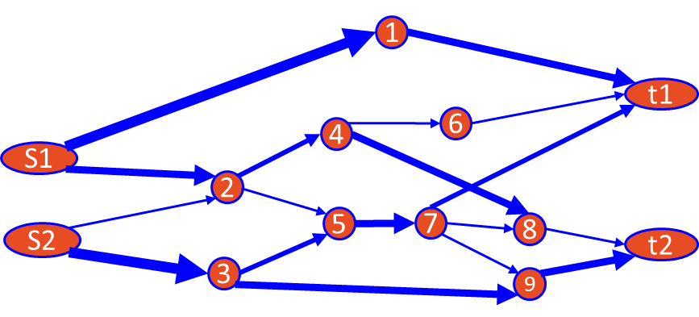
s2 | 3 | 6 | 1 | 2 | 3 | -6 | 1
s2 | 2 | 2 | 1 | 3 | 6 | -2 | 1
1 | t1 | 4 | 1 | 4 | 8 | -13 | 1
2 | 4 | 2 | 2 | 5 | 2 | 12 | 1
2 | 5 | 2 | 2 | 6 | 7 | 3 | 1
3 | 5 | 2 | 2 | 7 | 5 | 7 | 1
3 | 9 | 4 | 2 | 8 | 12 | 12 | 1
5 | 7 | 4 | 1 | 9 | 9 | -2 | 1
6 | t1 | 3 | 2 | t1 | 16 | 5 | 1
7 | t1 | 4 | 2 | t2 | 16 | -5 | 1
7 | 8 | 2 | 2 | t | 20 | 0 | 1
7 | 9 | 2 | 1
4 | 6 | 2 | 1
4 | 8 | 4 | 1
9 | t2 | 4 | 2
8 | t2 | 6 | 2
t1 | t | 100 | 2
t2 | t | 100 | 2

Sheet2
 |  |  | Flow Centrality | capacity | flow | slakc | betweenness
s1 | 1 | (s1,1) | 0.25 | 2 | 2 | 0 | 0.029 |  |  |  | m | k
s1 | 2 | (s1,2) | 0.25 | 2 | 2 | 0 | 0.051 |  |  |  | 10 | 3 | 120
s2 | 3 | (s2,3) | 0.25 | 2 | 2 | 0 | 0.043 |  |  |  | 100 | 3 | 161,700 |  |  |  |  | Centrality in valued graphs: A measure of betweenness based on network flow
s2 | 2 | (s2,2) | 0.375 | 3 | 2 | 1 | 0.04 |  |  |  | 1000 | 3 | 166,167,000
1 | t1 | (1,t1) | 0.25 | 2 | 2 | 0 | 0.029
 | Flow Centrality
(s1,1) | 0.25
(s1,2) | 0.25
(s2,3) | 0.25
(s2,2) | 0.375
(1,t1) | 0.25
(2,4) | 0.25
(2,5) | 0.25
(3,5) | 0.25
(3,9) | 0.25
(4,6) | 0.25
(4,8) | 0.25
(5,7) | 0.375
(9,t2) | 0.5
(7,t1) | 0.375
(7,8) | 0.375
(7,9) | 0.25
(6,t1) | 0.25
(8,t2) | 0.625
2 | 4 | (2,4) | 0.25 | 2 | 2 | 0 | 0.074
2 | 5 | (2,5) | 0.25 | 2 | 2 | 0 | 0.045
3 | 5 | (3,5) | 0.25 | 2 | 0 | 2 | 0.029
3 | 9 | (3,9) | 0.25 | 2 | 2 | 0 | 0.038
4 | 6 | (4,6) | 0.25 | 2 | 0 | 2 | 0.037
4 | 8 | (4,8) | 0.25 | 3 | 2 | 1 | 0.042
5 | 7 | (5,7) | 0.375 | 3 | 2 | 1 | 0.079
9 | t2 | (9,t2) | 0.5 | 4 | 3 | 1 | 0.038
7 | t1 | (7,t1) | 0.375 | 3 | 1 | 2 | 0.031
7 | 8 | (7,8) | 0.375 | 3 | 0 | 3 | 0.019
7 | 9 | (7,9) | 0.25 | 2 | 1 | 1 | 0.024
6 | t1 | (6,t1) | 0.25 | 3 | 0 | 3 | 0.022
8 | t2 | (8,t2) | 0.625 | 8 | 2 | 6 | 0.033

 |  |  |  |  | 6_7 | 7_8 | 8_10 | 12_t |  | [['s', | 6 | 7 | 8 | 10 | 12 | t
 |  |  |  |  | s_6 | 6_7 | 7_8 | 10_13 | 13_t |  | s | 6 | 7 | 8 | 10 | 13 | t
 |  |  |  |  | s_6 | 6_7 | 7_8 | 10_14 | 14_t |  | s | 6 | 7 | 8 | 10 | 14 | t
 |  |  |  |  | s_6 | 6_7 | 7_8 | 10_t |  |  | s | 6 | 7 | 8 | 10 | t
 |  |  |  |  | s_6 | 6_7 | 7_8 | 11_13 | 13_t |  | s | 6 | 7 | 8 | 11 | 13 | t
 |  |  |  |  | s_6 | 6_7 | 7_8 | 11_t |  |  | s | 6 | 7 | 8 | 11 | t
 |  |  |  |  | s_6 | 6_7 | 7_8 | 12_t |  |  | s | 6 | 7 | 8 | 12 | t
 |  |  |  |  | s_6 | 6_7 | 7_12 |  |  |  | s | 6 | 7 | 12 | t
 |  |  |  |  | s_6 | 6_7 | 7_14 |  |  |  | s | 6 | 7 | 14 | t
 |  |  |  |  | s_6 | 6_13 | 13_t |  |  |  | s | 6 | 13 | t
 |  |  |  |  | s_7 | 7_8 | 8_10 | 12_t |  |  | s | 7 | 8 | 10 | 12 | t
 |  |  |  |  | s_7 | 7_8 | 8_10 | 13_t |  |  | s | 7 | 8 | 10 | 13 | t
 |  |  |  |  | s_7 | 7_8 | 8_10 | 14_t |  |  | s | 7 | 8 | 10 | 14 | t
 |  |  |  |  | s_7 | 7_8 | 8_10 |  |  |  | s | 7 | 8 | 10 | t
 |  |  |  |  | s_7 | 7_8 | 8_11 | 13_t |  |  | s | 7 | 8 | 11 | 13 | t
 |  |  |  |  | s_7 | 7_8 | 8_11 |  |  |  | s | 7 | 8 | 11 | t
 |  |  |  |  | s_7 | 7_8 | 8_12 |  |  |  | s | 7 | 8 | 12 | t
 |  |  |  |  | s_7 | 7_12 | 12_t |  |  |  | s | 7 | 12 | t
 |  |  |  |  | s_7 | 7_14 | 14_t |  |  |  | s | 7 | 14 | t
 |  |  |  |  | s_9 | 9_10 | 10_12 |  |  |  | s | 9 | 10 | 12 | t
 |  |  |  |  | s_9 | 9_10 | 10_13 |  |  |  | s | 9 | 10 | 13 | t
 |  |  |  |  | s_9 | 9_10 | 10_14 |  |  |  | s | 9 | 10 | 14 | t
 |  |  |  |  | s_9 | 9_10 | 10_t |  |  |  | s | 9 | 10 | t
 |  |  |  |  | s_9 | 9_12 | 12_t |  |  |  | s | 9 | 12 | t
 |  |  |  |  | s_10 | 10_12 | 12_t |  |  |  | s | 10 | 12 | t
 |  |  |  |  | s_10 | 10_13 | 13_t |  |  |  | s | 10 | 13 | t
 |  |  |  |  | s_10 | 10_14 | 14_t |  |  |  | s | 10 | 14 | t
 |  |  |  |  | s_10 | 10_t |  |  |  |  | s | 10 | t
 |  |  |  |  | s_13 | 13_t |  |  |  |  | s | 13 | t
 |  |  |  |  | s_14 | 14_t |  |  |  |  | s | 14 | t

net1
edges |  |  |  |  | nodes
source | target | capacity | weight | color | node | x | y | demand
s | 1 | 2 | 1 | red | s | 0 | 0 | 1
s | 2 | 2 | 1 | green | 1 | 2 | -20 | 1
s | 3 | 2 | 1 | blue | 2 | 3 | -6 | 1
s | 5 | 3 | 1 | red | 3 | 6 | -2 | 1
s | 6 | 3 | 1 | green | 4 | 8 | -20 | 1
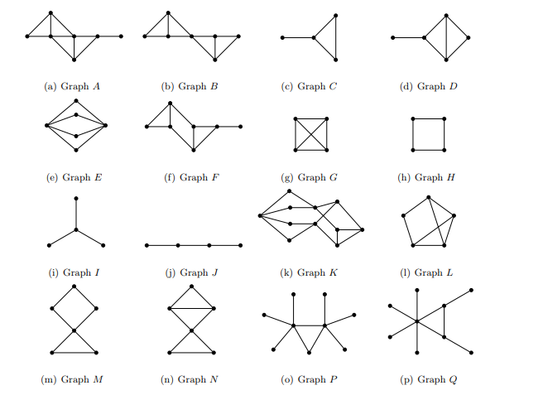
s | 7 | 3 | 1 | blue | 5 | 2 | 18 | 1
1 | 4 | 2 | 1 | red | 6 | 5 | 7 | 1
1 | 2 | 2 | 1 | red | 7 | 5 | 10 | 1
2 | 4 | 2 | 2 | green | 8 | 8 | 15 | 1
3 | 4 | 2 | 2 | blue | 9 | 5 | 3 | 1
5 | 8 | 3 | 1 | red | 14 | 8 | 5 | 1
6 | 14 | 3 | 2 | green | 17 | 9 | -2 | 1
9 | 14 | 2 | 2 | green | 19 | 14 | 0 | 1
7 | 8 | 3 | 2 | blue | 18 | 18 | 7 | 1
s | 9 | 2 | 1 | green | 20 | 16 | -6 | 1
4 | 17 | 2 | 1 | red | t | 20 | 0 | 1
4 | 19 | 3 | 1 | green
17 | 19 | 4 | 2 | blue
8 | 18 | 8 | 2 | red
19 | 18 | 3 | 2 | green
19 | 20 | 5 | 2 | blue
18 | t | 6 | 1 | red
20 | t | 6 | 1 | green
19 | t | 6 | 1 | blue
14 | 18 | 2 | 1 | blue
14 | 19 | 2 | 1 | blue

