Pet
Test Case ID | Bug ID | Title | Test Steps | Test Data | Expected Result | Actual Result | Attachment | Priorty | Type
TC_008 | BUG_01 | Register with letters/special characters in the phone number field | Enter valid (First name, Last name, Email, Password, confirmed Password) Enter invalid Telephone | Tele = 0109okejej | User cannot register, error message appearance | User successfully registers: "Your Account Has Been Created!" | 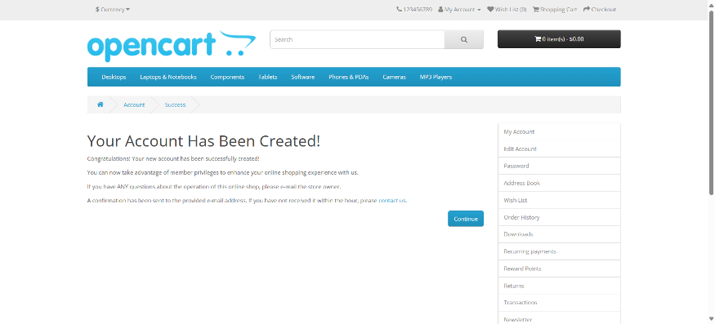 | high | functional
TC_011 | BUG_02 | Register with special characters/numbers in the first name field | Enter valid ( Last name, Email, telephone, Password, Confirmed password) Enter invalid First name | First name = Logy00 | User cannot register, error message appearance | User successfully registers: "Your Account Has Been Created!" |  | high | functional
TC_012 | BUG_03 | Register with special characters/numbers in the last name field | Enter valid ( Last name, Email, telephone, Password, Confirmed password) Enter invalid Last name | Last name = Amr00 | User cannot register, error message appearance | User successfully registers: "Your Account Has Been Created!" |  | high | functional

