Near_Photo_Top&ohters
Ideal Screen(Screen Name)
In developement screen
Details
Issued Date | Status | Version
11/12/2013 | Issued | 1.1

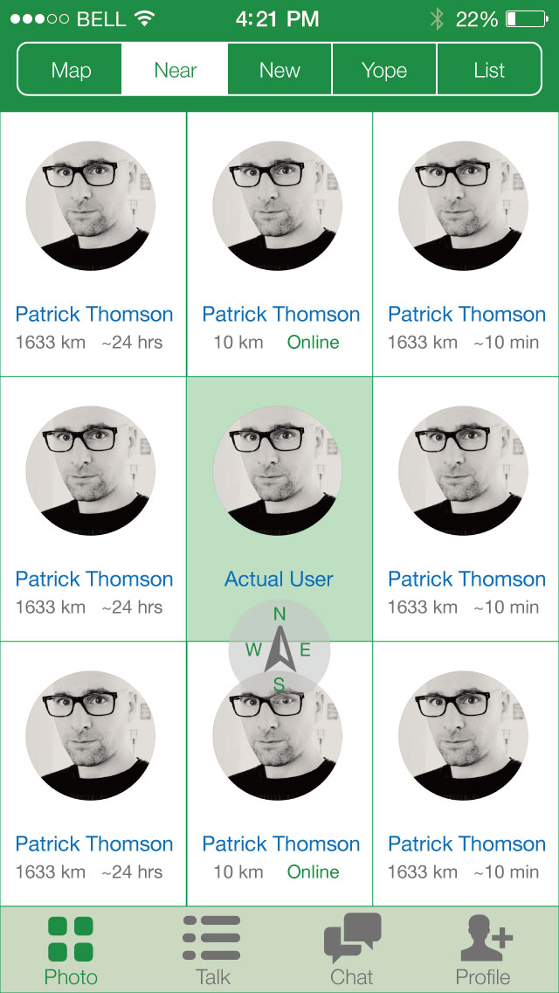
1. Top menu bar should use standard ios7 translucency (with blur effect etc) c

2. This profile box should be selective for all the are of the box.
3.

3. Top menu bar should use standard ios7 translucency (with blur effect etc)
4. Should be green
5. Icons are stretching and scale is not same as the ideal screen.

Post Talk
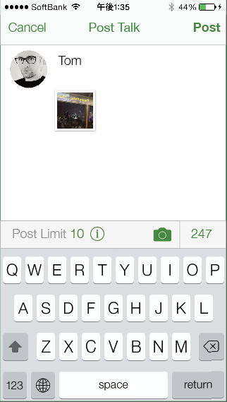
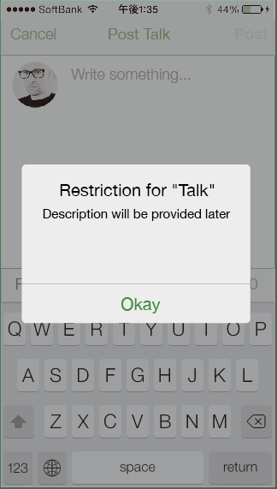
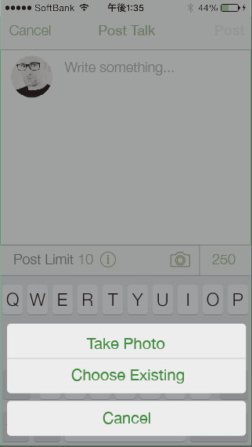
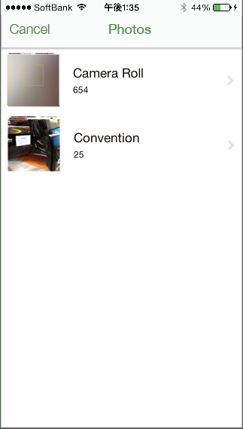
Ideal Screen(Screen Name)
In developement screen
Details
Issued Date | Status | Version
11/12/2013 | Issued | 1.1

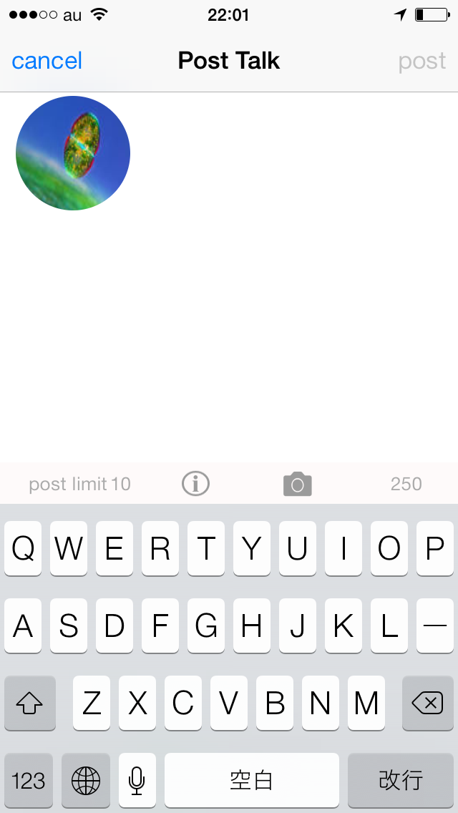
Colours are wrong
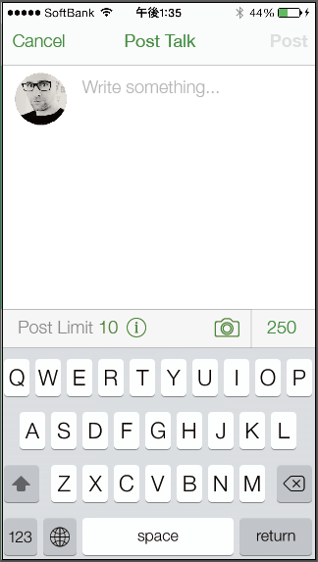

Image size is wrong.
Need "Write something..."

should be green like screen on the left.
There should be a green separator here.

Other user's profile
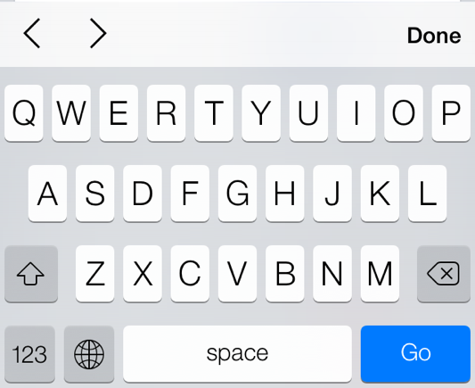
Ideal Screen(Screen Name)
In developement screen
Details
Issued Date | Status | Version
11/12/2013 | Issued | 1.1

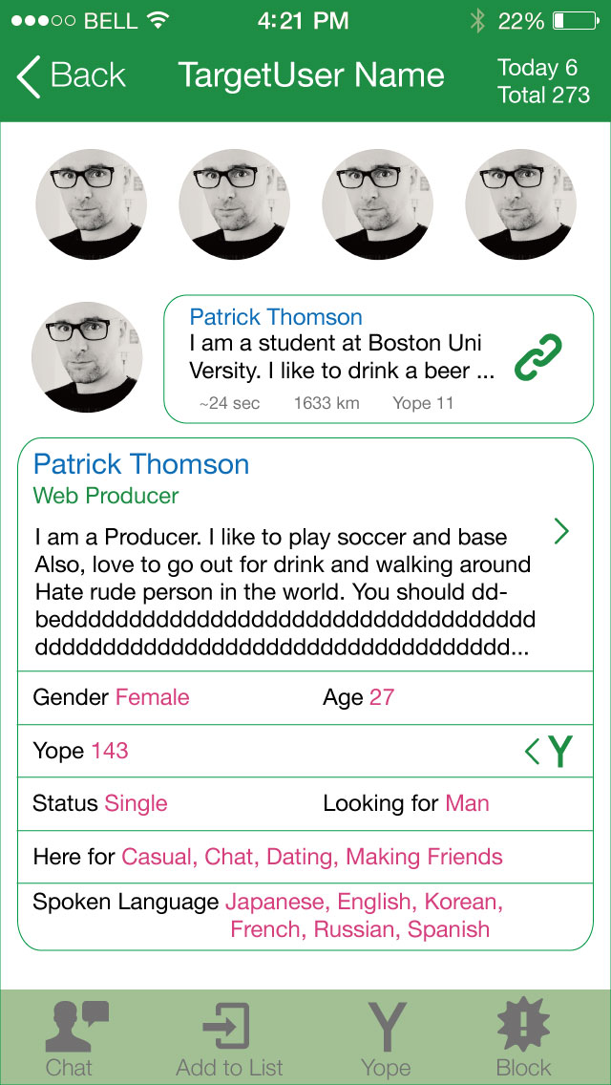
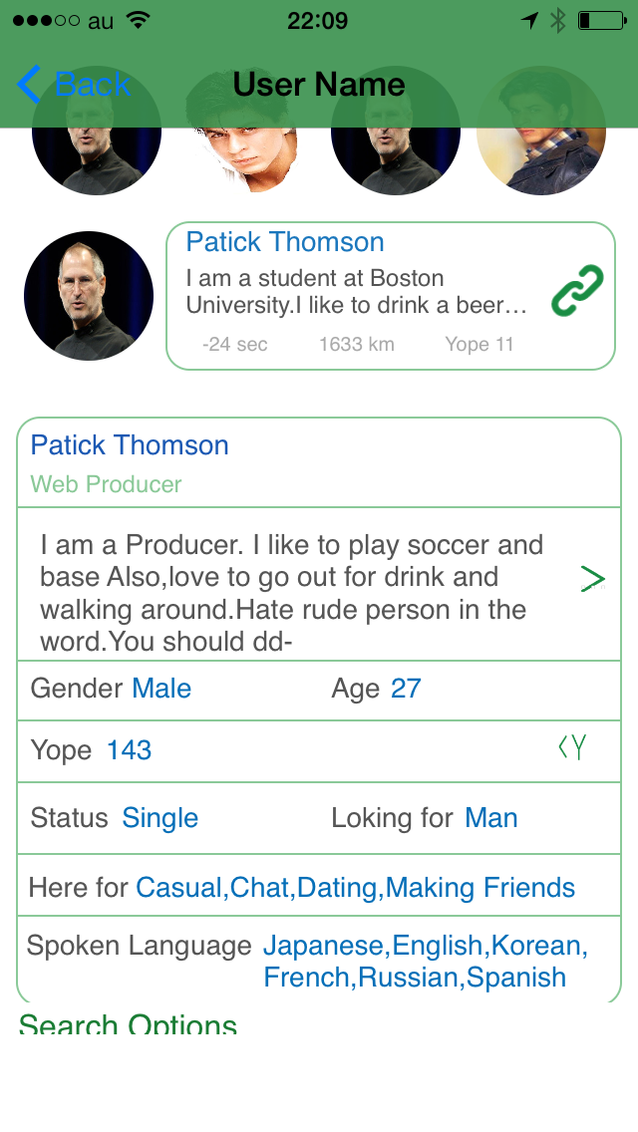

Many differences visually. Please refer to image on the left

Buttons are missing

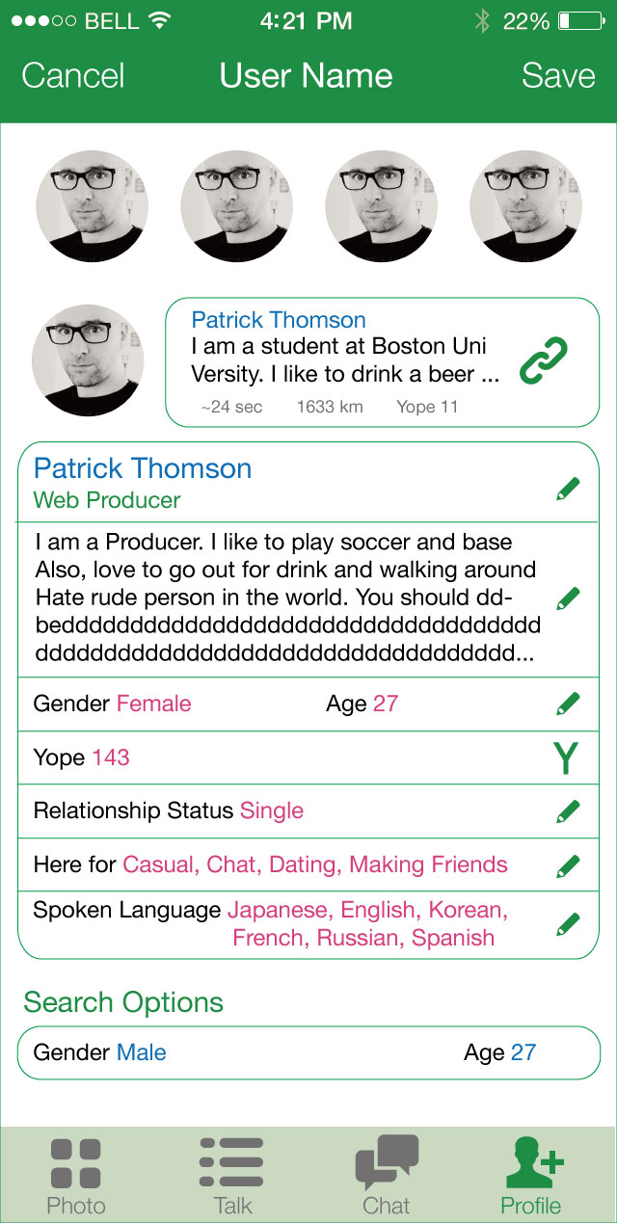

Buttons are missing. Should be back and forward buttons

