USER_REGISTERATION
Module name
User Registeration

Test objective
To evaluate the performance and reliability of the registration page of the jpetstore application under varying load condition.The involve measuring response time ,throughpout and resource utilizationto ensure the application meets acceptable performance criteria under anticapated usage scenarios

Test data and parameter
Attached seprate sheet :Sheet Name-Data

Test execution step
we have selected the business scernariso first
selcted Scripting tool Jmeter because it’s a open source tool
We have recoreded the script and enhanced
Created data presheet

Execution:
We put the number of user 20
rampup Phase
Start with 2 user and increased by 2 every two second until reach 20
rampDown
Decrease the number of user gradually back to zero
Duration:15minutes
Data collection
Response time
response time graph

Transaction | sample | average(ms) | 90th percentile(ms) | 95th percentile(ms) | Error | throughput | received kb/s | sent kb/s
T01_Launch | 480 | 458 | 478 | 488 | 0% | 0.513 | 1.04 | 0.53
T02_Click_on_SignIn | 480 | 148 | 156 | 165 | 0% | 0.513 | 0.98 | 0.62
T03_Click_RegisterNow | 480 | 149 | 156 | 163 | 0% | 0.513 | 1.25 | 0.63
T04_SaveAccountInformation | 480 | 300 | 326 | 349 | 0% | 0.521 | 1.06 | 1.64

performance metriic to be measured

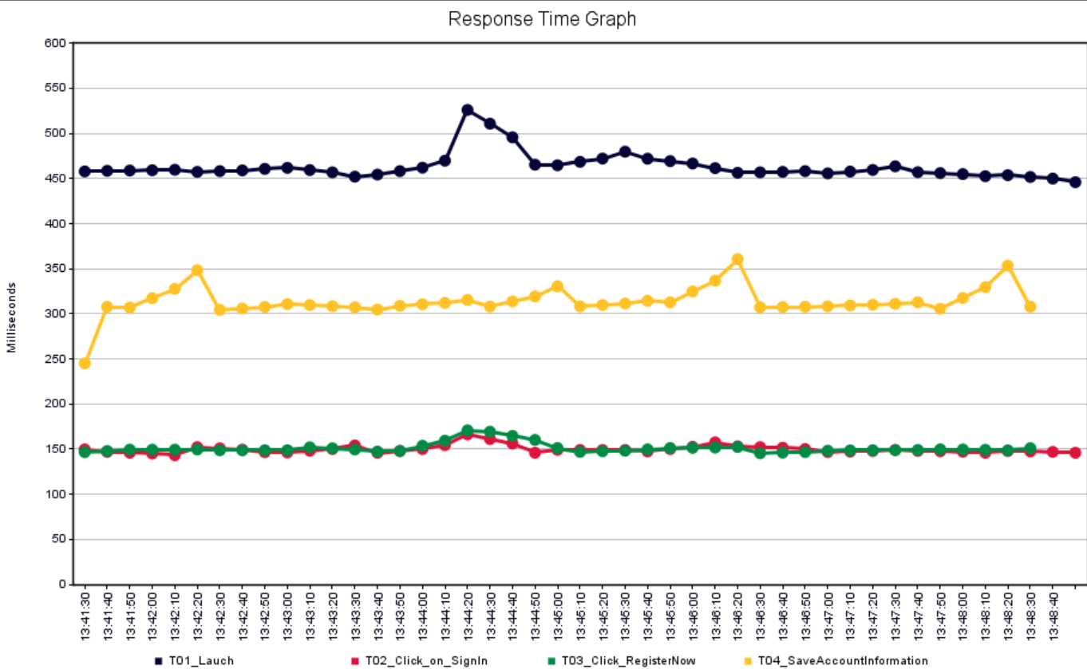

CPU & Memory Graph
I don’t have acces to montior the cpu memory utilization I tried to configure war file in tomcat and have configured dynatrace also but while recording the flow not able to capture traffice because the application open in localhost.

AngelFish_PRODUCT_BUYING
Module name
AngleFish Product buying

Test objective
To evaluate the performance and reliability of the registration page of the jpetstore application under varying load condition.The involve measuring response time ,throughpout and resource utilizationto ensure the application meets acceptable performance criteria under anticapated usage scenarios

Test data and parameter
Attached seprate sheet :Sheet Name-Data

Test execution step
we have selected the most buying product business scernariso first
selcted Scripting tool Jmeter because it’s a open source tool
We have recoreded the script and enhanced
Have used registration data for product buying

Execution:
We put the number of user 20
rampup Phase
Start with 2 user and increased by 2 every two second until reach 20
Steady state Duration:15minutes
rampDown
Decrease the number of user gradually back to zero
Data collection
Response time
response time graph

Transaction | sample | average(ms) | 90th percentile(ms) | 95th percentile(ms) | Error | throughput | received kb/s | sent kb/s
T01_Launch | 340 | 466 | 493 | 507 | 0% | 0.38 | 0.8 | 0.4
T02_Click_on_SignIn | 340 | 149 | 155 | 161 | 0% | 0.38 | 0.7 | 0.5
T03_login | 340 | 445 | 459 | 476 | 0% | 0.38 | 1.6 | 1.6
T04_ClickOnFish | 340 | 148 | 156 | 159 | 0% | 0.38 | 0.6 | 0.5
T05_SelectProductAngleFish | 340 | 150 | 158 | 164 | 0% | 0.38 | 0.7 | 0.5
T06_SelectLargeFishAngle_addToCart | 340 | 149 | 156 | 162 | 0% | 0.38 | 0.8 | 0.5
T07_ProceedToCheckOut | 340 | 149 | 156 | 160 | 0% | 0.38 | 0.9 | 0.5
T08_Billing_address_Continue | 340 | 149 | 157 | 164 | 0% | 0.38 | 0.7 | 0.7
T09_OrderConfirm | 340 | 151 | 160 | 172 | 1% | 0.38 | 0.9 | 0.5
T10_Logout | 340 | 451 | 479 | 487 | 0% | 0.39 | 1.5 | 1.3
TOTAL | 3400 | 241 | 460 | 472 | 0% | 3.74 | 9.0 | 6.6

performance metriic to be measured

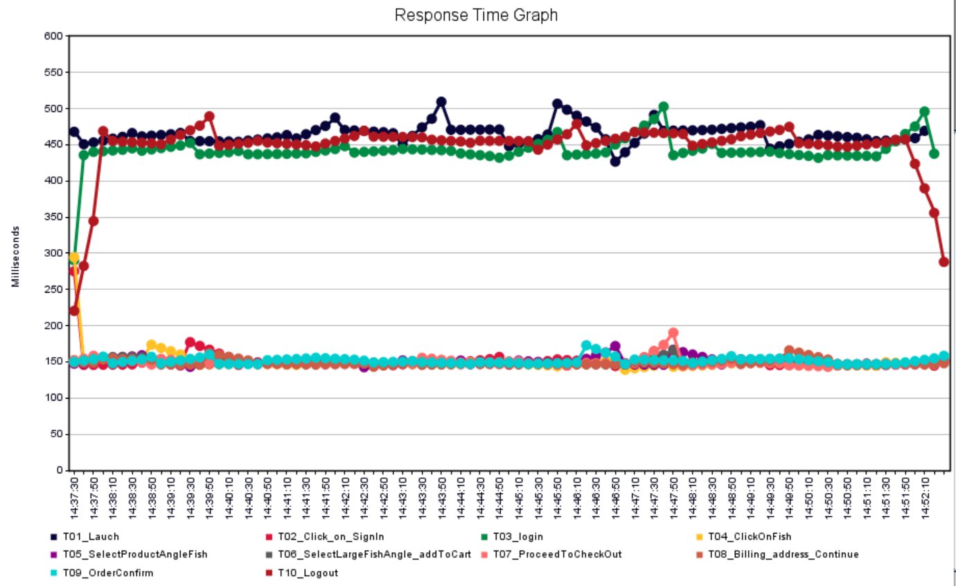

CPU & Memory Graph
I don’t have acces to montior the cpu memory utilization I tried to configure war file in tomcat and have configured dynatrace also but while recording the flow not able to capture traffice because the application open in localhost.

Dog_PRODUCT_BUYING
Module name
DOG Product buying

Test objective
To evaluate the performance and reliability of the registration page of the jpetstore application under varying load condition.The involve measuring response time ,throughpout and resource utilizationto ensure the application meets acceptable performance criteria under anticapated usage scenarios

Test data and parameter
Attached seprate sheet :Sheet Name-UsedData

Test execution step
we have selected the most buying product business scernariso first
selcted Scripting tool Jmeter because it’s a open source tool
We have recoreded the script and enhanced
Have used registration data for product buying

Execution:
We put the number of user 20
rampup Phase
Start with 2 user and increased by 2 every two second until reach 20
Steady state Duration:15minutes
rampDown
Decrease the number of user gradually back to zero
Data collection
Response time
response time graph

Transaction | sample | average(ms) | 90th percentile(ms) | 95th percentile(ms) | Error | throughput | received kb/s | sent kb/s
T01_Launch | 340 | 492 | 498 | 576 | 0% | 0.38 | 0.76 | 0.39
T02_Click_on_SignIn | 340 | 156 | 160 | 191 | 0% | 0.38 | 0.72 | 0.46
T03_login | 340 | 463 | 478 | 551 | 0% | 0.38 | 1.56 | 1.57
T04_ClickOnDogs | 340 | 153 | 160 | 178 | 0% | 0.38 | 0.66 | 0.45
T05_SelectProductBullDogs | 339 | 153 | 166 | 190 | 0% | 0.38 | 0.68 | 0.46
T06_SelectmaleadultbullDoogs_addToCart | 339 | 151 | 159 | 182 | 0% | 0.38 | 0.81 | 0.47
T07_ProceedToCheckOut | 337 | 153 | 160 | 192 | 0% | 0.38 | 0.88 | 0.46
T08_Billing_address_Continue | 337 | 154 | 156 | 192 | 0% | 0.38 | 0.74 | 0.70
T09_OrderConfirm | 337 | 263 | 163 | 207 | 1% | 0.38 | 0.84 | 0.45
T10_Logout | 336 | 478 | 497 | 563 | 0% | 0.38 | 1.53 | 1.34
TOTAL | 3385 | 262 | 458 | 474 | 0% | 3.72 | 8.98 | 6.60

performance metriic to be measured
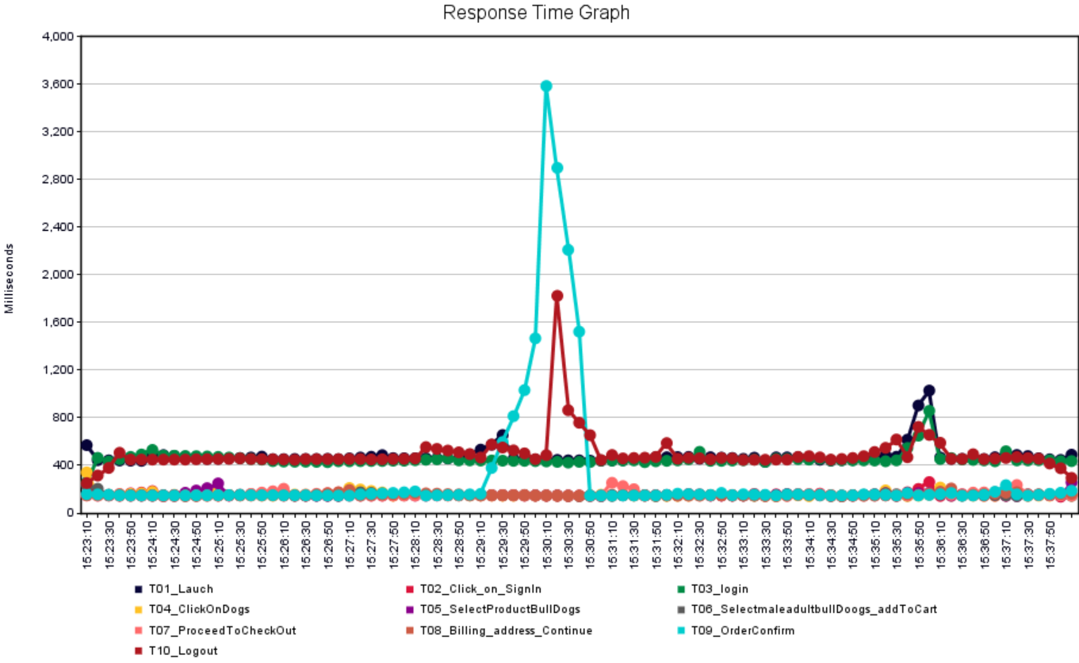

CPU & Memory Graph
I don’t have acces to montior the cpu memory utilization I tried to configure war file in tomcat and have configured dynatrace also but while recording the flow not able to capture traffice because the application open in localhost.

