Sheet1
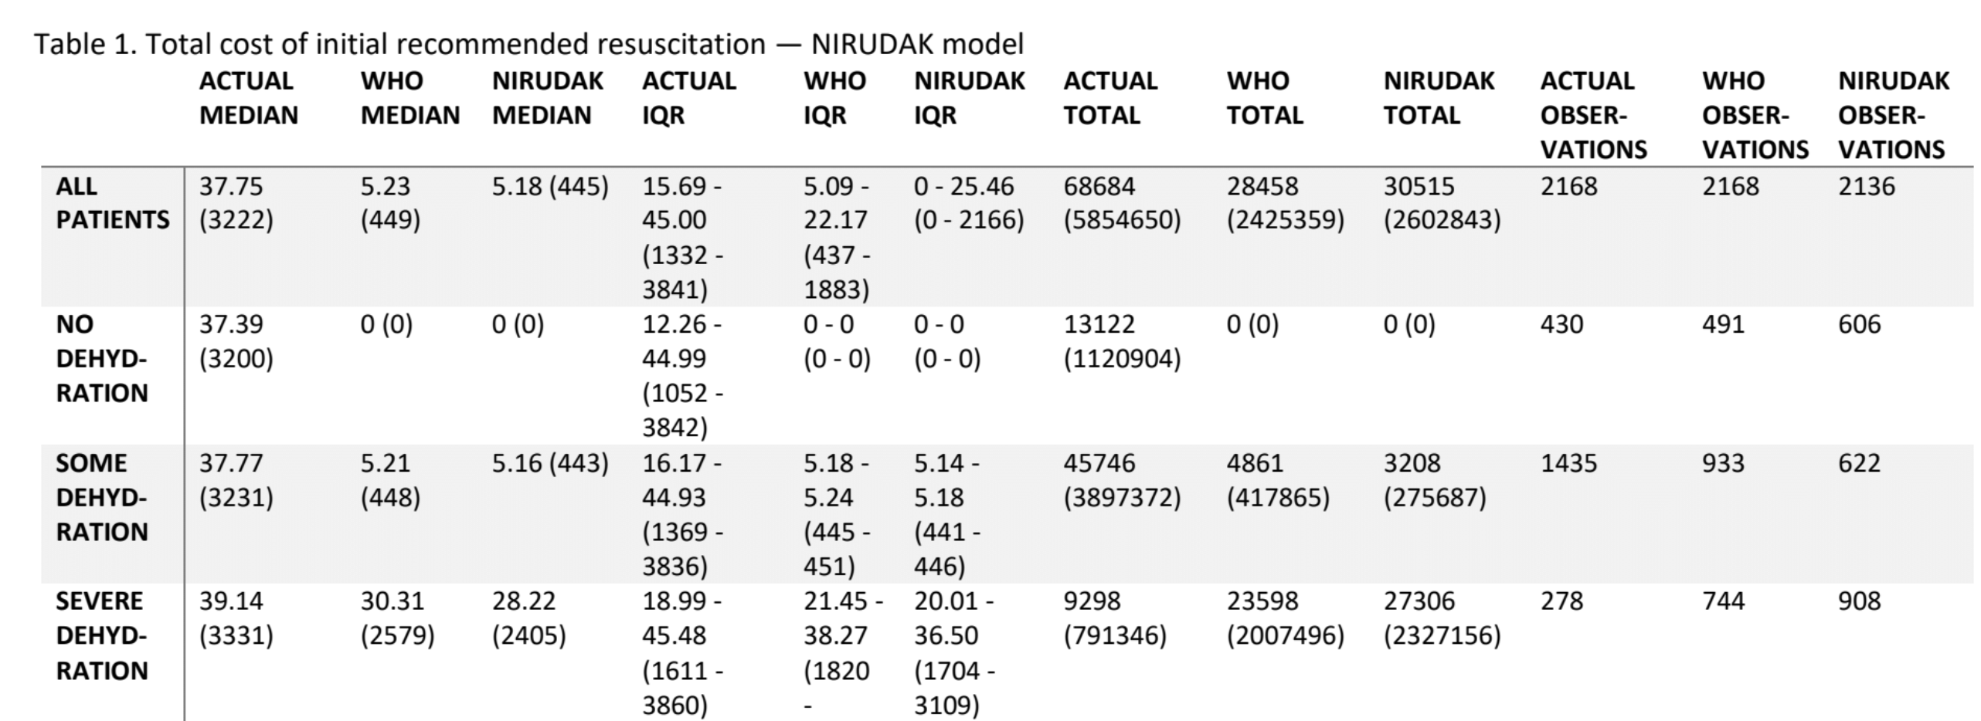
 | True Severe | True Some | True No |  | True Severe | True Some | True No
NIRUDAK Severe | 220 | 619 | 69 | WHO Severe | 147 | 507 | 85
NIRUDAK Some | 47 | 469 | 108 | WHO Some | 110 | 650 | 166
NIRUAK No | 10 | 343 | 254 | WHO No | 21 | 280 | 180

