Sheet1
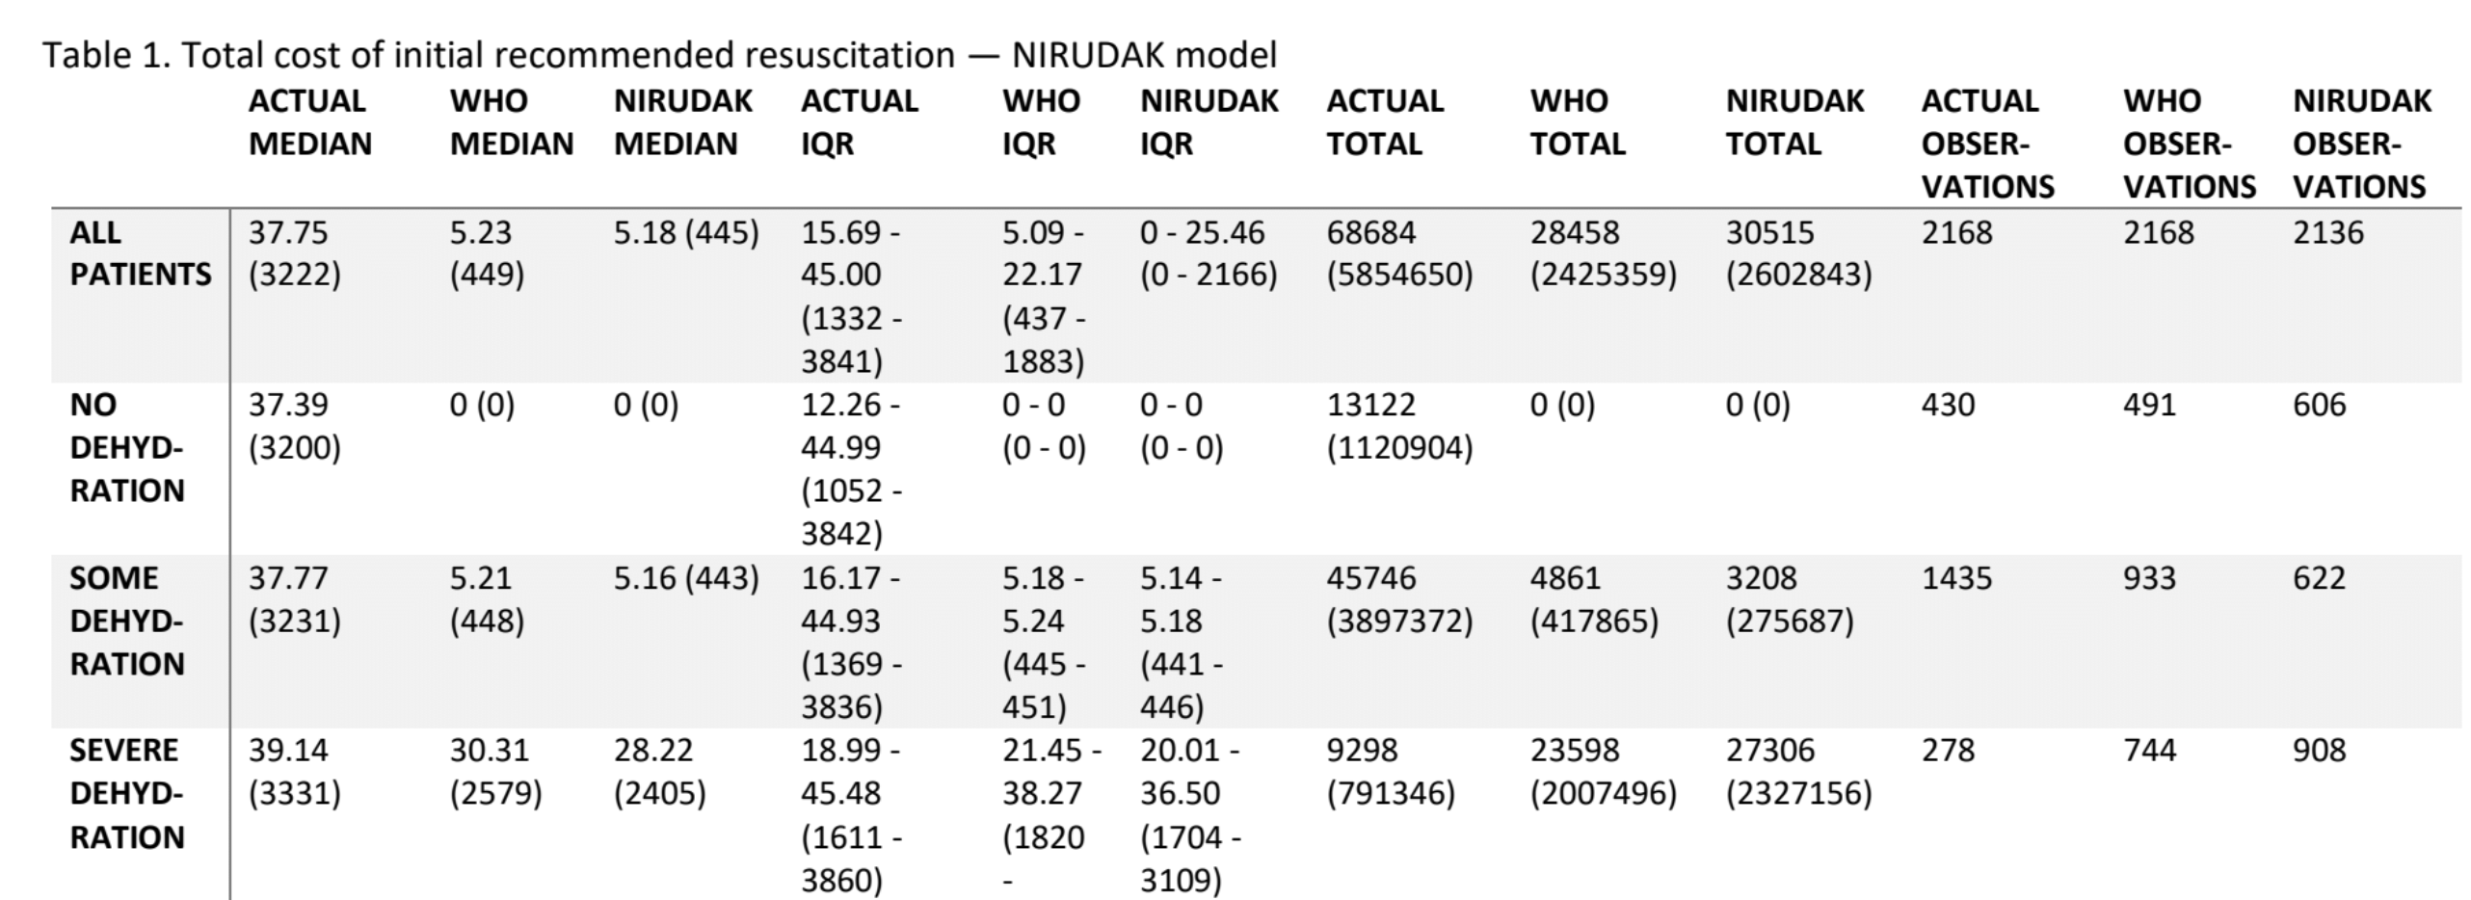
 | True Severe | True Some | True No |  | True Severe | True Some | True No
NIRUDAK Severe | 220 | 619 | 69 | WHO Severe | 147 | 507 | 85
NIRUDAK Some | 47 | 469 | 108 | WHO Some | 110 | 650 | 166
NIRUAK No | 10 | 343 | 254 | WHO No | 21 | 280 | 180

 | more sensitive, fewer false negatives | misses more True Some, both overdiagnoses & underdiagnoses people relative to WHO | correctly classifies No cases more accurately relative to WHO

 |  | sensitivity = correctly says you're not in the second 2 columns (given that you have Severe) |  | add: one-way sensitivity how bad would penalty have to be for undertreating Some
 |  | specificity = correctly says you're not in the second 2 rows (given that you have Severe) |  | adjust parameter — assign DALY to undertreating Some
 |  |  |  | state in assumptions that this is not assigned (AL: circle back and do this after rotations, April even just for learning)

 |  | JP: double check variation in age distribution based on model |  | "Branch H" (WHO) — 56.61046 DALYs conditional on death in Branch H
 |  | emphasize that errors of the models are in the different age groups which affects DALYs |  | "Branch Q" (NIRUDAK) — 46.11102 DALYs conditional on death in Branch Q
 |  | why we used different DALYs for death

