Configuration
This configurator calculates the overall size and aluminium extrusion lengths required for the building of the HyperCube Evolution 3D Printer.
HOW TO
1. Enter the build volume that you want the printer to have. Note that these settings are the desired minimum travel of the extruder nozzle / build platform.
2. Select one of the pre-configured build platforms or "Custom". Update the custom size as required. These settings determine the build platform frame size.
HyperCube
Evolution |  |  |  |  |  |  | Configurator | v1.4 | Build platform data
 |  |  |  |  |  |  |  |  |  | Dimensions |  | Mounting Holes
 |  |  |  |  |  |  |  |  | Name | X width | Y depth | X spacing | Y spacing
 |  |  |  |  |  |  |  |  | Mk2 Heat Bed | 214 | 214 | 210 | 210 | <- Minimum supported size. Do not change
 |  |  |  |  |  |  |  |  | Mk2A 300x300 | 328 | 328 | 325 | 325

 |  |  |  |  |  |  |  |  | Custom | 300 | 300 | 290 | 290
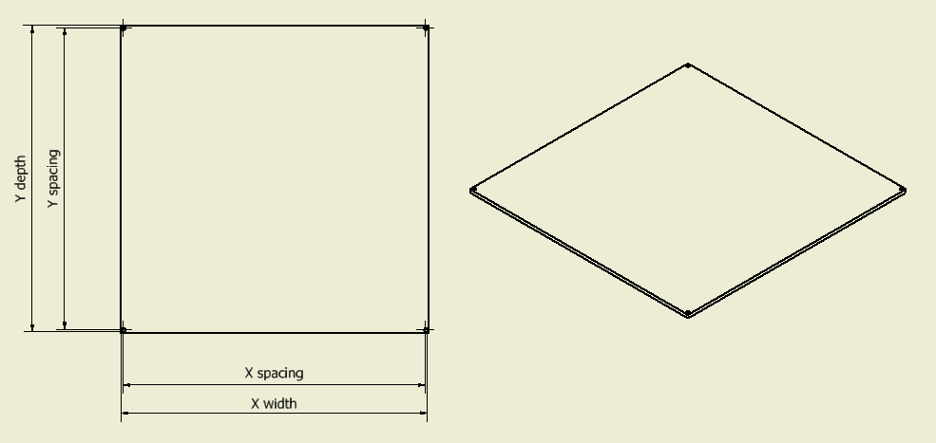

Min. Build Volume / Travel |  |  |  |  | Build Platform |  | Z Axis
 | X | 300 | mm |  | Mk2A 300x300 | <- Select | Single | <- Select | Build platform mounting bracket data
 | Y | 300 | mm |  | Bed_bracket_15 | <- Select
 | Z | 300 | mm |  | Bracket selection Ok |  |  |  |  | Dimension
 |  |  |  |  |  |  |  |  | Name | offset
 |  |  |  |  | Shafts |  |  |  | Bed_bracket_15 | 15
 |  |  |  | X axis | Diam 8 | <- Select | Thanks to Nicolas Harscoat |  | Bed_bracket_20 | 20
 |  |  |  | Y axis | Diam 8 | <- Select | for the part selector |  | Bed_bracket_25 | 25
 |  |  |  | Z axis | Diam 12 | <- Select |  |  | Bed_bracket_30 | 30
 |  |  |  |  |  |  |  |  | Bed_bracket_45 | 45
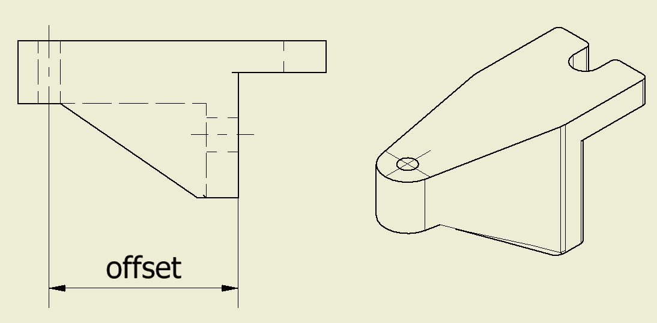
 | BOM - Extrusions and linear guides

Item |  | Length | Unit | Qty | Note
3030 Extrusion |  | 420 | mm | 4 | Frame X extrusion
 |  | 410 | mm | 4 | Frame Y extrusion
 |  | 500 | mm | 4 | Frame Z extrusion
2020 Extrusion |  | 255 | mm | 1 | Bed frame X extrusion
 |  | 400 | mm | 2 | Bed frame Y extrusion
Diam 8 | Shaft | 450 | mm | 2 | X axis linear guide
Diam 8 | Shaft | 410 | mm | 2 | Y axis linear guide
Diam 12 | Shaft | 500 | mm | 2 | Z axis linear guide

Diam 8
Diam 10
Diam 12
Single
Double

