Itinerary_Data
District | City | Name | Average Visit Duration | Description | Fun Fact | Images
Kandy | Kandy | Temple of the Tooth Relic | 1.5 – 2 hours | Sacred Buddhist temple, tooth relic of Lord Buddha, UNESCO World Heritage Site, cultural significance | One of the most sacred Buddhist sites in the world | 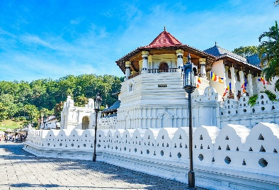 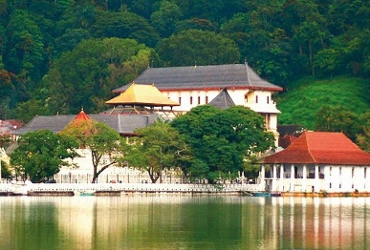
Matale | Matale | Spice Garden | 45 minutes | Herbal gardens, spice cultivation, Ayurveda products, guided tours | Sri Lanka was once called the Land of Spices | 