Sheet1
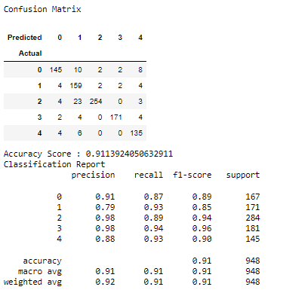
Value | Label
0.12121171558 | Education_Bac
0.0871865489 | EnvironmentalRespect_0.0
0.067266644842 | EnvironmentalRespect_5.0
0.067121800931 | EnvironmentalRespect_10.0
0.066185434518 | HealthNutrition_0.0
0.063970557807 | SocialRespect_0.0
0.056122512219 | taste_0.0
0.043342671491 | SocialRespect_5.0
0.038767993024 | SocialRespect_10.0
0.033685632453 | taste_5.0
0.030343845297 | HealthNutrition_5.0
0.030099513196 | AnimalWelfare_10.0
0.029877953426 | AnimalWelfare_0.0
0.022537475832 | Local_10.0
0.022348867484 | HealthNutrition_10.0
0.022011443984 | Education_Bac+2/Bac+3
0.021420556605 | Local_0.0
0.017055675897 | AnimalWelfare_5.0
0.016466476797 | Local_5.0
0.015576823147 | Organic_0.0
0.015401586707 | taste_10.0
0.01504809563 | Organic_10.0
0.010759060407 | Education_Collège
0.010374466818 | Education_Bac+5
0.0088813324968 | PlantBasedAlternatives_10.0
0.0082887528513 | PlantBasedAlternatives_0.0
0.0067959078939 | Organic_5.0
0.0054617819515 | Age
0.0052129509901 | Slimming_0.0
0.0037237418503 | incomepc
0.0033798229568 | PlantBasedAlternatives_5.0
0.0031899626921 | Income
0.0031242090219 | Slimming_10.0
0.0028050961986 | SpecificDiet_0.0
0.0025489809749 | SpecificDiet_10.0
0.0020334210053 | gym
0.0018569140853 | pc
0.0018043550892 | Country_ES
0.0016091487214 | Slimming_5.0
0.0015384423477 | Videogames
0.0013089208457 | Country_UK
0.0011732311784 | Restaurant
0.0011295692177 | SpecificDiet_5.0
0.0010661278962 | Teamsport
0.0010013135698 | Information_2
0.000665383361 | population_30000
0.00063102792829 | Ecommerce
0.00061904958254 | Information_1
0.00060945853748 | Education_Doctorat
0.0005986775382 | Country_FR
0.00059452516117 | Country_DE
0.00057137778914 | Gender
0.00051389389327 | population_3500
0.00051141783203 | Information_0
0.00044216654068 | population_1000
0.00041981722156 | population_1000000
0.0004097007247 | population_75000
0.00040095826488 | population_7500
0.00036341001573 | population_750000
0.00031179810523 | Charity
0.00022000067403 | Piano

