Overview


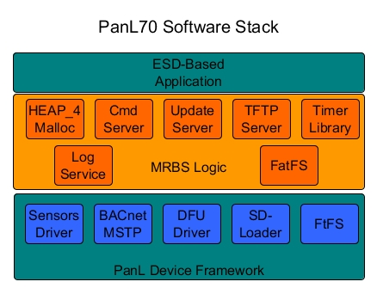

 | MRBS Detail Software Requirement
Author : | Quan Cao
Document Reference No. :
Revision : | 0.5 09-Oct-2017

