Testing Enviroment Setup
1. Hardware setup
 | 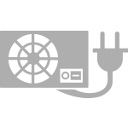 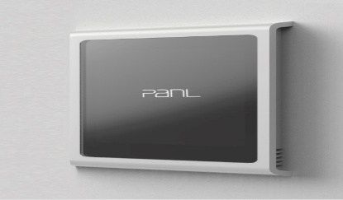 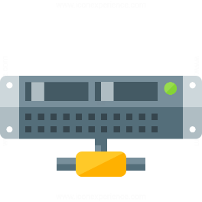

PanL 70
PanL HUB
RJ45 cable
[RS485 BUS/Power Supply]

Micro SD card

Micro SD card

Power suppy

2. Sofware setup
 | - PanL70 device will use a customize firmware based on release firmware to send commands to PanL HUB
 | - PanL HUB will use a specific application to send out mockup data to PanL device
3. Note
 | - The porpuse of this test is ensure that the communication between PanL70 and PanL HUB is correct
 | - MicroSD card maybe used to store the log result to alalyze the data after testing

