info
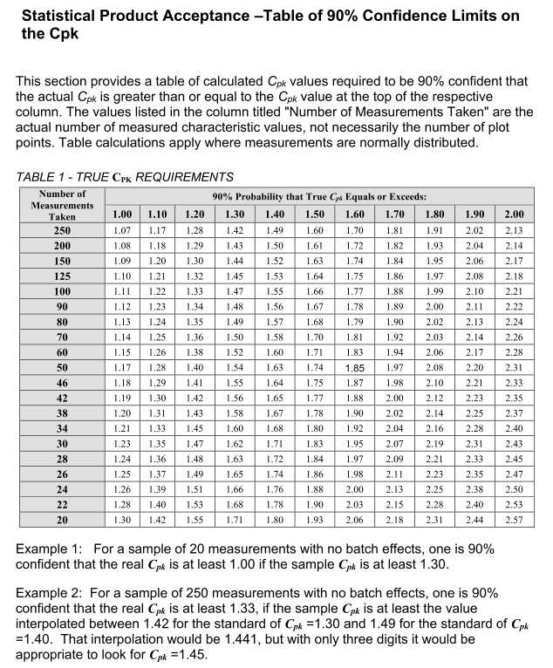
SCMH 3.75 Statistical Product Acceptance Table of 909% Confidence Limits on the Cpk

