Diagram Window
ORCAL Project

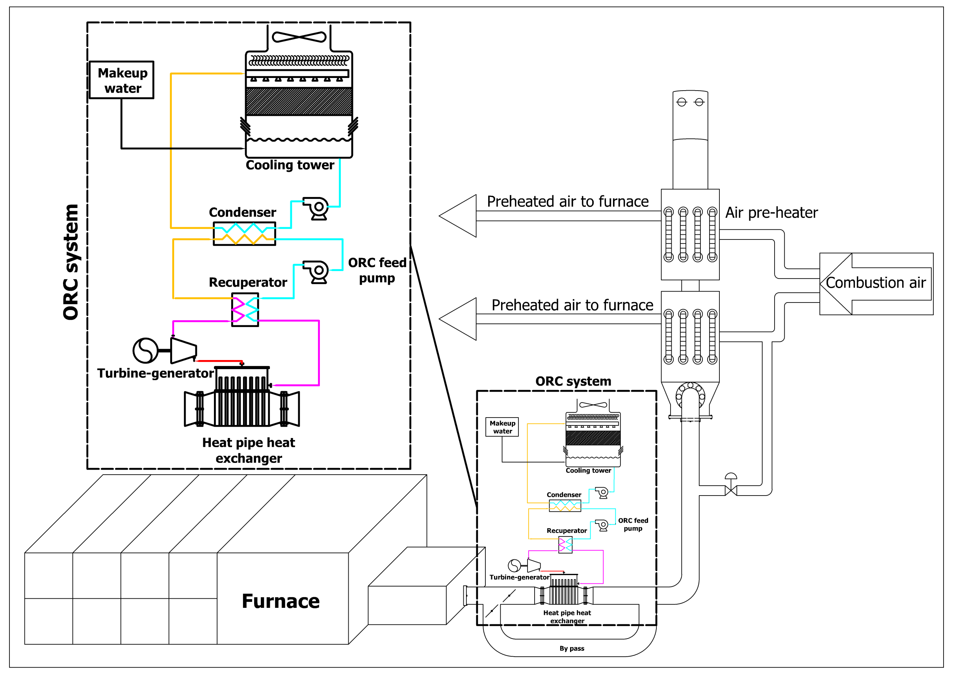

 |  |  |  | Organic working fluid | 'cyclopentane' | -
 |  |  |  | Internal regeneration | 'True' | -
 |  |  |  | Evaporating temperature | 200.05 | [C]
 |  |  |  | Net power output | 7.13E+02 | kW
 |  |  |  | eta_ORC | 0.1769

 | Heat source medium | 'heos::CO2[0.0854]&Water[0.1634]&Oxygen[0.0248]&Nitrogen[0.7264]'
 | Fumes pressure drop | 21.06 | [Pa]

