VisCritUI_Main
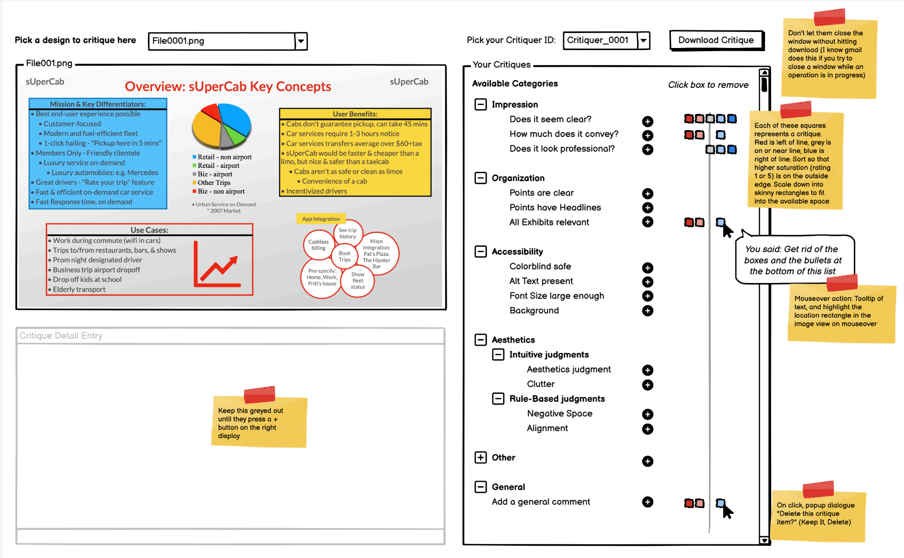

Hi-res file | https://www.dropbox.com/s/9e56w6rwyxgcyul/New%20Project%201.pdf?dl=0

VisCritUI_AddCrit
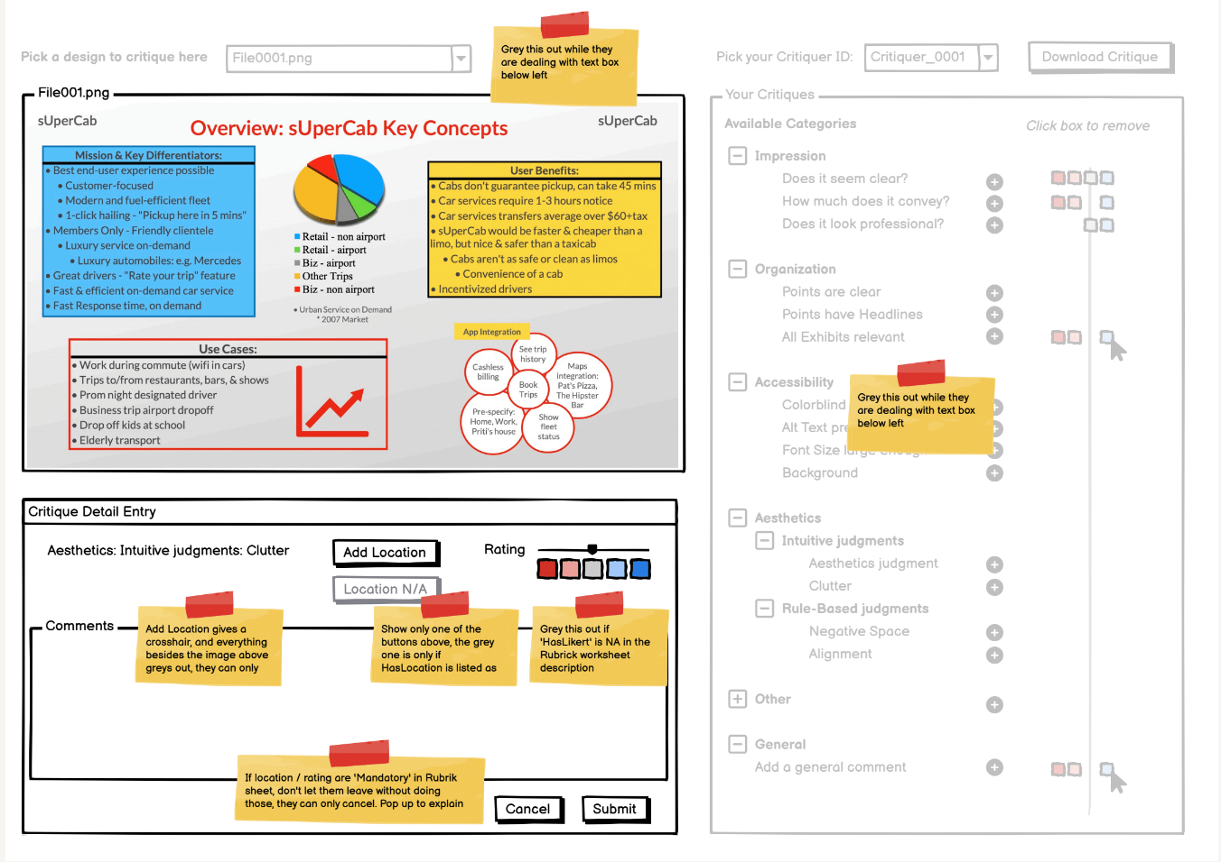

Hi-res file | https://www.dropbox.com/s/b6x2ruwyzlc016o/New%20Project%202.pdf?dl=0

