Sheet1
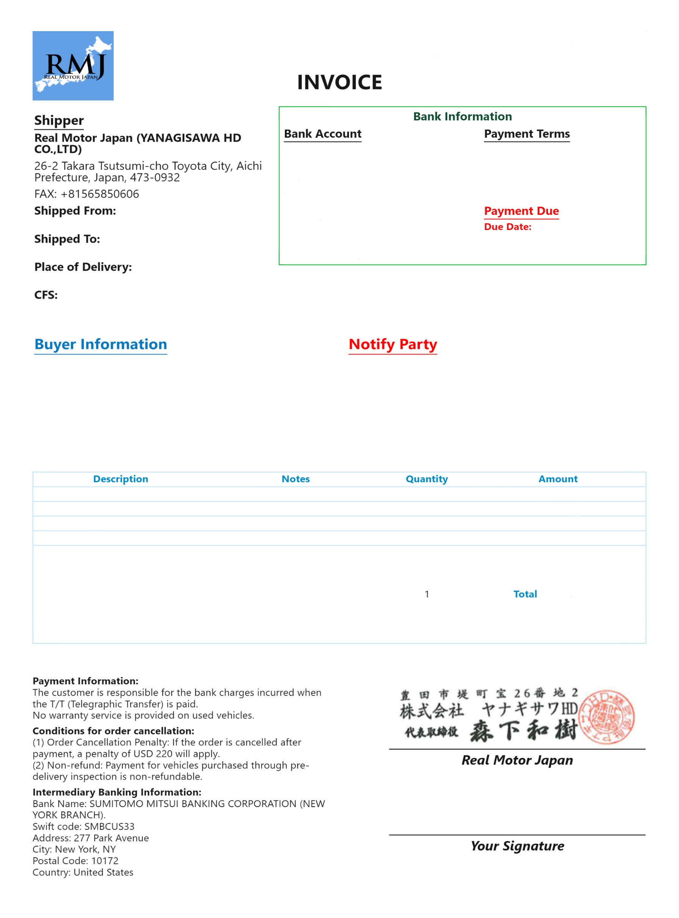
Invoice No.
Issuing Date:
0
Invoice No. |  | Bank Account
Issuing Date: |  | Bank Name:
 |  | Branch Name: |  |  | Invoice No.
Shipper |  | SWIFTCODE: |  |  | 0
Shipped From: |  | Address:
Shipped To: |  | Name of Account Holder:
Bank Name:
Terms:
Full payment via Telegraphic Transfer (T/T) required before the due date.
Place of Delivery: |  | Account Number:
Branch Name:
CFS: |  | Due Date:
SWIFTCODE:
Address:
Name of Account Holder:
Buyer Information | Notify Party | Description | Amount | 0

Account Number:
asdasdsadas

 |  |  | $-

 |  | Calculated: | $-
 |  | Divided by: | 1
 |  | Total: (Not editable) | $-

$-

