Vendor Desc
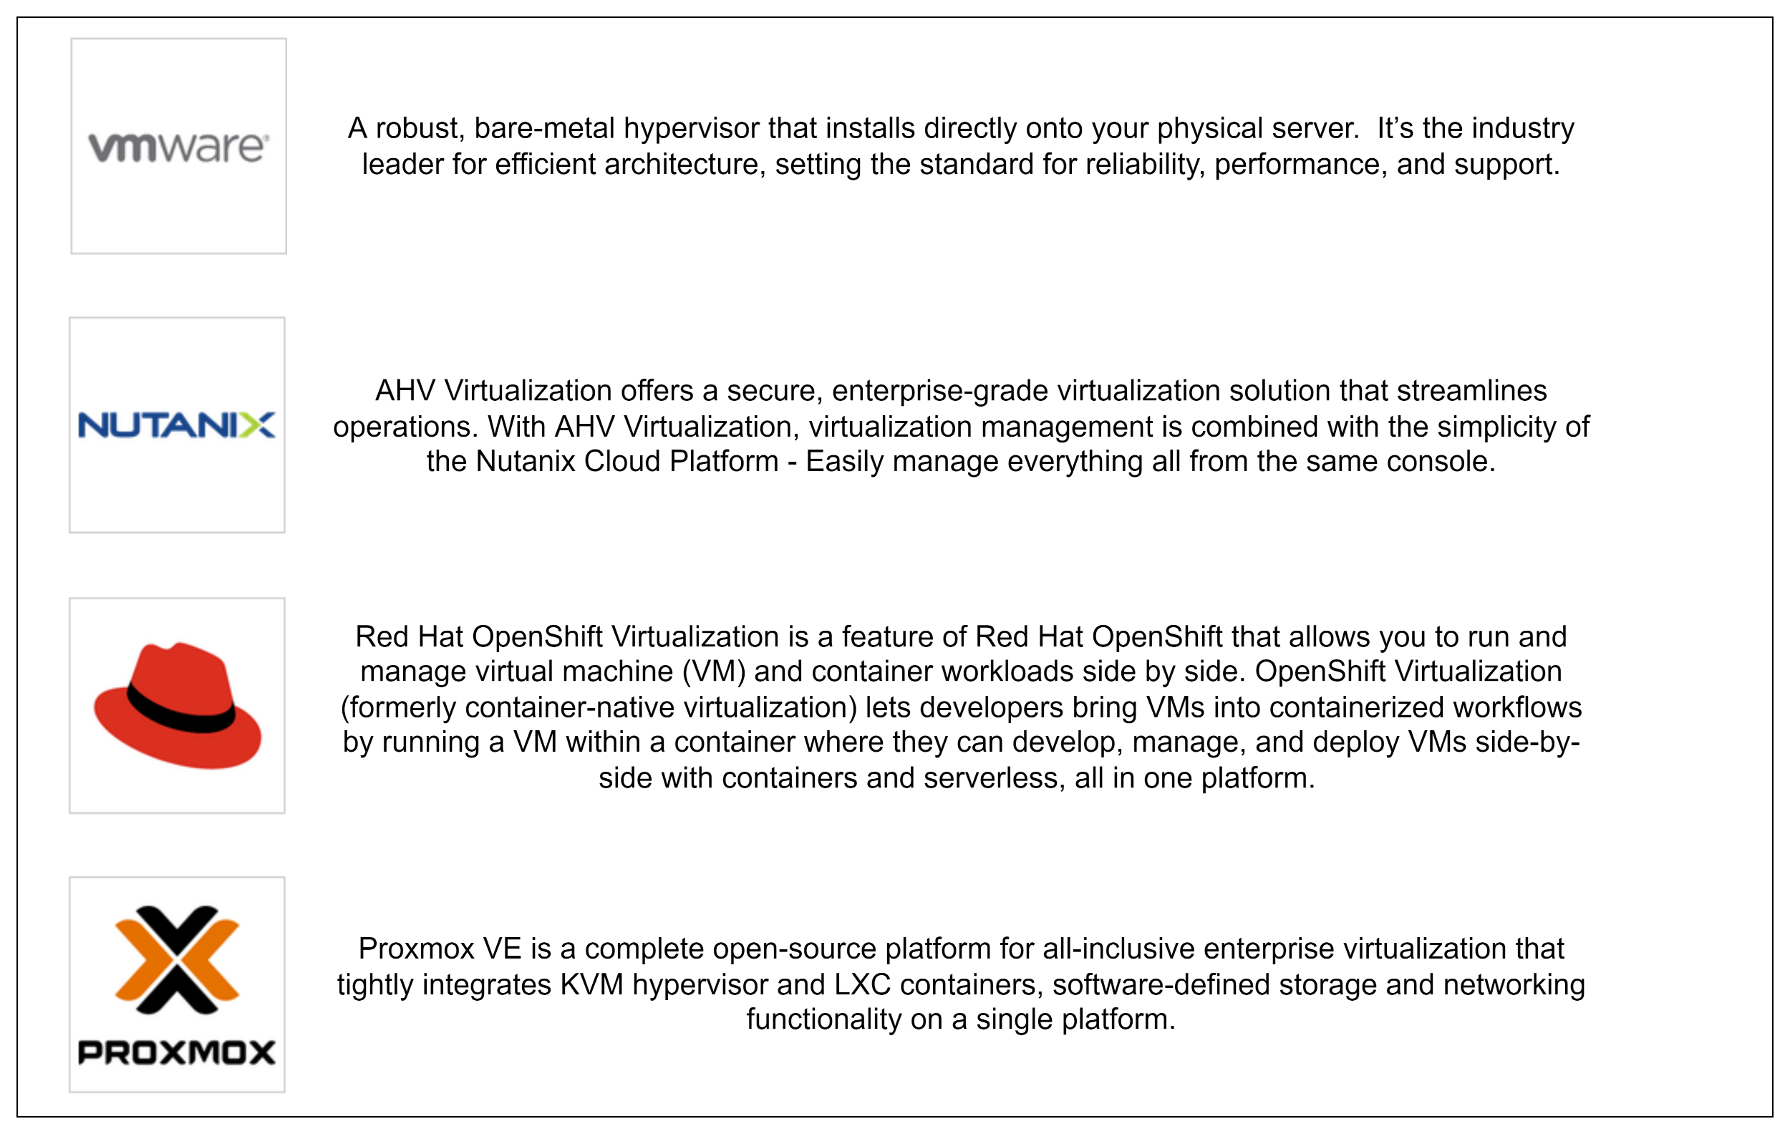

**Microsoft Hyper-V and Red Hat's RHV and Citrix's XenServer all have an end of life date before 2026**

