DocumentCode
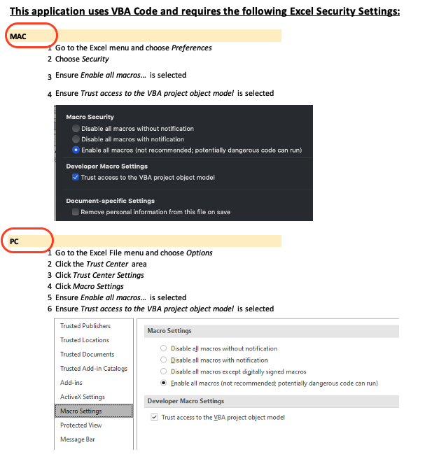


 |  | DOCUMENT ALL CODE IN ANY EXCEL WORKBOOK (Must be Unprotected)
 |  | https://github.com/lopperman/just-VBA/tree/main/DocumentCode

 |  |  | Documentation Status:

----- > | Make sure Excel is set to Enable All Macros
----- > | Make sure Excel is set to Trust the VBA Object Model
1 | Open the Workbook you wish to Document
2 | Ensure All Worksheets in Workbook Have
 | Protection removed, if applicable
3 | Any Hidden Sheets will be 'Unhidden' by this Process
4 | See that button over there? Click it!

