Demo
https://github.com/lopperman/just-VBA |  |  |  |  |  |  | TO USE IN YOUR PROJECT
https://www.reddit.com/user/ITFuture/submitted/
 |  |  |  |  |  |  | 1. Import the pbCommonUtil.bas, and pbCommonEvents.cls into your project
* Simplifies deleting User-Select rows from a list object. |  |  |  |  |  |  | 2. Optionally import pbShapeBtn.bas if you want to use my Beautiful Buttons instead of ugly grey ones!
 |  |  |  |  |  |  | 3. To delete User-Select Rows it's just this one line of code (assumes "theListObj" is a valid reference to a ListObject
* Sheet protection is automatically handled / Non-Contiguous Selected Cells are automatically handled
 |  |  |  |  |  |  |  | DeleteSelectedListObjRows [theListObj]
* select cells outside valid list object databodyrange are simply ignored |  |  |  |  |  |  | That's it!

* No matter what cells are selected, only ListRows (DataBodyRange) that have at least one cell selected will be deleted
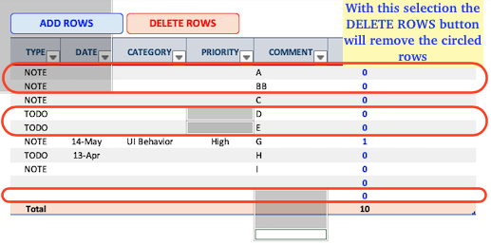

TRY IT OUT BELOW

ADD ROWS
DELETE ROWS
UNLOCK SHEET

TYPE | DATE | CATEGORY | PRIORITY | COMMENT | CATCOUNT | COMPLETED DT
NOTE |  |  |  | A | 0
NOTE |  |  |  | BB | 0
NOTE |  |  |  | C | 0
NOTE |  |  |  |  | 0
NOTE |  |  |  |  | 0
NOTE |  | 2 |  |  | 3
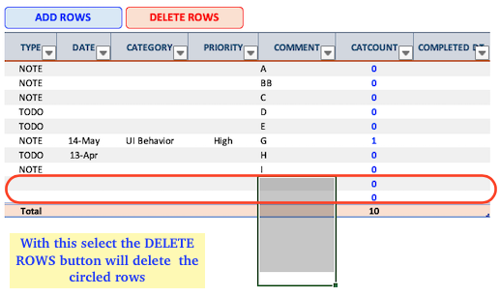
NOTE |  |  |  |  | 0
NOTE |  |  |  |  | 0
NOTE |  | 2 |  |  | 3
NOTE |  | 2 |  |  | 3
Total |  |  |  |  | 10

FILTER AND DELETE
ADD 100,000 ROWS WITH 1M RANDOM NUMBERS
DELETE ROWS WHERE COL 8 >= 0

TABLE ROWS: 1

COL2 | COL3 | COL4 | COL5 | COL6 | COL7 | COL8 | COL9 | COL10 | COL11

