Demo
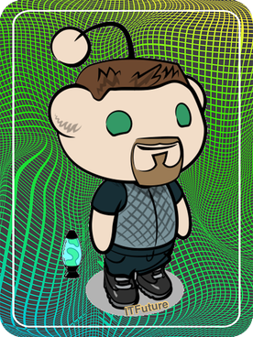
just-VBA: Beautiful Buttons
Alternative to using the build-in 'developer' buttons. Replace the dull grey buttons with colorful styled shapes!
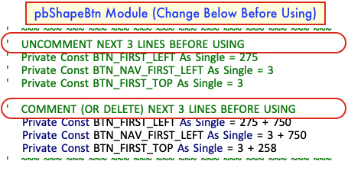
 | UPDATE BUTTON STARTING LOCATIONS IN THE pbShapeBtn MODULE BEFORE USING!

 | Change all the properties of the custom "bsCustom Button" -- you can change these values, and click 'Show Me the Buttons' as many times as you want. (for specifiying colos, just change the fill color XX-Color property)
Show Me The Buttons!
RESET BUTTONS
Click to Add Beautiful Buttons Module to your XLSM File
CLICK THIS, RIGHT NOW IF YOU WANT! | Caption | bsButton - Hello! |  |  | Fill Color |  | Units Wide | 4
 | Font Size | 14 | Outline Weight | 2 | Line Color |  | Units Tall | 3
 | Font Color |  | Font Color |  | Outline Weight | 4
 | Font Bold | TRUE

just-VBA: Beautiful Buttons
Q: WHAT IS IT?
A module that can build structured styles of buttons -- using an AutoShape that is a colorful Rounded Rectangle instead of the boring grey command button -- and lay them out on an invisible 'grid' on your worksheets.

Q: WHAT CAN I ADD COLOR TO?
Colors can be set on the Font, the Shape 'Fill', and the Shape Outline. With the outline, you can also set the weight (thickness) of the border line


Q: WHAT IS THE INVISIBLE 'GRID' YOU SPEAK OF?
Great question! These buttons have a default width and height. The smallest size is based on the size needed to display 4 characters only. That size is 1 'unit' wide, and 1 'unit' tall. All other button sizes are based on those units -- the Default Button size is 2 units wide and 1 unit tall. Think of the default button 'unit' as a small rectangle. Now imagine having lots of those rectangles arranged on your screen in rows and columns. Kind of like worksheet cells! When a Beautiful Button is added to a worksheet, the 'unit' size is specified, and also the location is specified as a 'row' and 'column' in the grid. If you addd a button to 'Row 2, Column 3', if would be in the second position down, and the 3 position over.

Q: I could see developers going crazy with colors. How do I avoid that?
There are 8 pre-defined button Styles, 1 of which is 'custom'. Adding a button with a pre-defined style enables you to maintain some type of convention about the meaning of button colors and their actions. For example, the 2 buttons at the top of this page are styled as bsAddEdit (blue), and bsDelete (red). The included styles are bsDefault, bsNavigation (e.g. to to another screen), bsUtility, bsAddEdit, bsDelete, bsHelp, bsFilter, and bsCustom. When bsCustom is specified, you have complete control over all the supported button style properties.

Q: How to you make the buttons run code/macros?
By default, the button will run a public function called "ButtonAction" - that makes it easy to tie your buttons to code, and then in the ButtonAction function, you can get the name of the button that was clicked by using the Application.Caller (btnName = Application.Caller), and then calling the appropriate code. An example 'ButtonAction' function is included in this demo.

Q: CHANGE IT UP!
The default styles, as well as starting location for button, default buttons sizes, ect may not fit your situation, but you can change all that in the Private Constants in the pbShapeBtn module, and you can also change the style options for the pre-defined button styles.

