Sheet3
Fixed Data |  |  |  |  |  | Demand by period
Location (j) | Installation Cost (Cj) | Operating Cost (Oj) | Expansion Cost (Aj) | Max Capacity (Mj) |  | Period (t) | Demand Location 1 (D1t) | Demand Location 2 (D2t) | Demand Location 3 (D3t)
1 | 50000 | 500 | 1000 | 20 |  | 1 | 10 | 15 | 20
2 | 60000 | 450 | 1200 | 25 |  | 2 | 12 | 18 | 25
3 | 70000 | 400 | 1500 | 30 |  | 3 | 15 | 20 | 30

Decision variables |  | Station Installed (Xjt) | Ports Allocated (Yjt) | Ports Added (Zjt)
Location (j) | period (t) |  | 0 |  |  | Constraints | Expression | LHS | RHS
1 | 1 | 1 | 10 | 10 |  | Demand Satisfaction | Yjt-Djt >= 0 | 0 | 0
 | 2 | 1 | 12 | 2 |  |  |  | 0 | 0
 | 3 | 1 | 15 | 3 |  |  |  | 0 | 0
2 | 1 | 1 | 15 | 0 |  |  |  | 0 | 0
 | 2 | 1 | 18 | 3 |  |  |  | 0 | 0
 | 3 | 1 | 20 | 2 |  |  |  | 0 | 0
3 | 1 | 1 | 20 | 0 |  |  |  | 0 | 0
 | 2 | 1 | 25 | 5 |  |  |  | 0 | 0
 | 3 | 1 | 30 | 5 |  |  |  | 0 | 0
 |  | Totals | 165 | 30 |  | Capacity Constraint | Yjt - Mj.Xjt <=0 | -10 | 0
Objective function |  |  |  |  |  |  |  | -8 | 0
Total Cost | 648350 |  |  |  |  |  |  | -5 | 0
 |  |  |  |  |  |  |  | -10 | 0
Installation Cost | 540000 |  |  |  |  |  |  | -7 | 0
Operating Cost | 72350 |  |  |  |  |  |  | -5 | 0
Expansion Cost | 36000 |  |  |  |  |  |  | -10 | 0
 |  |  |  |  |  |  |  | -5 | 0
 |  |  |  |  |  |  |  | 0 | 0
Scenario A (Baseline) |  |  |  |  |  | Port Addition | Yjt-Yjt-1-Zjt = 0 | 0 | 0
Total Cost | Installation Cost | Operating Cost | Expansion Cost |  |  |  |  | 0 | 0
648350 | 540000 | 72350 | 36000 |  |  |  |  | 0 | 0
Scenario B (Increased Demand and Higher Operating Costs) |  |  |  |  |  |  |  | 0 | 0
Total Cost | Installation Cost | Operating Cost | Expansion Cost |  |  |  |  | 0 | 0
481550 | 340000 | 108050 | 33500 |  |  |  |  | 0 | 0
Scenario C (Reduced Capacity and Higher Expansion Costs) |  |  |  |  |  |  |  | 0 | 0
Total Cost | Installation Cost | Operating Cost | Expansion Cost |  |  |  |  | 0 | 0
515250 | 410000 | 79330 | 25920 |  |  |  |  | 0 | 0
Scenario D (Higher Demand and reduced Capacity) |  |  |  |  |  | Initial Ports | Y11=Z11, Y21=Z21, Y31=Z31
Total Cost | Installation Cost | Operating Cost | Expansion Cost
670260 | 540000 | 96900 | 33360

 |  |  |  |  |  | Total Cost | Installation Cost | Operating Cost | Expansion Cost
 | Scenario | Parameter 1 | Parameter 2 |  | A | 648350 | 540000 | 72350 | 36000
 | A (Baseline) | No changes | No changes |  | B | 481550 | 340000 | 108050 | 33500
 | B (Demand & Cost) | Demand (+20–30%) | Operating Costs (+10–15%) |  | C | 515250 | 410000 | 79330 | 25920
 | C (Capacity & Expansion Cost) | Capacity (-20–30%) | Expansion Costs (+20%) |  | D | 670260 | 540000 | 96900 | 33360
Cost Comparison Across Scenarios
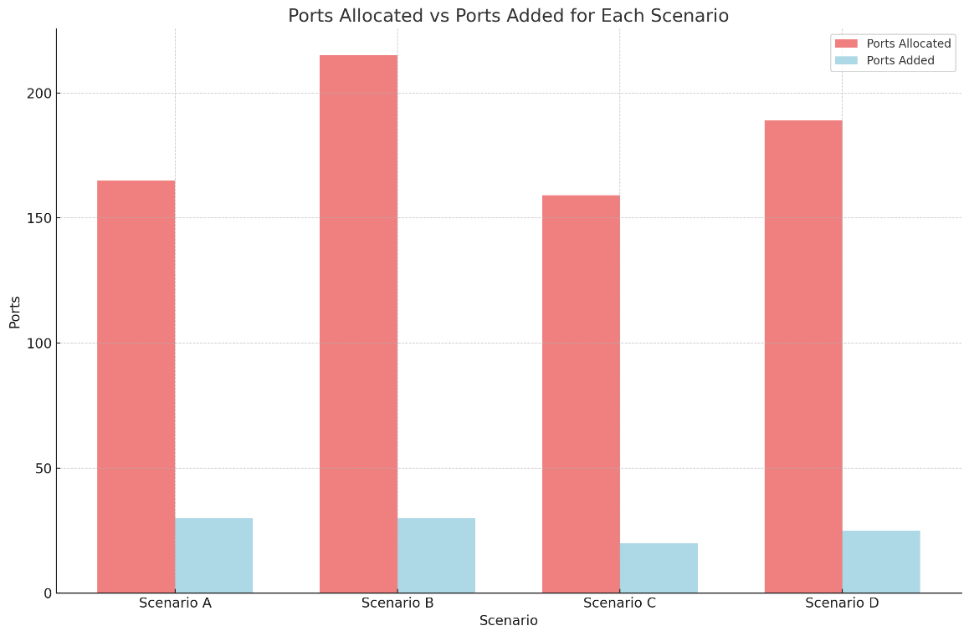
 | D (Demand & Capacity) | Demand (+15–20%) | Capacity (-15–20%)

Scenario A
Station Installed (Xjt) | Ports Allocated (Yjt) | Ports Added (Zjt)
 | 0
1 | 10 | 10
1 | 12 | 2
1 | 15 | 3
1 | 15 | 0
1 | 18 | 3
1 | 20 | 2
1 | 20 | 0
1 | 25 | 5
1 | 30 | 5
Totals | 165 | 30

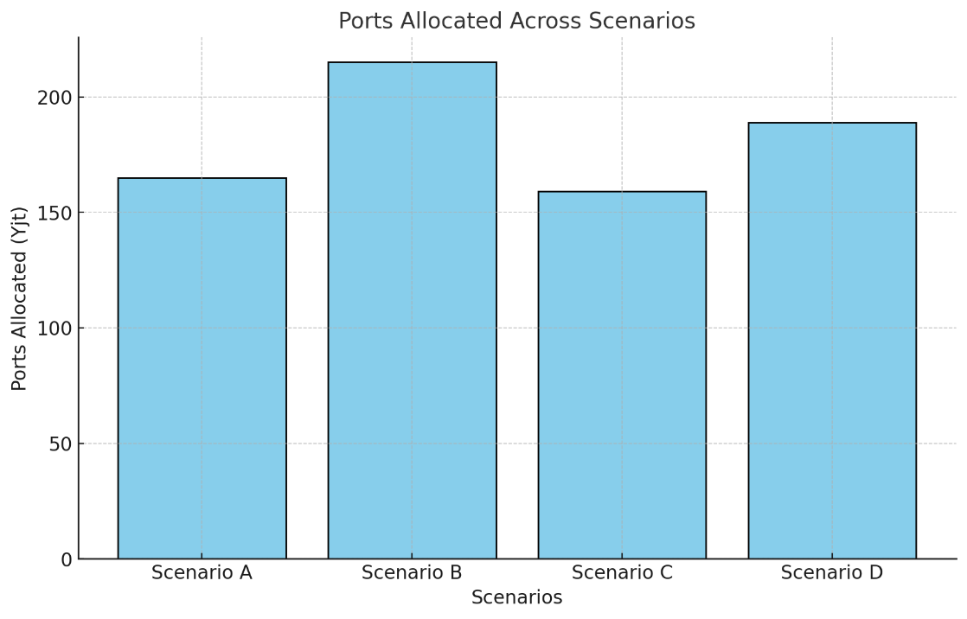
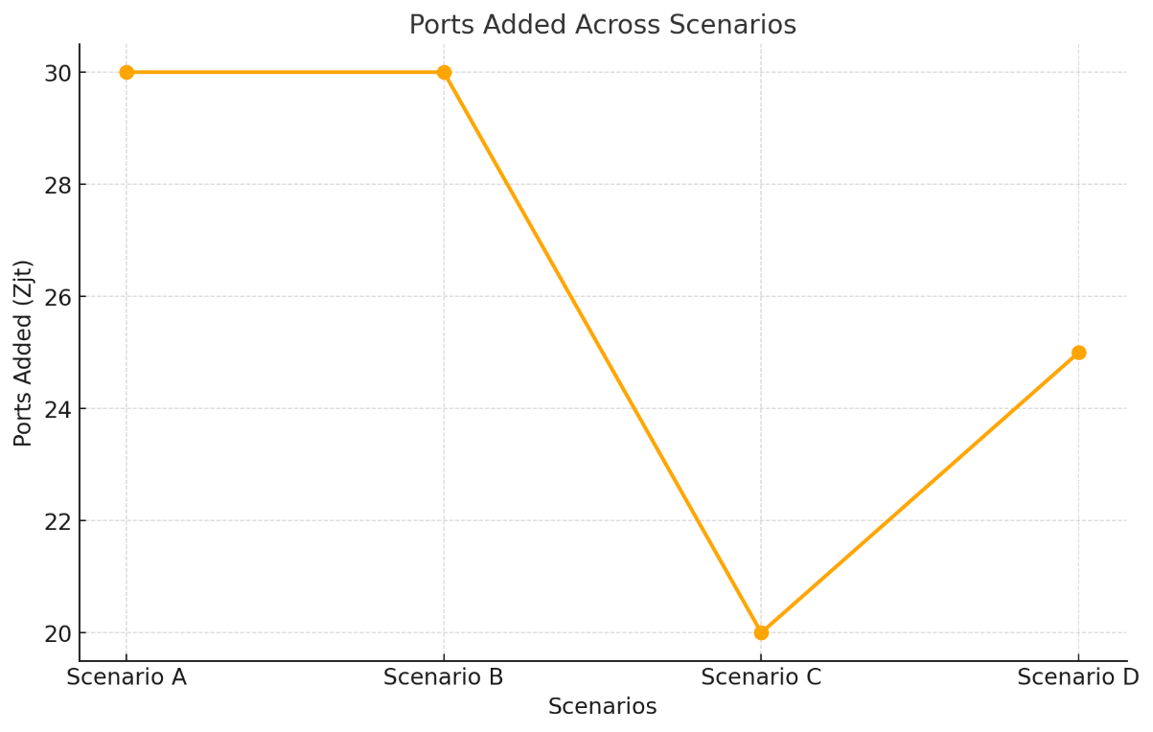
Scenario B
Station Installed (Xjt) | Ports Allocated (Yjt) | Ports Added (Zjt)
 | 0
1 | 20 | 20
1 | 20 | 0
1 | 20 | 0
0 | 20 | 0
1 | 25 | 5
1 | 25 | 0
0 | 25 | 0
1 | 30 | 5
1 | 30 | 0
Totals | 215 | 30

Scenario C
Station Installed (Xjt) | Ports Allocated (Yjt) | Ports Added (Zjt)
 | 0
1 | 15 | 15
1 | 15 | 0
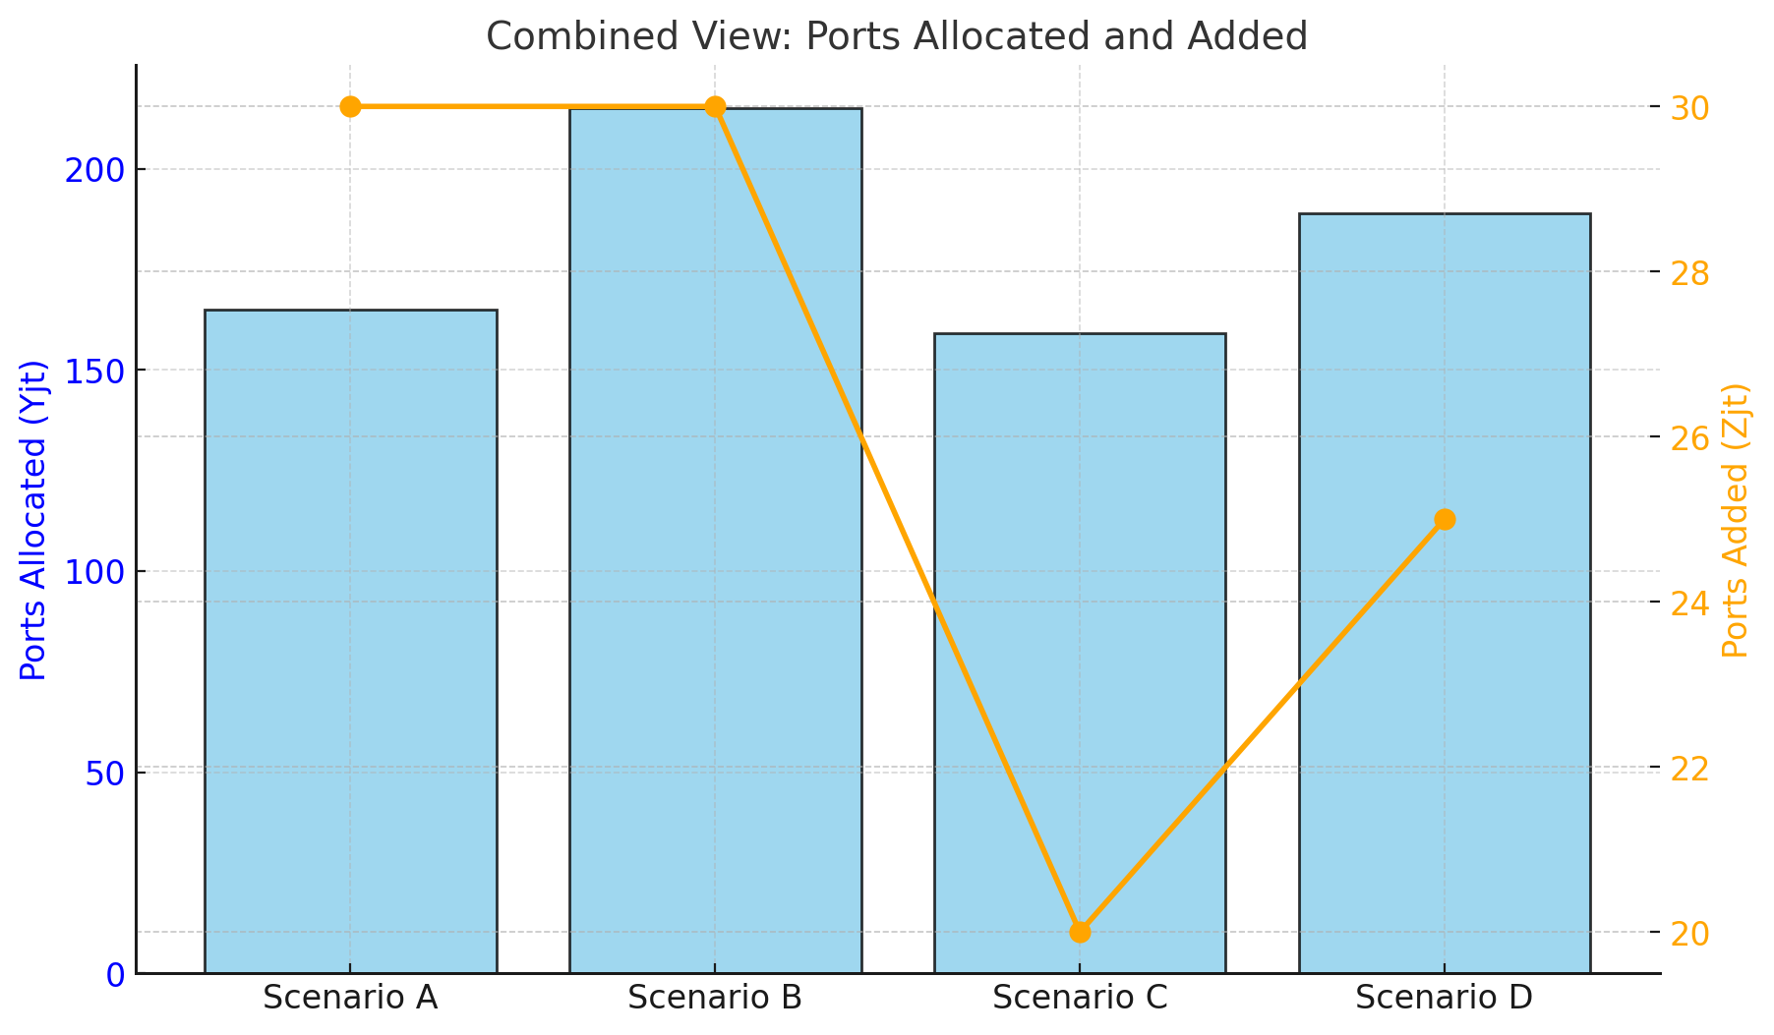
1 | 15 | 0
1 | 18 | 3
1 | 18 | 0
1 | 18 | 0
1 | 20 | 2
1 | 20 | 0
1 | 20 | 0
Totals | 159 | 20

Scenario D
Station Installed (Xjt) | Ports Allocated (Yjt) | Ports Added (Zjt)
 | 0
1 | 17 | 17
1 | 17 | 0
1 | 17 | 0
1 | 21 | 4
1 | 21 | 0
1 | 21 | 0
1 | 25 | 4
1 | 25 | 0
1 | 25 | 0
Totals | 189 | 25

