Sheet1
[I] Overall metrics |  |  |  |  | GMM
[I] ===============
[I] Event label | Evt. F1 | Evt. ER | Seg. F1 | Seg. ER |
[I] ----------------- + ------- + ------- + ------- + ------- +
[I] babycry | 67.58 | 0.77 | 70.56 | 0.53 |
[I] glassbreak | 82.75 | 0.35 | 66.08 | 0.62 |
[I] gunshot | 67.15 | 0.54 | 46.05 | 0.76 |
[I] ----------------- + ------- + ------- + ------- + ------- +
[I] Average | 72.49 | 0.55 | 60.90 | 0.64 |

Overall metrics |  |  |  |  | IA_20170724
[I] ===============
[I] Event label | Evt. F1 | Evt. ER | Seg. F1 | Seg. ER |
[I] ----------------- + ------- + ------- + ------- + ------- +
[I] babycry | 68.68 | 0.76 | 78.59 | 0.39 |
[I] glassbreak | 87.31 | 0.24 | 81.60 | 0.32 |
[I] gunshot | 49.73 | 0.74 | 39.48 | 0.80 |
[I] ----------------- + ------- + ------- + ------- + ------- +
[I] Average | 68.57 | 0.58 | 66.56 | 0.50 |

[I] Overall metrics |  |  |  |  | DNN
[I] ===============
[I] Event label | Evt. F1 | Evt. ER | Seg. F1 | Seg. ER |
[I] ----------------- + ------- + ------- + ------- + ------- +
[I] babycry | 67.76 | 0.79 | 80.16 | 0.36 |
[I] glassbreak | 87.27 | 0.24 | 82.08 | 0.32 |
[I] gunshot | 54.42 | 0.76 | 44.01 | 0.80 |
[I] ----------------- + ------- + ------- + ------- + ------- +
[I] Average | 69.81 | 0.60 | 68.75 | 0.49 |
[I]
[I] DONE [0:00:02.516000 ]

[I] Overall metrics |  |  |  |  | IA_noProc
[I] ===============
[I] Event label | Evt. F1 | Evt. ER | Seg. F1 | Seg. ER |
[I] ----------------- + ------- + ------- + ------- + ------- +
[I] babycry | 71.43 | 0.70 | 82.08 | 0.33 |
[I] glassbreak | 87.45 | 0.23 | 81.07 | 0.33 |
[I] gunshot | 49.08 | 0.77 | 39.89 | 0.81 |
[I] ----------------- + ------- + ------- + ------- + ------- +
[I] Average | 69.32 | 0.57 | 67.68 | 0.49 |
[I]
[I] DONE [0:00:02.530000 ]

[I] Overall metrics |  |  |  |  | CNN
[I] ===============
[I] Event label | Evt. F1 | Evt. ER | Seg. F1 | Seg. ER |
[I] ----------------- + ------- + ------- + ------- + ------- +
[I] babycry | 61.17 | 0.91 | 73.32 | 0.43 |
[I] glassbreak | 83.03 | 0.37 | 81.61 | 0.35 |
[I] gunshot | 50.11 | 0.90 | 42.46 | 0.83 |
[I] ----------------- + ------- + ------- + ------- + ------- +
[I] Average | 64.77 | 0.73 | 65.80 | 0.54 |

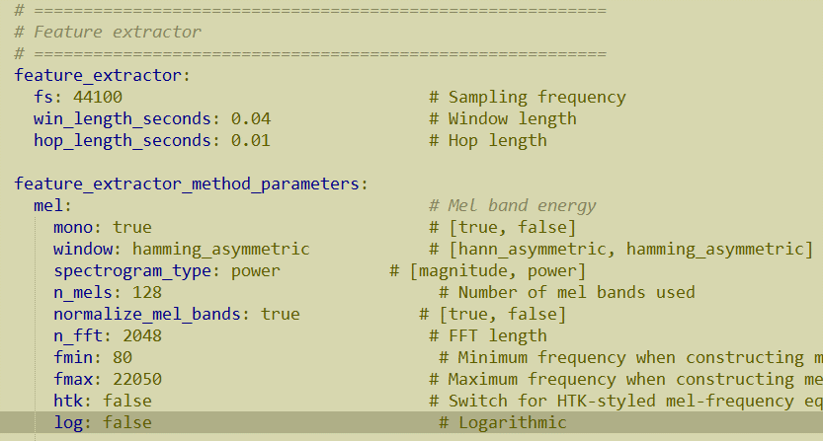
[I] Overall metrics |  |  |  |  | DNN
[I] ===============
[I] Event label | Evt. F1 | Evt. ER | Seg. F1 | Seg. ER |
[I] ----------------- + ------- + ------- + ------- + ------- +
[I] babycry | 3.94 | 0.99 | 1.40 | 1.00 |
[I] glassbreak | 4.63 | 0.99 | 6.24 | 0.98 |
[I] gunshot | 0.00 | 1.03 | 0.00 | 1.02 |
[I] ----------------- + ------- + ------- + ------- + ------- +
[I] Average | 2.86 | 1.00 | 2.54 | 1.00 |

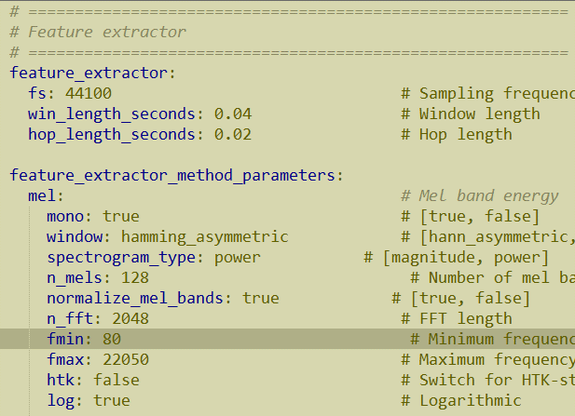
Overall metrics |  |  |  |  | DNN
[I] ===============
[I] Event label | Evt. F1 | Evt. ER | Seg. F1 | Seg. ER |
[I] ----------------- + ------- + ------- + ------- + ------- +
[I] babycry | 64.42 | 0.85 | 78.49 | 0.38 |
[I] glassbreak | 84.46 | 0.28 | 78.30 | 0.37 |
[I] gunshot | 62.96 | 0.56 | 49.51 | 0.68 |
[I] ----------------- + ------- + ------- + ------- + ------- +
[I] Average | 70.62 | 0.57 | 68.76 | 0.47 |

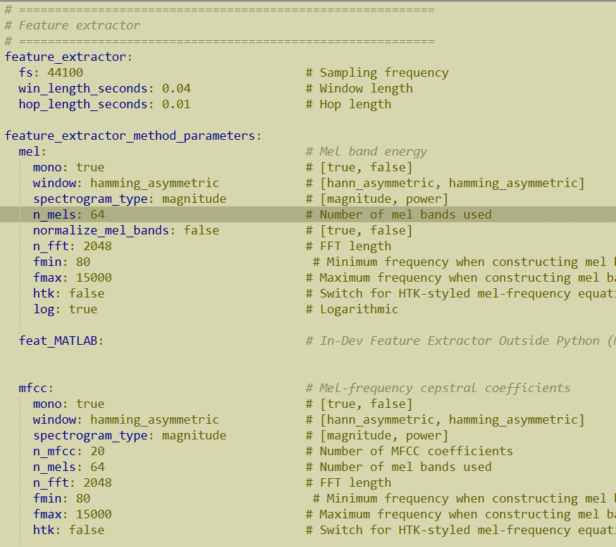
[I] Overall metrics
[I] ===============
[I] Event label | Evt. F1 | Evt. ER | Seg. F1 | Seg. ER |
[I] ----------------- + ------- + ------- + ------- + ------- +
[I] babycry | 55.89 | 1.43 | 68.12 | 0.70 |
[I] glassbreak | 59.31 | 1.31 | 54.62 | 1.24 |
[I] gunshot | 66.01 | 0.69 | 50.06 | 0.78 |
[I] ----------------- + ------- + ------- + ------- + ------- +
[I] Average | 60.40 | 1.14 | 57.60 | 0.91 |

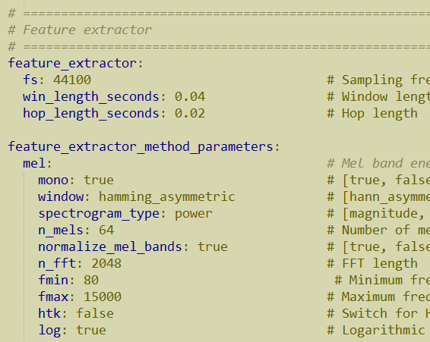
[I]
[I] System evaluation [Development setup][folds]
[I] ==================================================
[I]
[I]
[I] Overall metrics
[I] ===============
[I] Event label | Evt. F1 | Evt. ER | Seg. F1 | Seg. ER |
[I] ----------------- + ------- + ------- + ------- + ------- +
[I] babycry | 72.28 | 0.68 | 83.12 | 0.31 |
[I] glassbreak | 88.93 | 0.22 | 83.08 | 0.31 |
[I] gunshot | 54.60 | 0.65 | 43.67 | 0.73 |
[I] ----------------- + ------- + ------- + ------- + ------- +
[I] Average | 71.94 | 0.52 | 69.95 | 0.45 |
[I]
[I] DONE [0:00:02.522000 ]

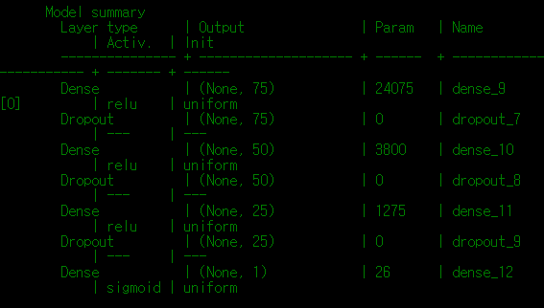
[I] Overall metrics
[I] ===============
[I] Event label | Evt. F1 | Evt. ER | Seg. F1 | Seg. ER |
[I] ----------------- + ------- + ------- + ------- + ------- +
[I] babycry | 72.67 | 0.66 | 82.43 | 0.33 |
[I] glassbreak | 87.95 | 0.24 | 83.98 | 0.30 |
[I] gunshot | 59.84 | 0.61 | 46.61 | 0.71 |
[I] ----------------- + ------- + ------- + ------- + ------- +
[I] Average | 73.49 | 0.51 | 71.01 | 0.45 |

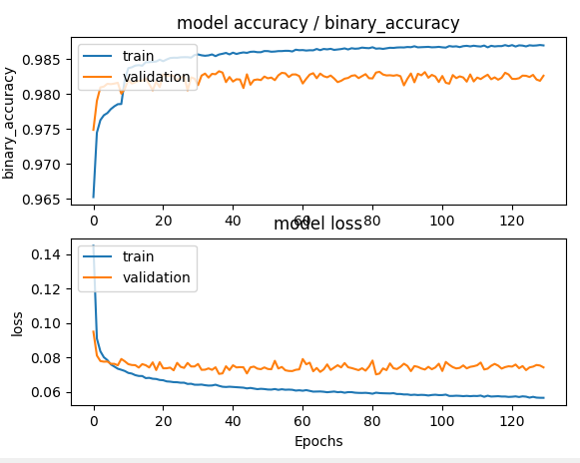
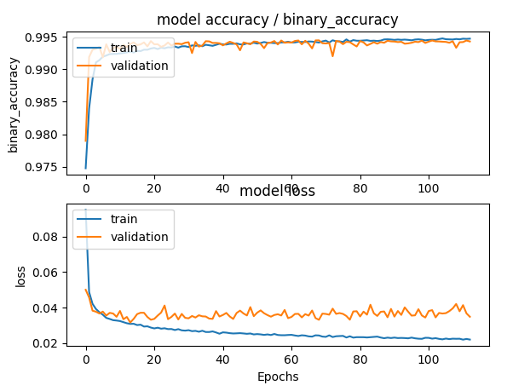
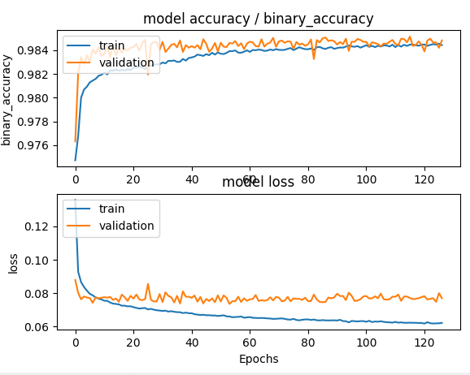

] Overall metrics
[I] ===============
[I] Event label | Evt. F1 | Evt. ER | Seg. F1 | Seg. ER |
[I] ----------------- + ------- + ------- + ------- + ------- +
[I] babycry | 74.83 | 0.60 | 83.64 | 0.30 |
[I] glassbreak | 89.61 | 0.20 | 83.63 | 0.30 |
[I] gunshot | 55.45 | 0.78 | 47.00 | 0.80 |
[I] ----------------- + ------- + ------- + ------- + ------- +
[I] Average | 73.30 | 0.53 | 71.42 | 0.47 |

Overall metrics | <org feat, Mel 40>
[I] ===============
[I] Event label | Evt. F1 | Evt. ER | Seg. F1 | Seg. ER |
[I] ----------------- + ------- + ------- + ------- + ------- +
[I] babycry | 70.99 | 0.72 | 81.20 | 0.35 |
[I] glassbreak | 88.20 | 0.23 | 82.17 | 0.32 |
[I] gunshot | 48.92 | 0.76 | 37.14 | 0.83 |
[I] ----------------- + ------- + ------- + ------- + ------- +
[I] Average | 69.37 | 0.57 | 66.84 | 0.50 |

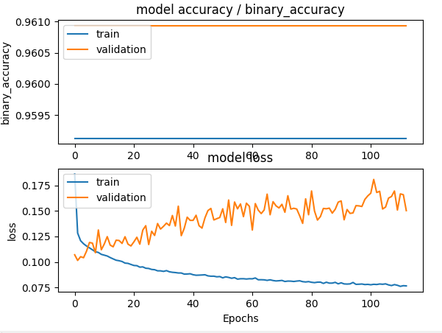
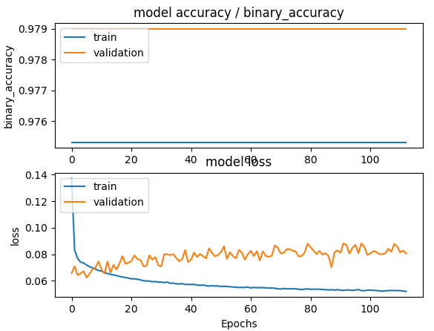
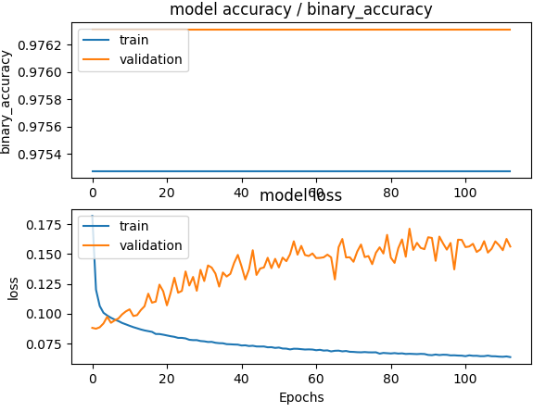
Doesn’t work!

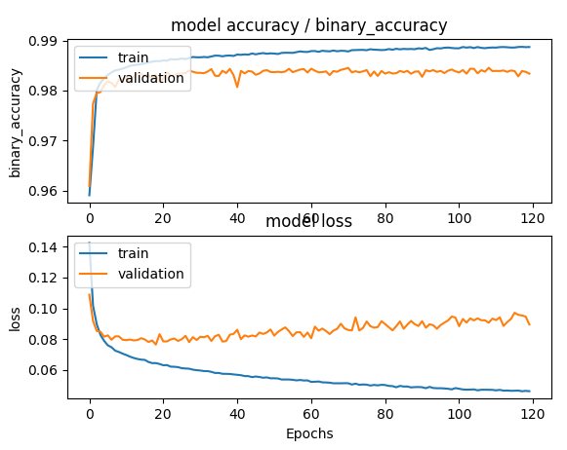
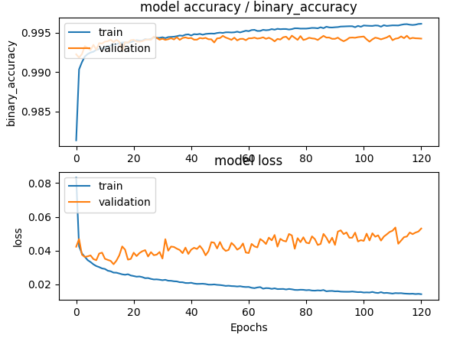
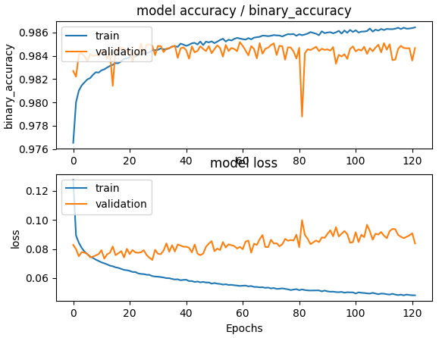

[I] Overall metrics
[I] ===============
[I] Event label | Evt. F1 | Evt. ER | Seg. F1 | Seg. ER |
[I] ----------------- + ------- + ------- + ------- + ------- +
[I] babycry | 72.93 | 0.68 | 84.11 | 0.30 |
[I] glassbreak | 87.08 | 0.26 | 83.80 | 0.30 |
[I] gunshot | 57.14 | 0.70 | 44.68 | 0.78 |
[I] ----------------- + ------- + ------- + ------- + ------- +
[I] Average | 72.38 | 0.54 | 70.86 | 0.46 |

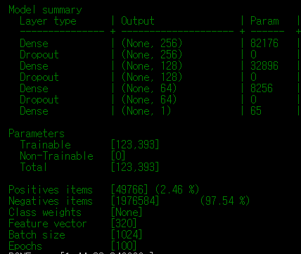
[I] Overall metrics |  | Data 1500(0.5) | Epoch 10
[I] ===============
[I] Event label | Evt. F1 | Evt. ER | Seg. F1 | Seg. ER |
[I] ----------------- + ------- + ------- + ------- + ------- +
[I] babycry | 73.77 | 0.63 | 82.14 | 0.33 |
[I] glassbreak | 89.61 | 0.20 | 85.32 | 0.27 |
[I] gunshot | 61.73 | 0.62 | 49.35 | 0.73 |
[I] ----------------- + ------- + ------- + ------- + ------- +
[I] Average | 75.04 | 0.48 | 72.27 | 0.44 |

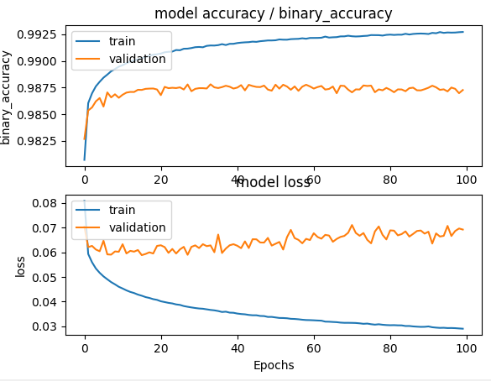
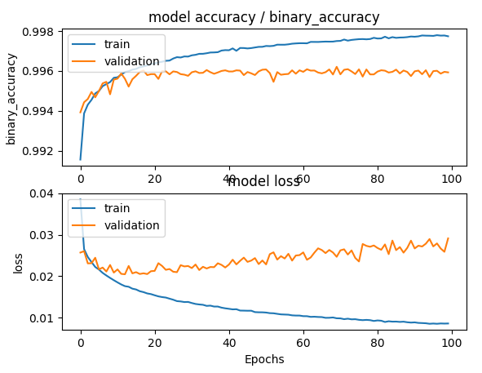
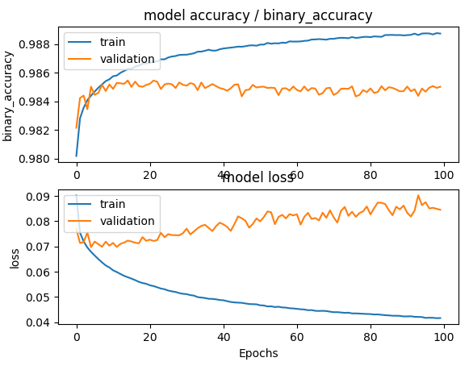
Overall metrics |  | Data 1500(0.5) | Epoch 100
[I] ===============
[I] Event label | Evt. F1 | Evt. ER | Seg. F1 | Seg. ER |
[I] ----------------- + ------- + ------- + ------- + ------- +
[I] babycry | 74.87 | 0.60 | 83.70 | 0.31 |
[I] glassbreak | 92.34 | 0.15 | 88.44 | 0.21 |
[I] gunshot | 63.62 | 0.64 | 52.86 | 0.70 |
[I] ----------------- + ------- + ------- + ------- + ------- +
[I] Average | 76.94 | 0.46 | 75.00 | 0.41 |

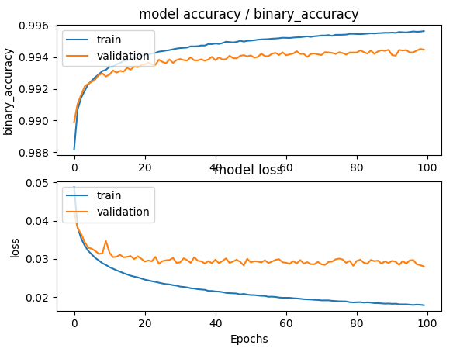
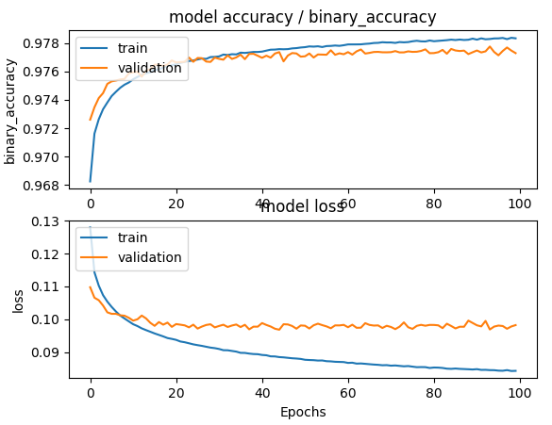
[I] Overall metrics |  | Data 3000 (prob 0.9)
[I] ===============
[I] Event label | Evt. F1 | Evt. ER | Seg. F1 | Seg. ER |
[I] ----------------- + ------- + ------- + ------- + ------- +
[I] babycry | 65.91 | 0.97 | 79.18 | 0.44 |
[I] glassbreak | 90.27 | 0.20 | 87.90 | 0.23 |
[I] gunshot | 63.81 | 0.68 | 55.82 | 0.70 |
[I] ----------------- + ------- + ------- + ------- + ------- +
[I] Average | 73.33 | 0.61 | 74.30 | 0.46 |

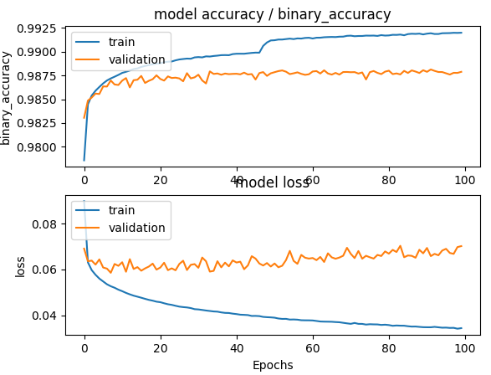
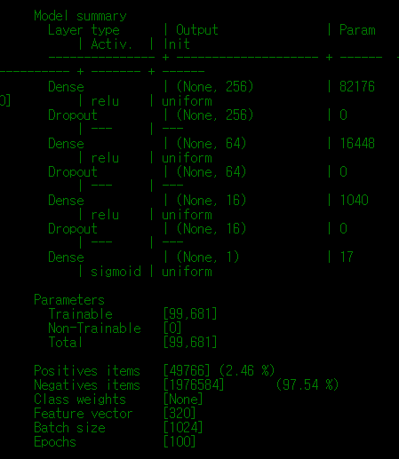
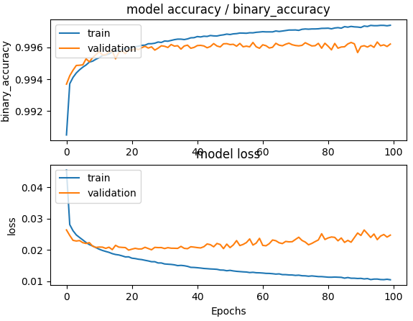
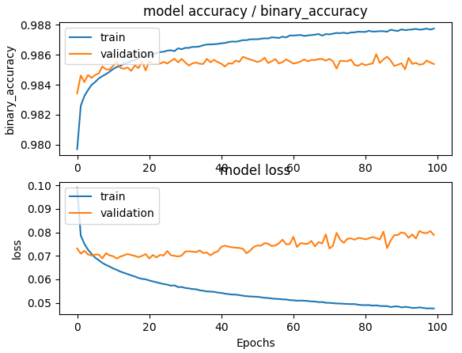
Overall metrics |  | Data 1500(0.5) | Epoch 100 | cand2
[I] ===============
[I] Event label | Evt. F1 | Evt. ER | Seg. F1 | Seg. ER |
[I] ----------------- + ------- + ------- + ------- + ------- +
[I] babycry | 72.94 | 0.66 | 83.82 | 0.30 |
[I] glassbreak | 92.40 | 0.15 | 88.07 | 0.22 |
[I] gunshot | 64.67 | 0.61 | 55.35 | 0.67 |
[I] ----------------- + ------- + ------- + ------- + ------- +
[I] Average | 76.67 | 0.47 | 75.75 | 0.40 |
[I]
[I] DONE [0:00:03.812000 ]

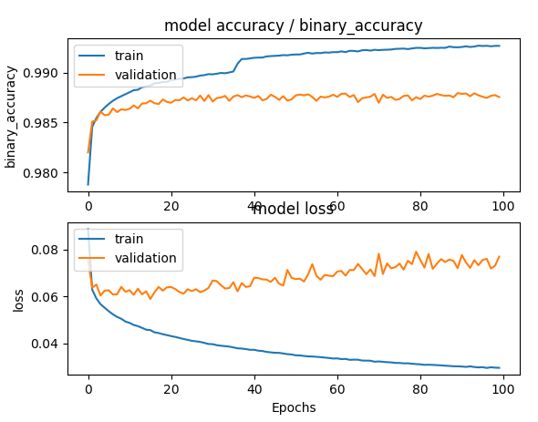
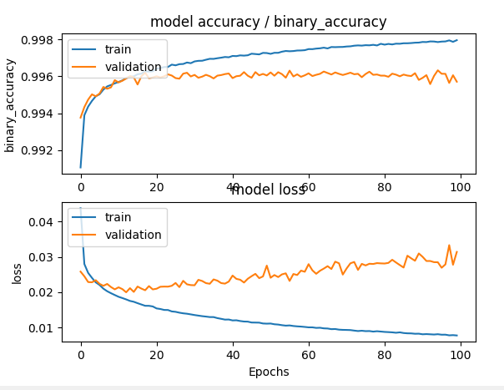
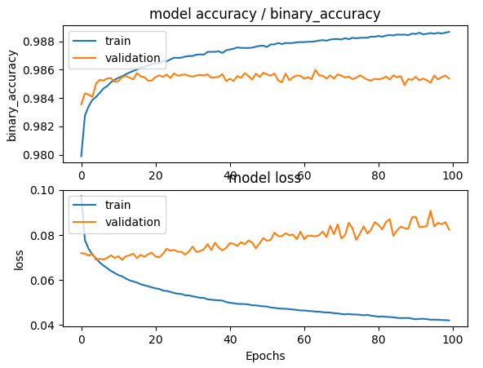
Overall metrics |  | Data 1500(0.5) | Epoch 100 | Mel128
[I] ===============
[I] Event label | Evt. F1 | Evt. ER | Seg. F1 | Seg. ER |
[I] ----------------- + ------- + ------- + ------- + ------- +
[I] babycry | 71.22 | 0.73 | 82.22 | 0.34 |
[I] glassbreak | 90.04 | 0.19 | 85.64 | 0.26 |
[I] gunshot | 61.73 | 0.74 | 53.70 | 0.75 |
[I] ----------------- + ------- + ------- + ------- + ------- +
[I] Average | 74.33 | 0.56 | 73.86 | 0.45 |

