Model
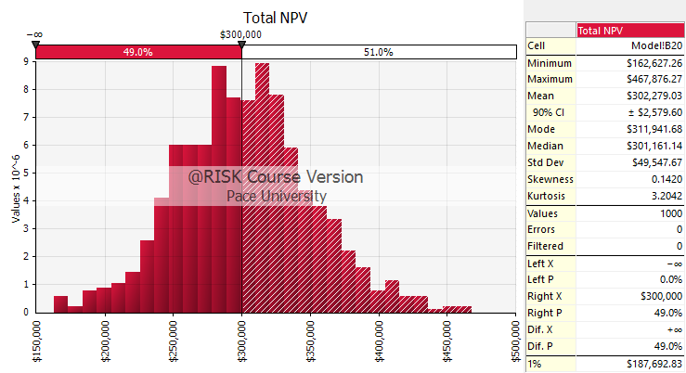
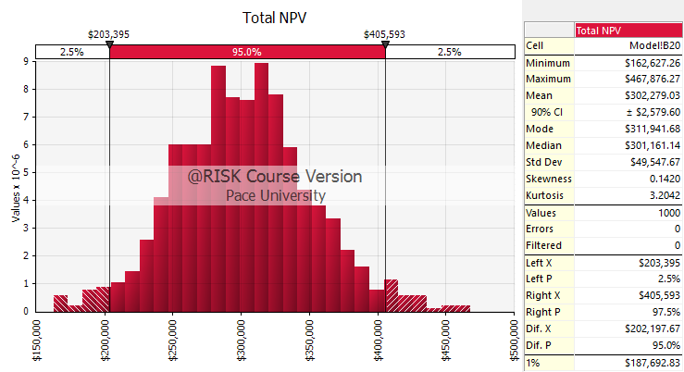
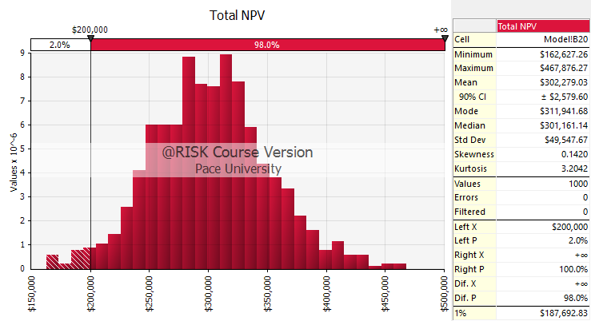
Brunswick Properties Model

Financial Summary |  |  | Cash Flows
Years Held | 6 | Year | 1 | 2 | 3 | 4 | 5 | 6
Sales price | #NAME? | Gross Income | $192,000 | #NAME? | #NAME? | #NAME? | #NAME? | #NAME?
Less: |  | Less:
Selling expense | #NAME? | V&C Allowance | #NAME? | #NAME? | #NAME? | #NAME? | #NAME? | #NAME?
Tax basis | #NAME? | Operating Exp. | #NAME? | #NAME? | #NAME? | #NAME? | #NAME? | #NAME?
Taxable gain | #NAME? | Net Operating Income | #NAME? | #NAME? | #NAME? | #NAME? | #NAME? | #NAME?
 |  | Less:
Proceeds from sale | #NAME? | Depreciation | $29,091 | $29,091 | $29,091 | $29,091 | $29,091 | $29,091
Less: |  | Interest | $35,000 | $33,378 | $31,675 | $29,887 | $28,009 | $26,038
Taxes | #NAME? | Taxable Income | #NAME? | #NAME? | #NAME? | #NAME? | #NAME? | #NAME?
Loan payoff | $479,349
Net cash from sale | #NAME? | Taxes Paid (Saved) | #NAME? | #NAME? | #NAME? | #NAME? | #NAME? | #NAME?

PV of sale proceeds | #NAME? | Principal Paid | $32,440 | $34,062 | $35,765 | $37,553 | $39,431 | $41,402
PV of cash flows | #NAME?
Less: Original Equity | $300,000 | Net Cash Flow | #NAME? | #NAME? | #NAME? | #NAME? | #NAME? | #NAME?
CLICK HERE FOR ANALYSIS OF A DIFFERENT NUMBER OF YEARS
Total NPV | #NAME?

 |  |  |  |  |  | Mean +/- 1.96*Stdev/sqrt(n)
 |  |  |  |  |  | P(NPV >= $300,000) = 51%

Model (10 Years)
Brunswick Properties Model

Financial Summary |  |  | Cash Flows
Years Held | 10 | Year | 1 | 2 | 3 | 4 | 5 | 6 | 7 | 8 | 9 | 10
Sales price | #NAME? | Gross Income | $192,000 | #NAME? | #NAME? | #NAME? | #NAME? | #NAME? | #NAME? | #NAME? | #NAME? | #NAME?
Less: |  | Less:
Selling expense | #NAME? | V&C Allowance | #NAME? | #NAME? | #NAME? | #NAME? | #NAME? | #NAME? | #NAME? | #NAME? | #NAME? | #NAME?
Tax basis | #NAME? | Operating Exp. | #NAME? | #NAME? | #NAME? | #NAME? | #NAME? | #NAME? | #NAME? | #NAME? | #NAME? | #NAME?
Taxable gain | #NAME? | Net Operating Income | #NAME? | #NAME? | #NAME? | #NAME? | #NAME? | #NAME? | #NAME? | #NAME? | #NAME? | #NAME?
 |  | Less:
Proceeds from sale | #NAME? | Depreciation | $29,091 | $29,091 | $29,091 | $29,091 | $29,091 | $29,091 | $29,091 | $29,091 | $29,091 | $29,091
Less: |  | Interest | $35,000 | $33,378 | $31,675 | $29,887 | $28,009 | $26,038 | $23,967 | $21,794 | $19,512 | $17,115
Taxes | #NAME? | Taxable Income | #NAME? | #NAME? | #NAME? | #NAME? | #NAME? | #NAME? | #NAME? | #NAME? | #NAME? | #NAME?
Loan payoff | $291,978
Net cash from sale | #NAME? | Taxes Paid (Saved) | #NAME? | #NAME? | #NAME? | #NAME? | #NAME? | #NAME? | #NAME? | #NAME? | #NAME? | #NAME?

PV of sale proceeds | #NAME? | Principal Paid | $32,440 | $34,062 | $35,765 | $37,553 | $39,431 | $41,402 | $43,472 | $45,646 | $47,928 | $50,324
PV of cash flows | #NAME?
Less: Original Equity | $300,000 | Net Cash Flow | #NAME? | #NAME? | #NAME? | #NAME? | #NAME? | #NAME? | #NAME? | #NAME? | #NAME? | #NAME?
CLICK HERE FOR ANALYSIS OF A DIFFERENT NUMBER OF YEARS
Total NPV | #NAME?

