KMeans7features
Instances: 5000 | Distance | K value | Clustered instances | Within cluster sum of squared errors | Sum of within cluster distances
K-means | Euclidean | 2 | 0 3325 ( 67%) 1 1675 ( 34%) | 138.53754689 |  | 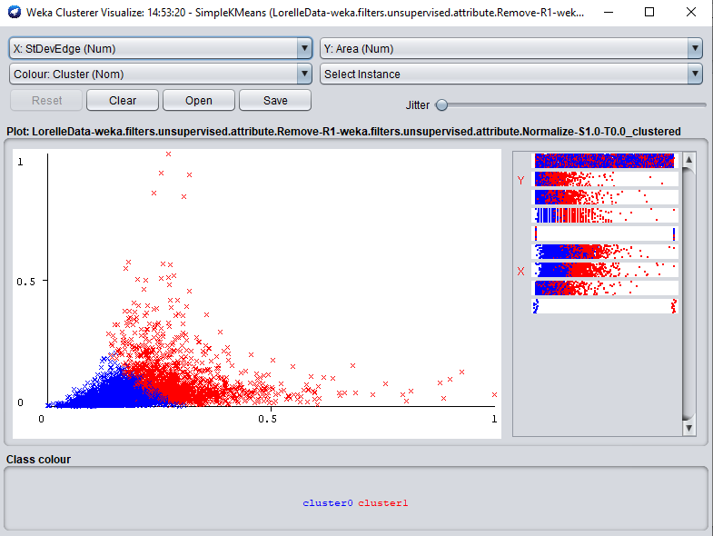
Instances: 5000 Initialisation method: Random Seed: 10 | Euclidean | 3 | 0 3123 ( 62%) 1 430 ( 9%) 2 1447 ( 29%) | 106.87620518 |  | 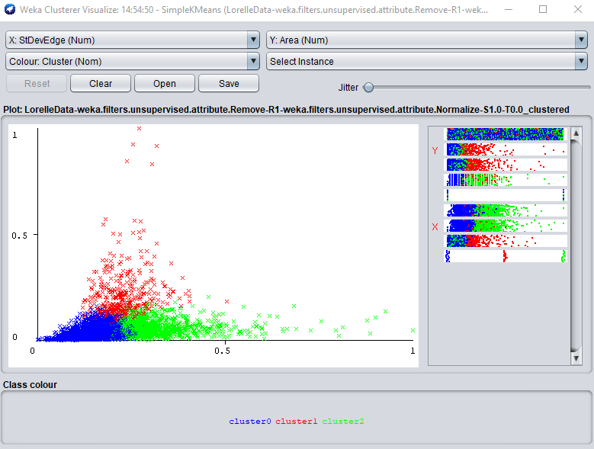
 | Euclidean | 4 | 0 368 ( 7%) 1 592 ( 12%) 2 2248 ( 45%) 3 1792 ( 36%) | 89.526651456 |  | 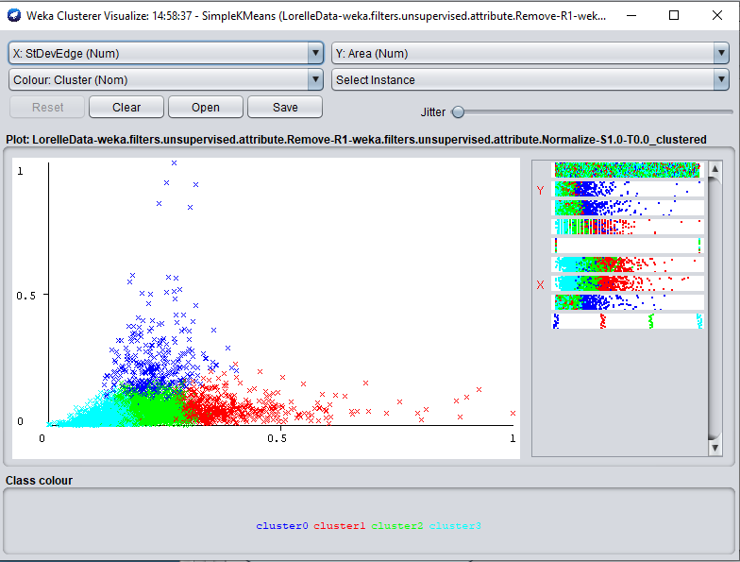
 | Manhattan | 2 | 0 2778 ( 56%) 1 2222 ( 44%) |  | 1251.2761678 | 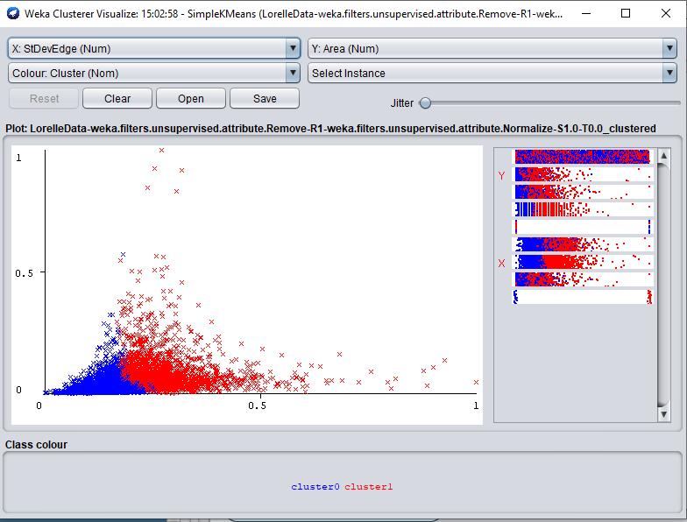
 | Manhattan | 3 | 0 2239 ( 45%) 1 996 ( 20%) 2 1765 ( 35%) |  | 1096.0302687 | 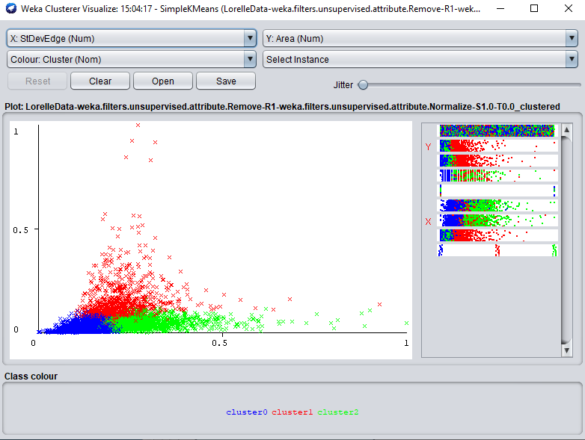
 | Manhattan | 4 | 0 908 ( 18%) 1 833 ( 17%) 2 1783 ( 36%) 3 1476 ( 30%) |  | 990.66141385 | 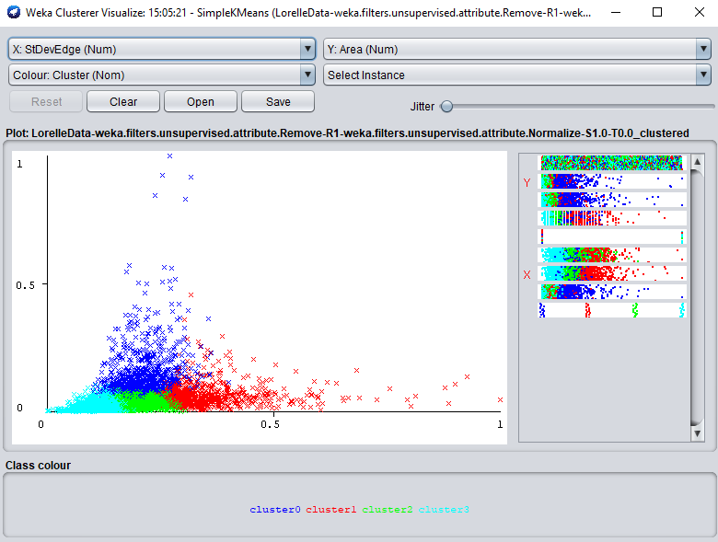
Seed 3 | Euclidean | 2 | 0 1675 ( 34%) 1 3325 ( 67%) | 138.53754689 |  | 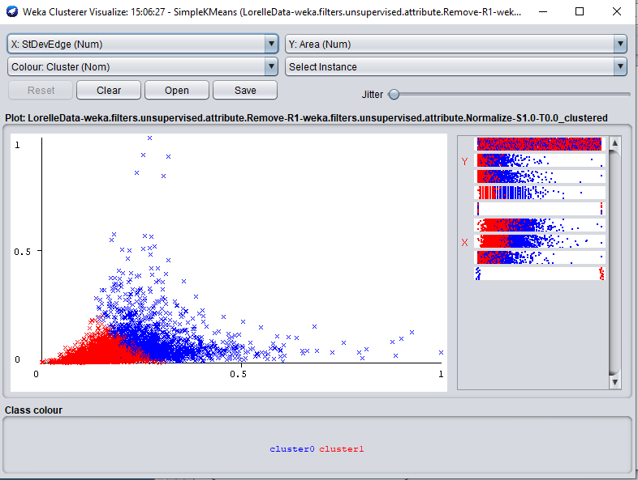
 | Manhattan | 2 | 0 2222 ( 44%) 1 2778 ( 56%) |  | 1251.2761678 | 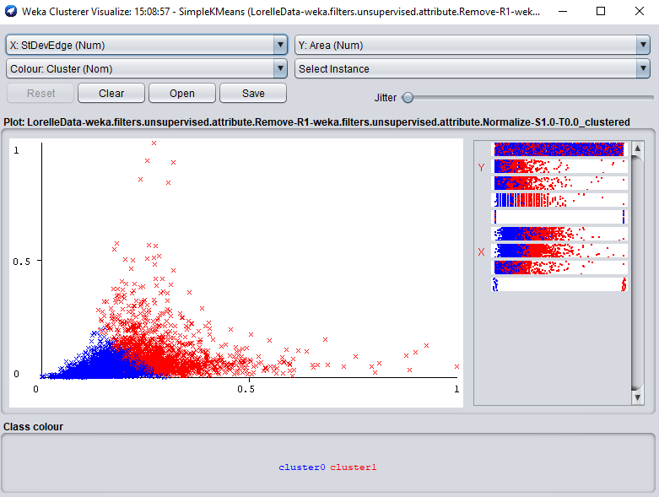
Seed 5 | Euclidean | 2 | 0 3334 ( 67%) 1 1666 ( 33%) | 138.53755925 |  | 
 | Manhattan | 2 | 0 2778 ( 56%) 1 2222 ( 44%) |  | 1251.2761678 | 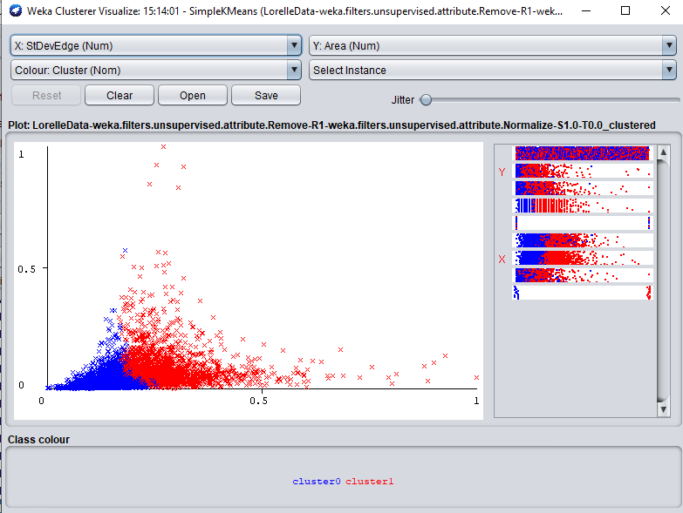

KMeansVis
Instances: 5000 | Distance | K value
K-means | Euclidean | 2 | 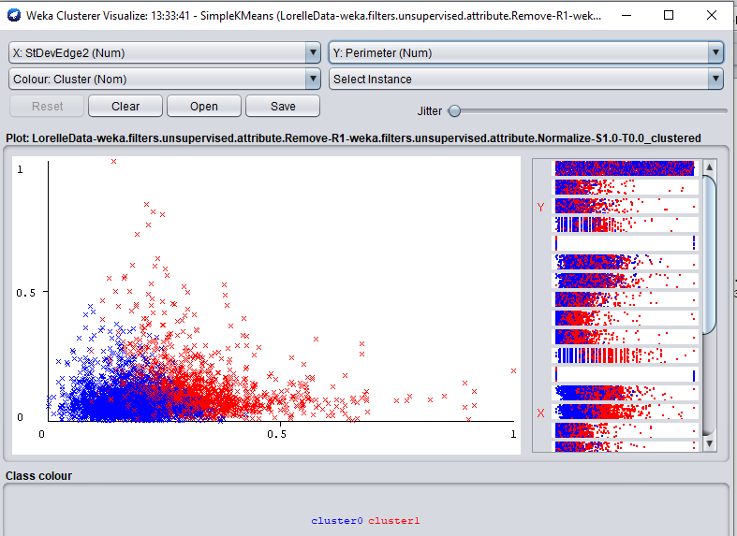 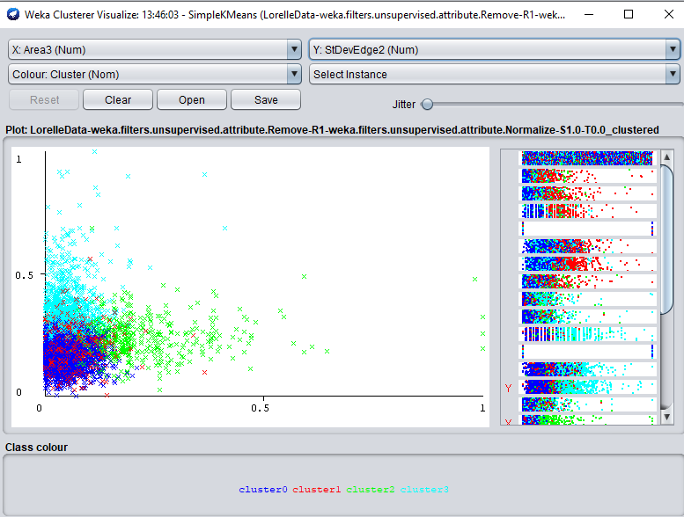 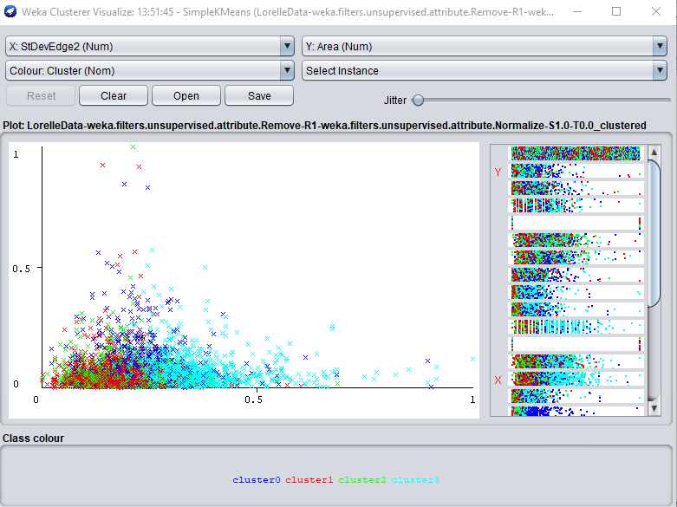
Instances: 5000 Initialisation method: Random Seed: 10 | Euclidean | 3 | 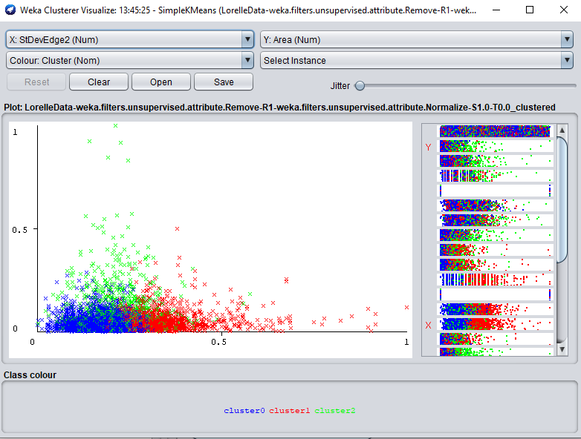
 | Euclidean | 4 | 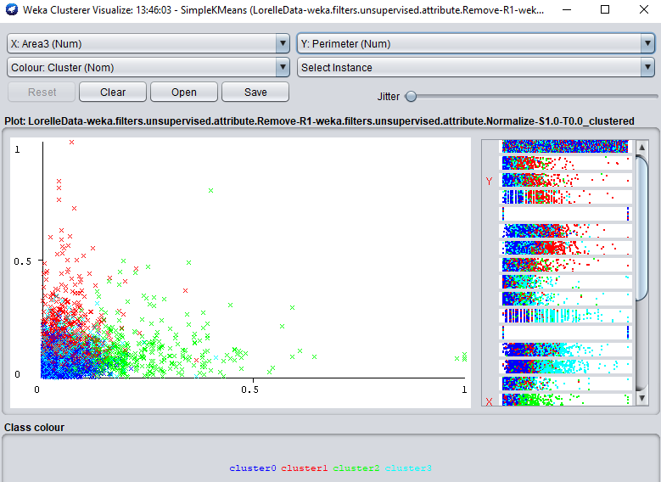
 | Manhattan | 2 | 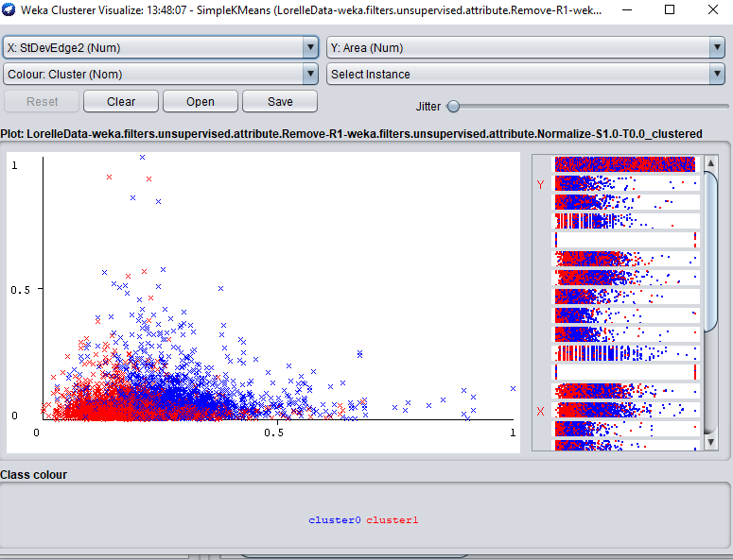
 | Manhattan | 3 | 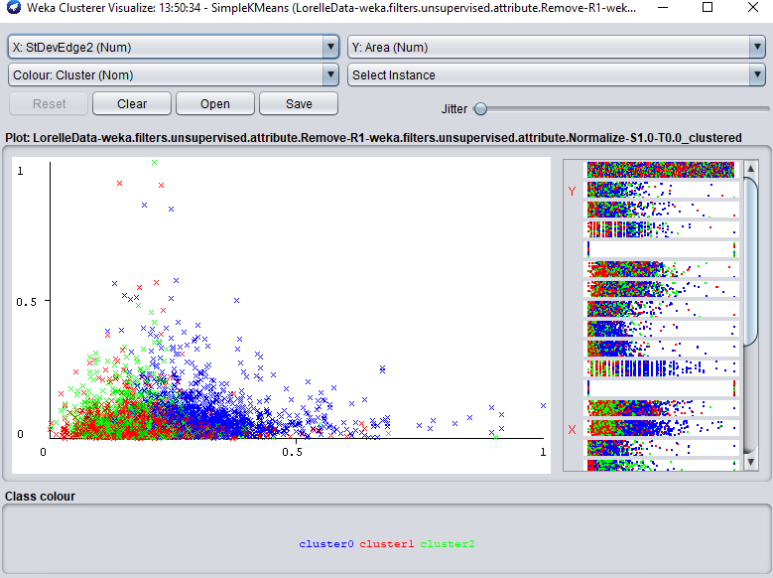
 | Manhattan | 4
Seed 3 | Euclidean | 2 | 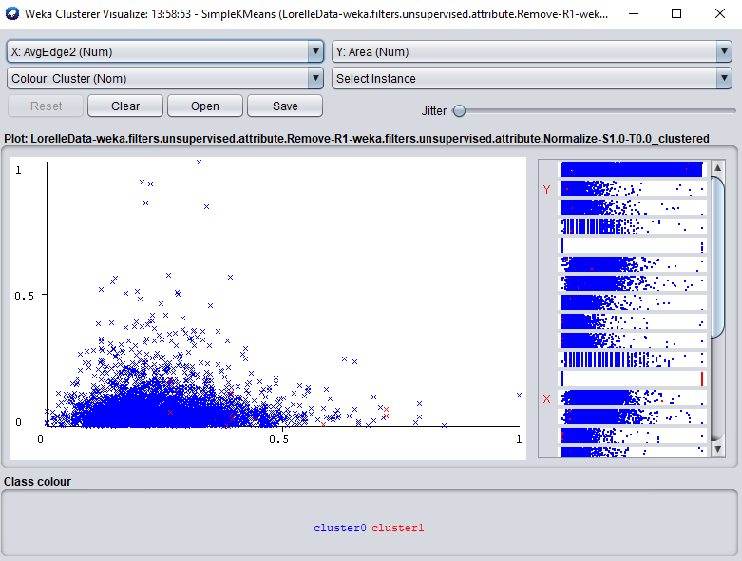
 | Manhattan | 2 | 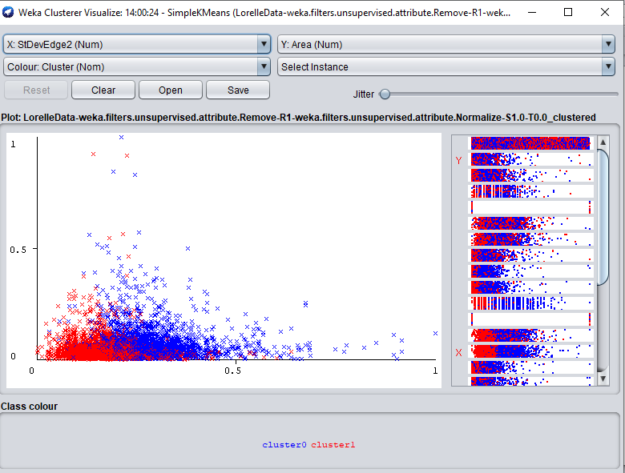
Seed 5 | Euclidean | 2 | 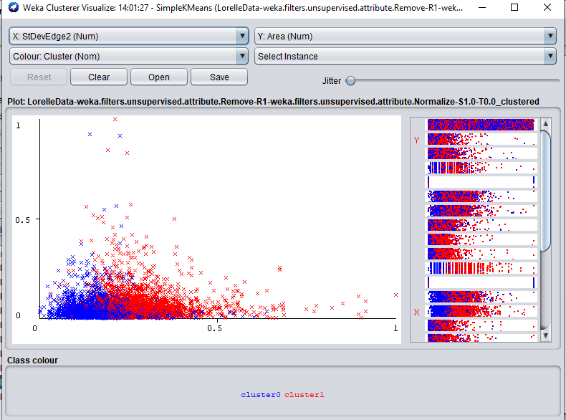
 | Manhattan | 2 | 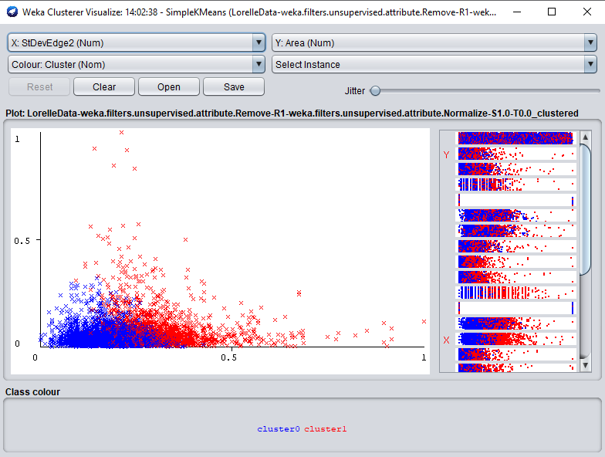

HC5000_24 features
 | Instances | Clusters | Results |  | Notes
Hierarchical clustering | 5000 | 2 | 0 4985 (100%) 1 15 ( 0%) | 