resumen
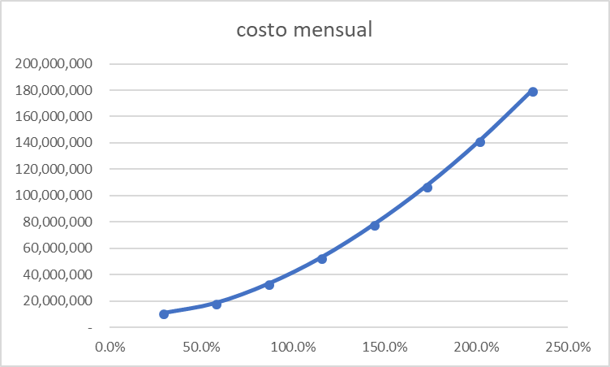
FU | %cvu/ct | %cpt/ct | cvu | cpt | ct
28.8% | 17.2% | 82.8% | 1,869,999 | 8,985,438 | 10,855,437
57.6% | 10.8% | 89.2% | 2,011,324 | 16,526,499 | 18,537,824
86.3% | 12.2% | 87.8% | 4,049,302 | 29,094,936 | 33,144,238
115.1% | 11.9% | 88.1% | 6,322,539 | 46,690,746 | 53,013,285
143.9% | 11.3% | 88.7% | 8,819,267 | 69,313,931 | 78,133,199
172.7% | 9.8% | 90.2% | 10,588,813 | 96,964,491 | 107,553,304
201.5% | 8.4% | 91.6% | 11,864,491 | 129,642,425 | 141,506,916
230.2% | 6.9% | 93.1% | 12,488,941 | 167,347,733 | 179,836,675

% cvu
% pt
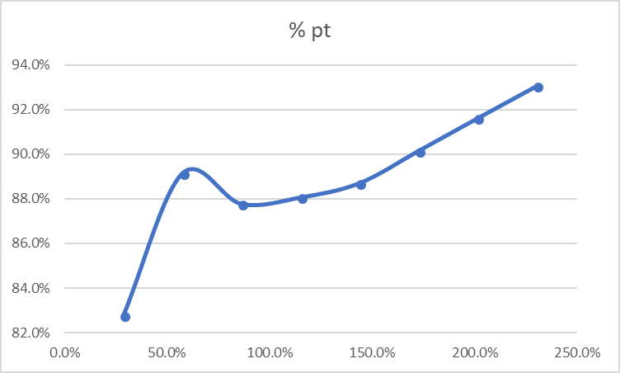

costo mensual
% pt
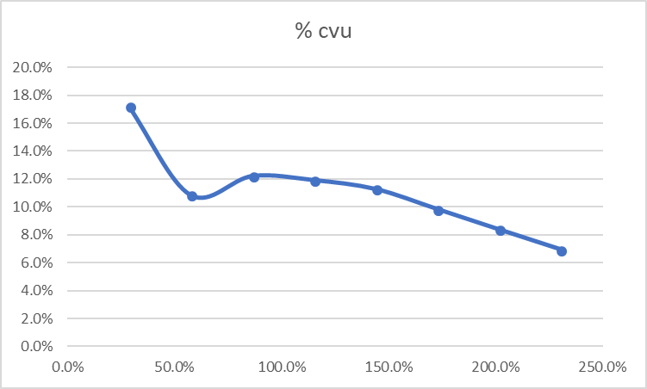

costo mensual

