Framework
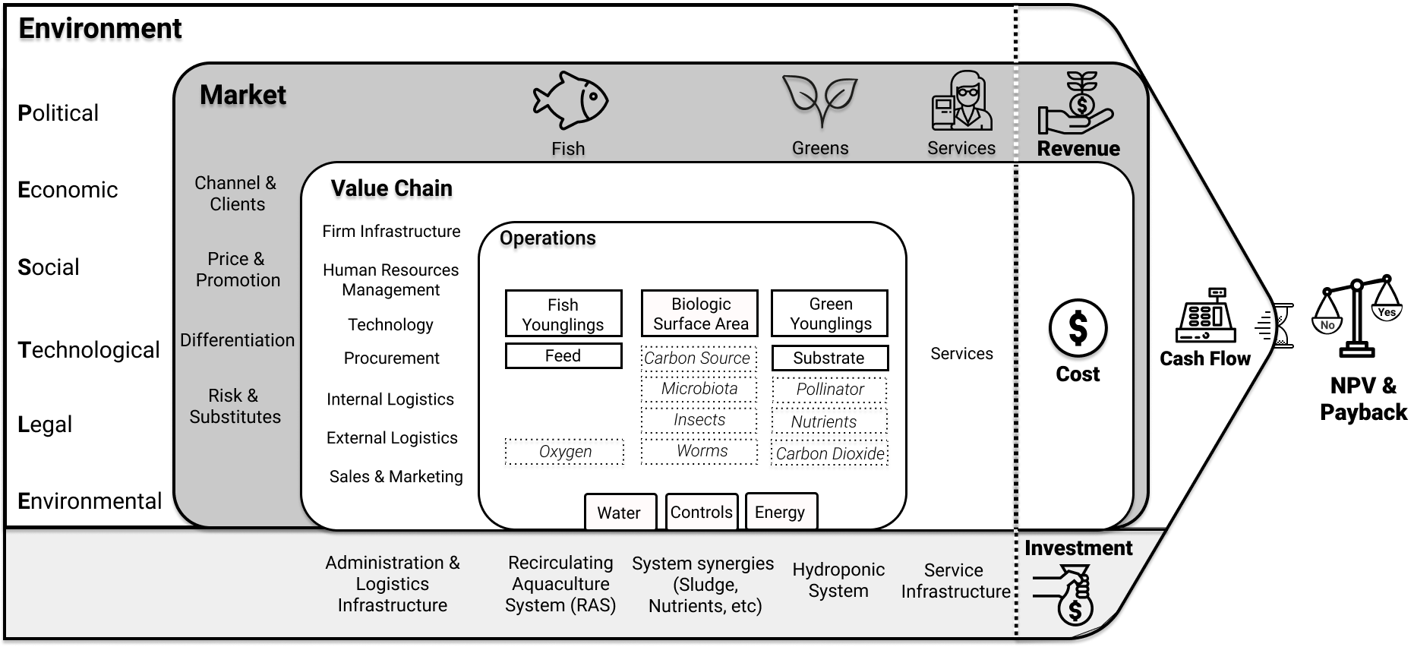
 |  |  |  |  |  |  |  |  | What is the best combination of greens given my equity and available space? |  |  |  |  |  | 0 | 1 | 2 | 3 | 4 | 5 | 6 | 7 | 8 | 9 | 10
 |  |  |  |  |  |  |  |  |  |  |  |  |  |  | Year 0 | Year 1 | Year 2 | Year 3 | Year 4 | Year 5 | Year 6 | Year 7 | Year 8 | Year 9 | Year 10 |  | Waterfall
 |  |  |  |  |  | Legend |  |  |  | Constraints |  |  | #VALUE! | Gross Revenue (Sales) | $0 |  |  |  |  |  |  |  |  |  |  | Gross Revenue (Sales)
 |  |  |  |  |  | User Input |  |  |  |  | Model |  |  | (-) Sales Taxes | $0 |  |  |  |  |  |  |  |  |  |  | Sales Taxes
 |  |  |  |  |  | Set Parameter |  |  |  | Equity | 10000 | $ |  | (=) Net Revenue | $0 |  |  |  |  |  |  |  |  |  |  | Cost of Goods Sold (COGS)
 |  |  |  |  |  | Constraint (user input) |  |  |  | Area | 1000 | m² |  | (-) Cost of Goods Sold (COGS) | $0 |  |  |  |  |  |  |  |  |  |  | People Costs
 |  |  |  |  |  | Variables |  |  |  |  |  |  |  | (-) People Costs | $0 |  |  |  |  |  |  |  |  |  |  | Water Costs
 |  |  |  |  |  | Formula (do not change) |  |  |  |  |  |  |  | (-) Water | $0 |  |  |  |  |  |  |  |  |  |  | Energy Costs
 |  |  |  |  |  | Output |  |  |  | Chosen | Lettuce |  |  | (-) Energy | $0 |  |  |  |  |  |  |  |  |  |  | Debt Interest
 |  |  |  |  |  |  |  |  |  |  | Tilapia |  |  | (=) EBITDA |  |  |  |  |  |  |  |  |  |  |  | Corporate Tax
 |  |  |  |  |  |  |  |  |  |  | South America |  |  | (-) Debt Interest | $0 |  |  |  |  |  |  |  |  |  |  | Investment
 |  |  |  |  |  |  |  |  |  |  |  |  |  | (-) Corporate Tax | $0 |  |  |  |  |  |  |  |  |  |  | Project financing loan repayment
 |  |  |  |  |  |  |  |  |  |  |  |  |  | (-) Investment (Equity on Y0) |  |  |  |  |  |  |  |  |  |  |  | FREE CASH FLOW
 |  |  |  |  |  | Is is worth investing in some of the productivity boosters? |  |  |  |  |  |  |  | (=) CASH FLOW
 |  |  |  |  |  | Which plant and fish combination is most adequate for my climate? |  |  |  |  |  |  |  | (-) Project financing loan repayment | $0
 |  |  |  |  |  | Give these greens and fish, what size do I need to make the endeavour commercially viable? |  |  |  |  |  |  |  | FREE CASH FLOW
 |  |  |  |  |  |  |  |  |  |  |  |  |  | Adjusted value in time
 |  |  |  |  |  |  |  |  |  |  |  |  |  | Accumulated value in time

 |  |  |  |  |  |  |  |  |  |  |  |  |  | Net Present Value
Environment
 |  |  |  |  |  |  |  |  |  |  |  |  |  | Discounted Payback |  | years
None None
 | Accumulated value in time
 | -$10,000
 | -$162,277
 | -$149,278
 | -$132,009
 | -$114,203
 | -$93,915
 | -$74,860
 | -$52,369
 | -$31,625
 | -$10,250
 | $5,914
Political | Market |  |  | #VALUE! |  |  |  | #VALUE! |  | #VALUE! | #VALUE!
 |  |  |  | Fish & Others |  |  |  | Greens |  | Services | Revenue
 | Channel & Clients
Economic |  | Value Chain

 |  | Firm Infrastructure
Social | Price & Promotion |  | Operations |  |  |  |  |  |  |  |  | #VALUE!
 |  | Human Resources Mgment |  |  |  |  |  |  |  |  | #VALUE! |  |  |  | Temperature adjustment |  | Equipment Energy consumtpion
 |  |  |  | Fish Younglings |  | Biologic Surface Area |  | Green Younglings |  |  |  | Cash Flow | #VALUE! |  |  | kWh/year
Technological |  | Technology |  |  |  |  |  |  |  | Services | Cost |  |  |  | Water need
 | Differentiation |  |  | Feed |  | Carbon Source |  | Substrate |  |  |  |  |  |  |  | mm/year |  | m3/year
 |  | Procurement |  |  |  |  |  |  |  |  |  | Average Yearly
Legal |  |  |  |  |  | Microbiota |  | Pollinator
 |  | Internal Logistics
 |  |  |  | Oxygen |  | Insects |  | Nutrients
Environmental | Risk & Substitutes | External Logistics
 |  |  |  |  |  | Worms |  | Carbon Dioxide
 |  | Sales & Marketing
 |  |  |  |  | Water |  | Controls |  | Energy

 |  |  |  |  |  |  |  |  |  |  | #VALUE!
 |  | Administration & Logistics Infrastructure |  | Recirculating Aquaculture System (RAS) |  | System sinergies (Sludge, Nutrients, etc.) |  | Hydroponics System |  | Service Infrastructure
 |  |  |  |  |  |  |  |  |  |  | Investment

