Framework
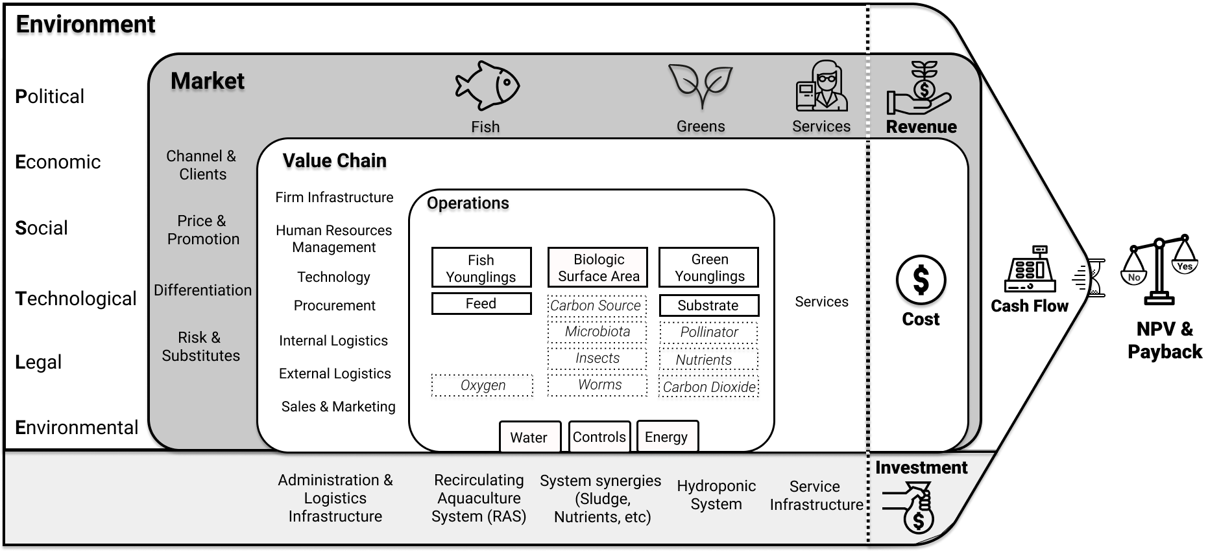
 |  |  |  |  |  |  |  |  | What is the best combination of greens given my equity and available space? |  |  |  |  |  | 0 | 1 | 2 | 3 | 4 | 5 | 6 | 7 | 8 | 9 | 10
 |  |  |  |  |  |  |  |  |  |  |  |  |  |  | Year 0 | Year 1 | Year 2 | Year 3 | Year 4 | Year 5 | Year 6 | Year 7 | Year 8 | Year 9 | Year 10 |  | Waterfall
 |  |  |  |  |  | Legend |  |  |  | Constraints |  |  |  | Gross Revenue (Sales) | $0 | $329,300 | $548,833 | $548,833 | $548,833 | $548,833 | $548,833 | $548,833 | $548,833 | $548,833 | $548,833 | Gross Revenue (Sales) | $548,833
 |  |  |  |  |  | User Input |  |  |  |  | Model |  |  | (-) Sales Taxes | $0 | $21,405 | $35,674 | $35,674 | $35,674 | $35,674 | $35,674 | $35,674 | $35,674 | $35,674 | $35,674 | Sales Taxes | -$35,674
 |  |  |  |  |  | Set Parameter |  |  |  | Equity | 10000 | $ |  | (=) Net Revenue | $0 | $307,896 | $513,159 | $513,159 | $513,159 | $513,159 | $513,159 | $513,159 | $513,159 | $513,159 | $513,159 | Cost of Goods Sold (COGS) | -$228,576
 |  |  |  |  |  | Constraint (user input) |  |  |  | Area | 1000 | m² |  | (-) Cost of Goods Sold (COGS) | $0 | $228,576 | $228,576 | $228,576 | $228,576 | $228,576 | $228,576 | $228,576 | $228,576 | $228,576 | $228,576 | People Costs | -$151,450
 |  |  |  |  |  | Variables |  |  |  |  |  |  |  | (-) People Costs | $0 | $151,450 | $151,450 | $151,450 | $151,450 | $151,450 | $151,450 | $151,450 | $151,450 | $151,450 | $151,450 | Water Costs | -$361
 |  |  |  |  |  | Formula (do not change) |  |  |  |  |  |  |  | (-) Water | $0 | $361 | $361 | $361 | $361 | $361 | $361 | $361 | $361 | $361 | $361 | Energy Costs | -$13,669
 |  |  |  |  |  | Output |  |  |  | Chosen | Lettuce |  |  | (-) Energy | $0 | $13,669 | $13,669 | $13,669 | $13,669 | $13,669 | $13,669 | $13,669 | $13,669 | $13,669 | $13,669 | Debt Interest | -$2,939
 |  |  |  |  |  |  |  |  |  |  | Tilapia |  |  | (=) EBITDA | $0 | -$86,161 | $119,103 | $119,103 | $119,103 | $119,103 | $119,103 | $119,103 | $119,103 | $119,103 | $119,103 | Corporate Tax | -$17,865
 |  |  |  |  |  |  |  |  |  |  | South America |  |  | (-) Debt Interest | $0 | $29,393 | $26,453 | $23,514 | $20,575 | $17,636 | $14,696 | $11,757 | $8,818 | $5,879 | $2,939 | Investment | -$32,013
 |  |  |  |  |  |  |  |  |  |  |  |  |  | (-) Corporate Tax | $0 | $0 | $17,865 | $17,865 | $17,865 | $17,865 | $17,865 | $17,865 | $17,865 | $17,865 | $17,865 | Project financing loan repayment | -$27,722
 |  |  |  |  |  |  |  |  |  |  |  |  |  | (-) Investment (Equity on Y0) | $10,000 | $14,948 | $19,149 | $17,048 | $19,149 | $17,253 | $21,250 | $14,948 | $19,149 | $17,048 | $32,013 | FREE CASH FLOW | $38,562
 |  |  |  |  |  | Is is worth investing in some of the productivity boosters? |  |  |  |  |  |  |  | (=) CASH FLOW | -$10,000 | -$130,502 | $55,635 | $60,675 | $61,513 | $66,349 | $65,291 | $74,532 | $73,270 | $78,310 | $66,284
 |  |  |  |  |  | Which plant and fish combination is most adequate for my climate? |  |  |  |  |  |  |  | (-) Project financing loan repayment | $0 | $54,175 | $51,236 | $48,297 | $45,358 | $42,418 | $39,479 | $36,540 | $33,601 | $30,661 | $27,722
 |  |  |  |  |  | Give these greens and fish, what size do I need to make the endeavour commercially viable? |  |  |  |  |  |  |  | FREE CASH FLOW | -$10,000 | -$184,677 | $4,399 | $12,378 | $16,156 | $23,930 | $25,812 | $37,992 | $39,670 | $47,649 | $38,562
 |  |  |  |  |  |  |  |  |  |  |  |  |  | Adjusted value in time | -$10,000 | -$164,797 | $3,503 | $8,795 | $10,244 | $13,540 | $13,033 | $17,118 | $15,950 | $17,096 | $12,346
 |  |  |  |  |  |  |  |  |  |  |  |  |  | Accumulated value in time | -$10,000 | -$174,797 | -$171,295 | -$162,499 | -$152,255 | -$138,715 | -$125,682 | -$108,564 | -$92,614 | -$75,519 | -$63,173

 |  |  |  |  |  |  |  |  |  |  |  |  |  | Net Present Value | -$63,173 | NO
Environment
 |  |  |  |  |  |  |  |  |  |  |  |  |  | Discounted Payback | Over 10 | years

Political | Market
 |  |  |  | Fish & Others |  |  |  | Greens |  | Services | Revenue
 | Channel & Clients |  |  | 357,868 |  |  |  | 190,966 |  | 0 | 548,833
Economic |  | Value Chain | 151,450

 |  | Firm Infrastructure
Social | Price & Promotion |  | Operations
 |  | Human Resources Mgment |  |  |  |  |  |  |  |  |  |  |  |  | Temperature adjustment |  | Equipment Energy consumtpion
 |  |  |  | Fish Younglings |  | Biologic Surface Area |  | Green Younglings |  |  |  | Cash Flow |  |  | 6,348 | kWh/year | 60,987
Technological |  | Technology |  | 551 |  | 850 |  | 685 |  | Services | Cost |  |  |  | Water need
 | Differentiation |  |  | Feed |  | Carbon Source |  | Substrate |  | 10,299 | 394,057 | 154,777 | -63,173 |  | 531 | mm/year | 451 | m3/year
 |  | Procurement |  | 6,884 |  | 0 |  | 240 |  |  |  | Average Yearly | Over 10 years
Legal |  |  |  |  |  | Microbiota |  | Pollinator
 |  | Internal Logistics |  |  |  | 0 |  | 0
 |  |  |  | Oxygen |  | Insects |  | Nutrients
Environmental | Risk & Substitutes | External Logistics |  | 0 |  | 0 |  | 2,568
 |  |  |  |  |  | Worms |  | Carbon Dioxide
 |  | Sales & Marketing |  |  |  | 0 |  | 0
 |  |  |  |  | Water |  | Controls |  | Energy
 |  |  |  |  | 361 |  | 206,500 |  | 13,669

 |  | Administration & Logistics Infrastructure |  | Recirculating Aquaculture System (RAS) |  | System sinergies (Sludge, Nutrients, etc.) |  | Hydroponics System |  | Service Infrastructure
 |  |  |  |  |  |  |  |  |  |  | Investment
 |  | 64,641 |  | 159,250 |  | 3,740 |  | 25,337 |  | 1 | 257,829

