Operators table
 |  | Operator |  |  |  |  |  |  |  |  |  |  |  |  |  |  |  | 1 | 1 | 1 | 1 | 0 | 0 | 0 | 0 | 0 | 0 | 0 | 0 | 0 | 0 | 0
Task | Type | 1 | 2 | 3 | 4 | 5 | 6 | 7 | 8 | 9 | 10 | 11 | 12 | 13 | 14 | 15 | Total number of operators: 4
1 | M | 1
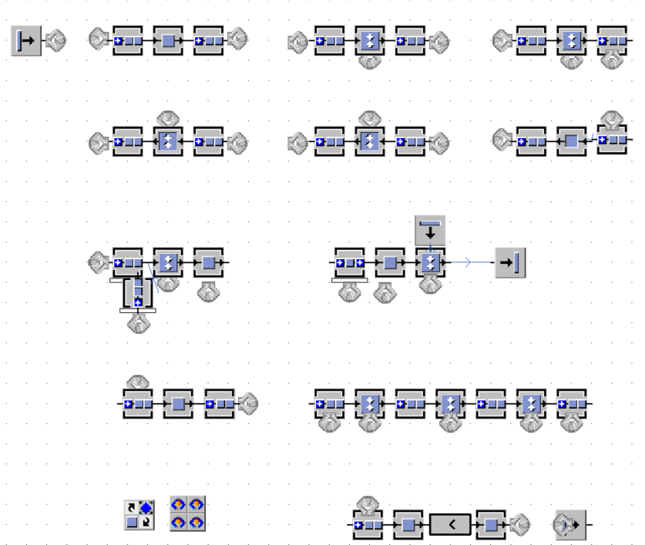
8
9
10
11-22
23
1
2
3
4
5
6
7
24
25
26
27
2 | A
3 | M | 1
4 | M | 1
5 | T
6 | M | 1
7 | M | 1
8 | M |  | 1
9 | A
10 | A
11 | M |  | 1
12 | M |  | 1
13 | M |  | 1
14 | M |  | 1
15 | M |  | 1
16 | M |  |  | 1
17 | M |  |  | 1
18 | M |  |  | 1
19 | M |  |  | 1
20 | M |  |  | 1
21 | M |  |  | 1
22 | M |  |  | 1
23 | T
24 | M |  |  |  | 1
25 | A
26 | M |  |  |  | 1
27 | M |  |  |  | 1

Redesign table
 |  | Internal logistics |  | Data-driven technologies |  | Advanced & collaborative automation
Workstation |  | Feeding | Material handling | AI-augmented quality | Smart maintenance solutions | Assembly automation | Packaging | Dispatching | # of AGVs | 0
1 | M
8
9
10
11-22
23
1
2
3
4
5
6
7
24
25
26
27
2 | A
3 | M
4 | M
5 | T
6 | M
7 | M
8 | M
9 | A
10 | A
11 | M
12 | M
13 | M
14 | M
15 | M
16 | M
17 | M
18 | M
19 | M
20 | M
21 | M
22 | M
23 | T
24 | M
25 | A
26 | M
27 | M

