List1
 |  |  | Connect ESP 8266 to arduino UNO

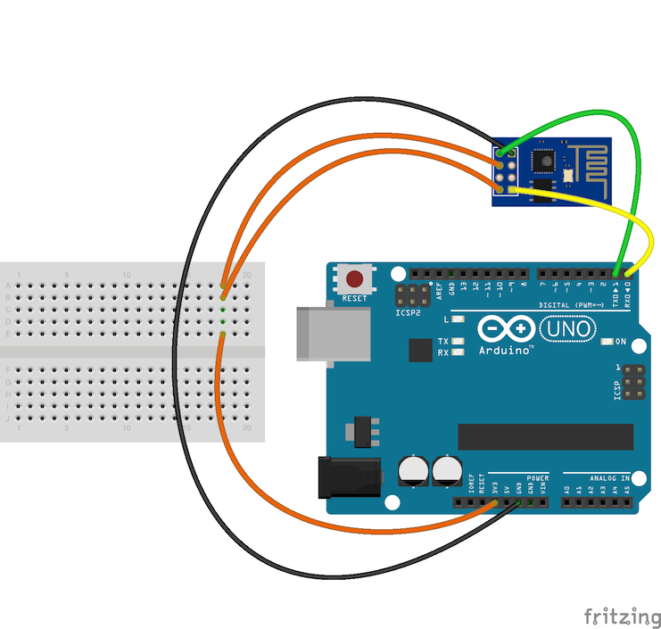
ESP 8266
 |  |  |  | GND = GROUND TX = Trasmit RX = Receive VCC = +3.3V power input

GND |  | RX
TX | CH_PD | VCC

 |  |  | Test connection to WI-FI | Link & references

 |  |  | 1) Connect the ESP8266 to ARDUINO UNO following the instruction above (before to connect the Wi-fi module flash on arduino a empty sketch) 2) Open the ARDUINO serial monitor and configure it, bound=115200 and both (NL&CR) 3) send reset message: AT+RST, the output, if all is ok you can go on 4) AT+CWMODE=1 5) AT+CWLAP, this show all WI-FI available 6) Join the the right wi-fi network: AT+CWJAP="SSID", "PASS" | Some guidelines: http://www.mauroalfieri.it/elettronica/esp8266-arduino-comandi-at.html Comandi AT:

