PEM_0
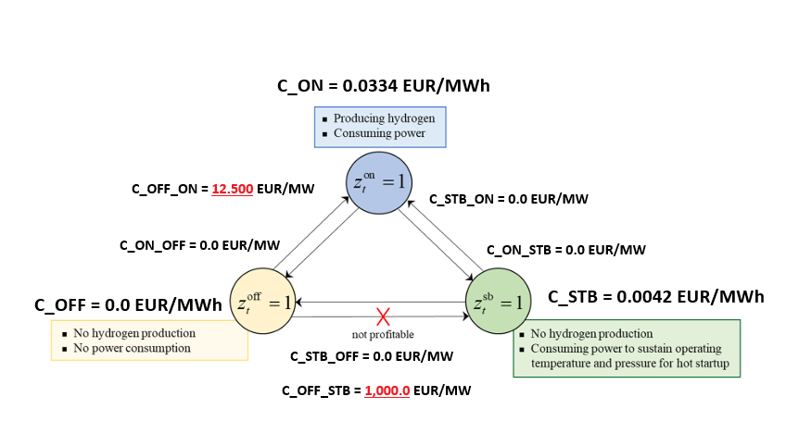
Parameters | value AT ZERO | value | unit
rated_power | 2500 | 2500 | kW
efficiency | 0.65 | 0.65 | -
low_range | 0.1 | 0.01 | -
high_range | 1 | 1 | -
pressure | 30 | 30 | bar
stack_lifetime | 10 | 10 | yr
bop_lifetime | 20 | 20 | yr
CAPEX | 0 | 1188 | €/kWel
OPEX_fix | 0.0017739726027 | 0.0017739726027 | €/kWel/h | aggiornato alle ore in un anno
OPEX_var | 4.5662100457E-06 | 4.5662100457E-06 | €/kWel/h | aggiornato alle ore in un anno
installation_cost | 0 | 10 | %CAPEX
replacement_cost | 0 | 35 | %CAPEX
LCOE | 0 | 0 | €/kWh
LCOH | 10.83 | 10.83 | €/kg
RAMP | 1000 | 125 | kW/h | =10% but also 5%
c_ON | 0 | EUR/MWh | momo
c_STB | 0 | EUR/MWh | momo
c_OFF | 0 | EUR/MWh
c_STB_ON | 0 | EUR/MW | Liao
c_ON_STB | 0 | EUR/MW | Liao
c_STB_OFF | 0 | EUR/MW | Liao
c_OFF_STB | 0 | EUR/MW |  | very high value
c_OFF_ON | 0 | EUR/MW | Liao
c_ON_OFF | 0 | EUR/MW | Liao
P_ely_0 | 0 | kW
P_ely_STB | 87.5 | kW
P_ely_ON_min | 250 | kW

